Main
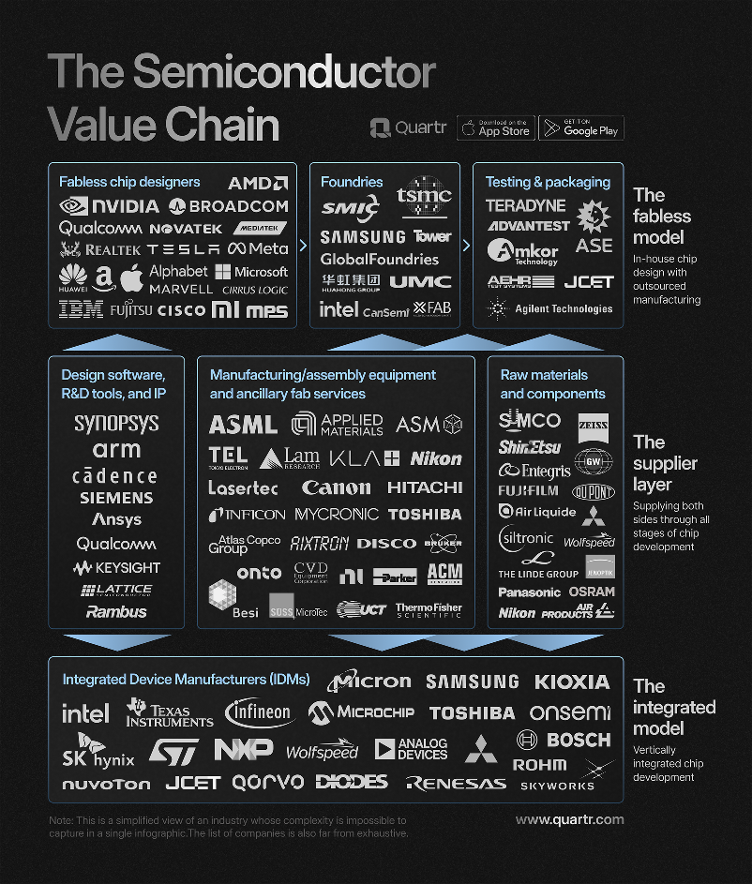
ASML
numbers in mio EUR |  |  |  | Price | 659.1
 |  |  |  | Shares | 388 | Q225
 | ASML | EUR/USD | 1.1 | MC | 255,863
 | IR |  |  | Cash | 9,104 | Q225
 |  |  |  | Debt | 3,681 | Q225
 |  |  |  | EV | 250,440

