Main
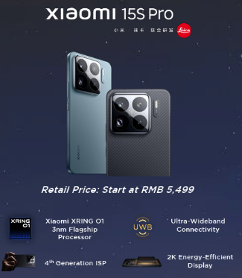
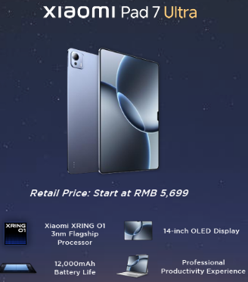
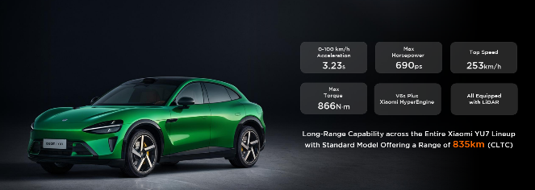
Xiaomi
numbers in mio RMB |  | Price HKD | 53.1
 |  | Price RMB | 48.9
 |  | Shares | 24,962
 |  | MC | 1,219,467
 |  | Cash | 135,552
 |  | Debt | 30,945
 |  | EV | 1,114,860

 |  | HKD/RMB | 0.92

 | Products

