Main
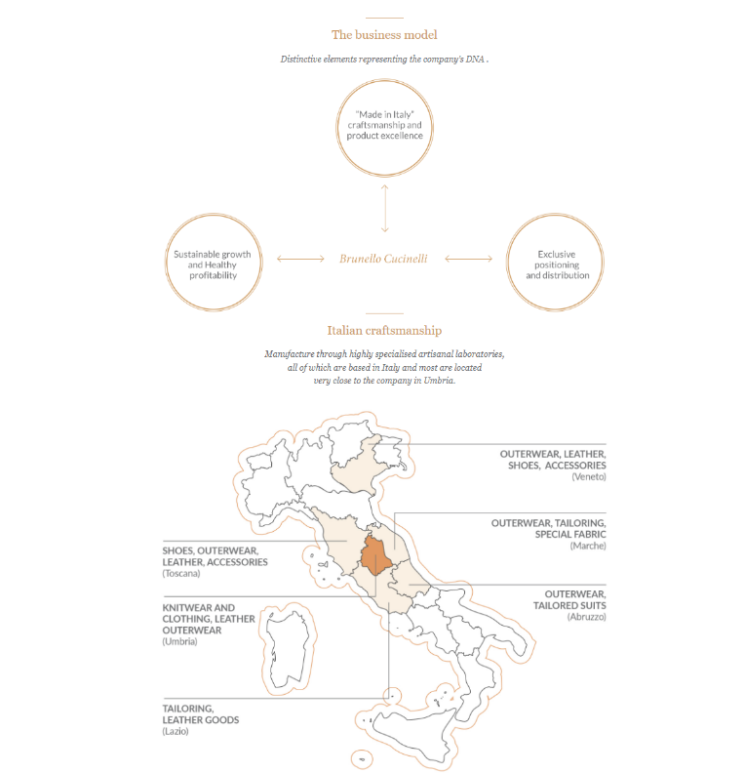
Brunello Cucinelli
numbers in mio EUR |  | Price | 108.4
 |  | Shares | 68.0 | Q225
 | BC.MI | MC | 7,370.5
 | IR | Cash | 182.1 | Q225
 |  | Debt | 284.8 | Q225
 |  | EV | 7,473.3

 |  | CEO & CD | Brunello Cucinelli

 | Notes

