Main
Canadian Pacific Railway
numbers in mio CAD |  |  | Price | 114
 |  |  | Shares | 933 | Q125
 | IR |  | MC | 106,385
 |  |  | Cash | 695 | Q125
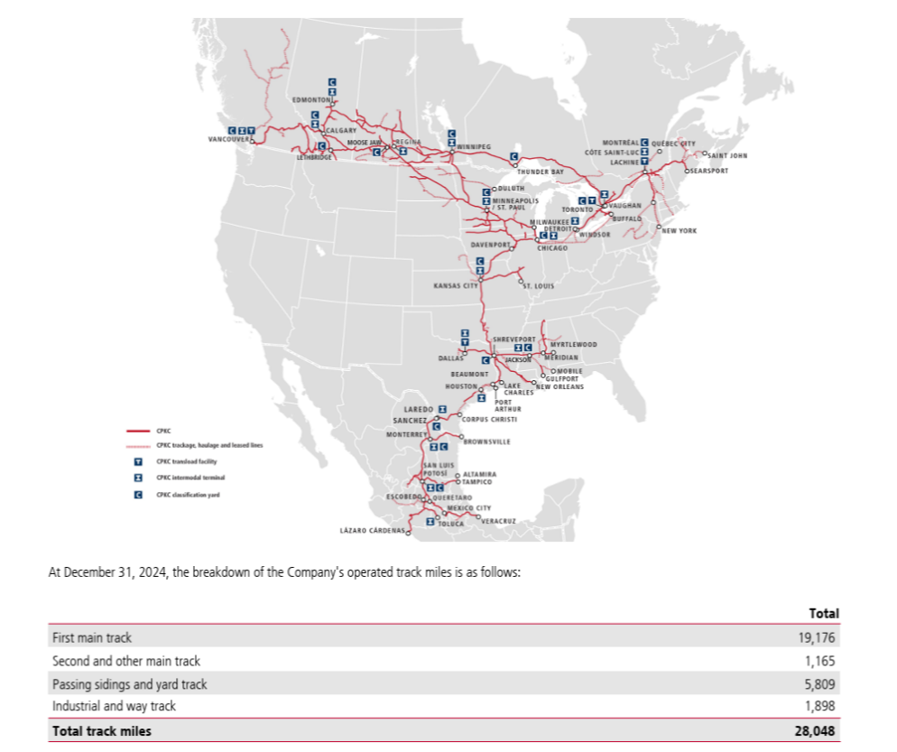
 |  |  | Debt | 22,652 | Q125
 |  |  | EV | 128,342

 | Track Miles | 28,048

