Main
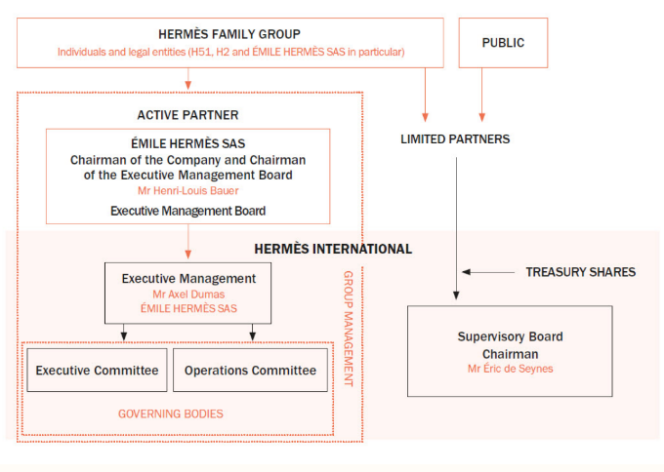
Hermès
in Mio EUR |  |  |  |  | Price | 2,078
 |  |  |  |  | Shares | 105 | Q225
 | IR |  |  |  | MC | 217,850
 | RMS |  |  |  | Cash | 10,321 | Q225
 |  |  |  |  | Debt | 32 | Q225
 | Segment | % of Rev | Costumers | Competitors | EV | 207,561
 | Leather Goods and Saddlery | 43%
 | Ready to Wear and Accesoires | 29% |  |  | Employee Count: |  | 23,242
 | Silk and Textiles | 6% |  |  | Founded | 1837
 | Other Hermes Sectors | 13%
 | Perfume and Beauty | 3% |  |  | Managment: |  |  | Design Senior Executive:
 | Watches | 4% |  |  | Executive Chairman |  | Henri-Louis Bauer | Silk and Textiles | Alix Coindreau
 | Other Prodcuts | 2% |  |  | Chairwoman |  | Agnès de Villers | Watches | Laurent Dordet
 |  |  |  |  | CEO |  | Axel Dumas | Ready to Wear W | Cielo Dunbavand
 | Notes |  |  |  | CFO |  | Eric du Halgouet | Shoes | Julien Faurie
 | Iconic Models: Birkin bag(Starting price: 8.850), Kelly Bag (Starting price: 8.450) |  |  |  | Artistiv EVP |  | Pierre-Alexis Dumas | Leather Goods | Ly Lallier
 | FY24: 2.300 new jobs (1.300 in France) |  |  |  | CCO |  | Charlotte David | Ready to Wear M | Véronique Nichanian
 |  |  |  |  | CSDO |  | Floarian Craen | Home | Anne-Sarah Panhard
 |  |  |  |  | CSAO |  | Olivier Fournier | Accessoires | Élodie Potdevin
 |  |  |  |  | CISO |  | Wilfried Guerrand | Jewellery | Ambre Pulcini
 | History: |  |  |  | CHRO |  | Sharon MacBeath
 | Founded 1837 by Thierry Hermés -> leather goods for european royals |  |  |  | CMDO |  | Guillame de Seynes
 | Emile Maurice son of Thierry Hermés -> 3 daughters: married into three families: Guerrand, Puech, Dumas
 | Assuming leadership in 1978 Jean-Louis Dumas transformed th company in a global luxury brand
 | In 2011 the Dumas family prevented a takeover by LVMH by pooling their shares: over 50 descendants pooled their shares into a holding -> 52% of voting shares
 | Every heir of Hermés began their career as in apprentice in production
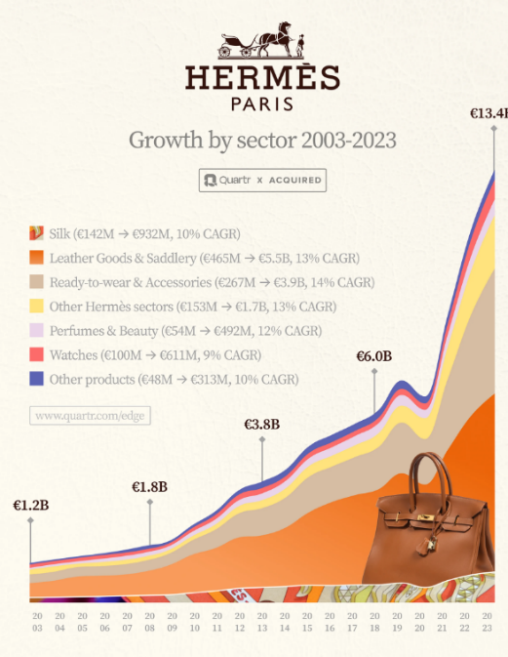
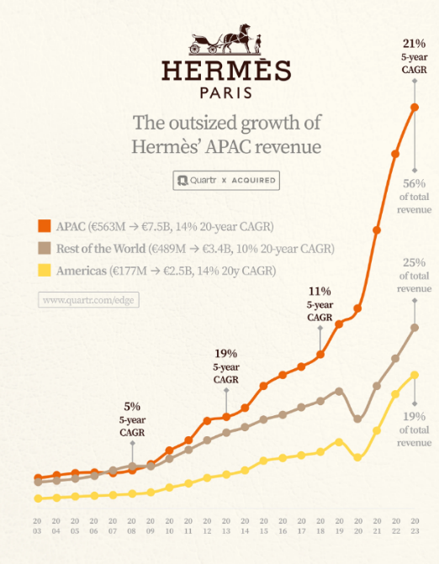
 | 2003 -> silk and textiles was the most important, now today leather goods
 | Since 2014 Axel Dumas -> CEO in the 6. Generation

 | https://quartr.com/insights/business-philosophy/hermes-two-centuries-of-craftsmanship-and-excellence

