Main
Union Pacific Corporation
numbers in mio USD |  | Price | 225.5
 |  | Shares | 597 | Q125
 | Segments | MC | 134,731
 | Premiun | Cash | 1,411 | Q125
 | Bulk | Debt | 32,842 | Q125
 | Industrial | EV | 166,162

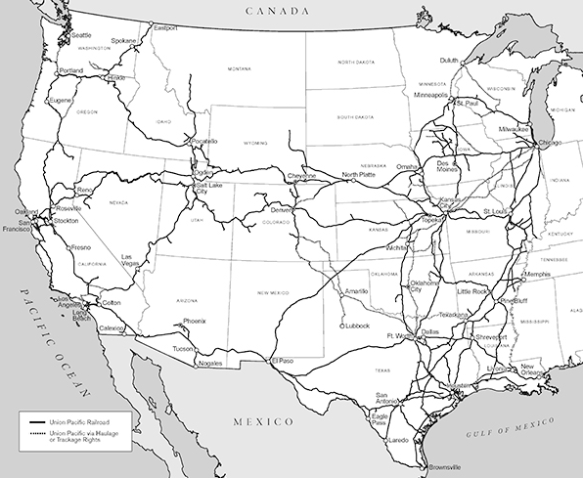
 | connects 23 states in the western 2/3 of the US by rail | incorp. | 1969
 | Connects with Canada and Mexico rail system | founded | 1862

