Main
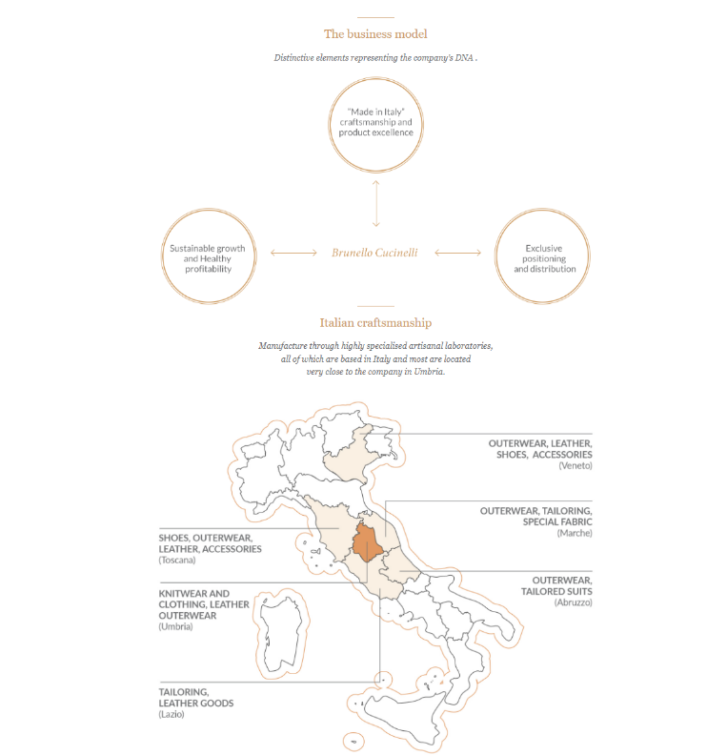
Brunello Cucinelli
numbers in mio EUR |  | Price | 110.7
 |  | Shares | 68.0 | Q424
 | BC.MI | MC | 7,526.9
 | IR | Cash | 182.1 | Q424
 |  | Debt | 284.8 | Q424
 |  | EV | 7,629.7

 |  | CEO & CD | Brunello Cucinelli

 | Notes

