Main
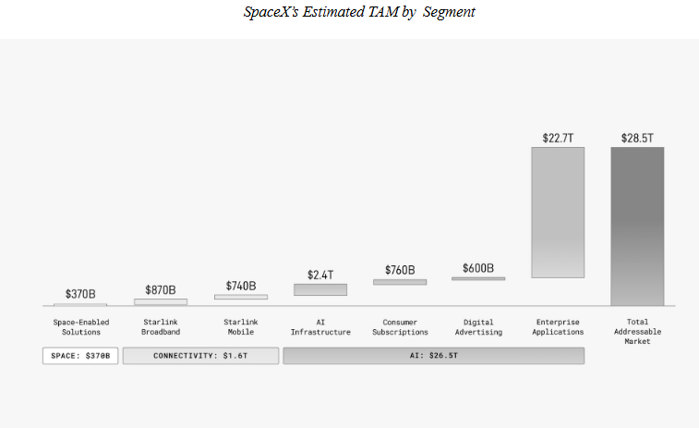
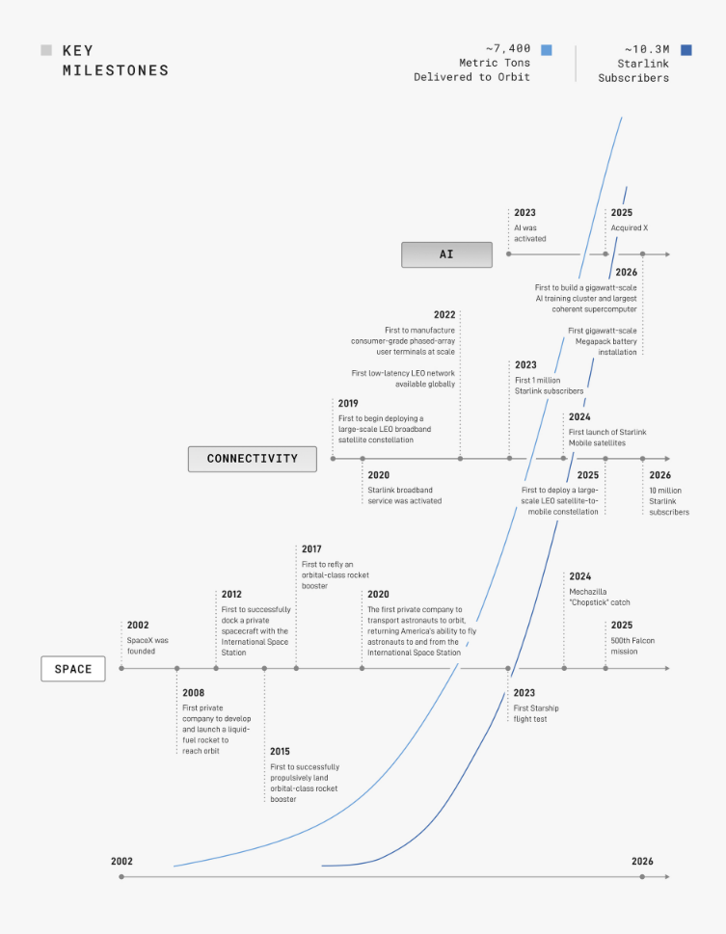
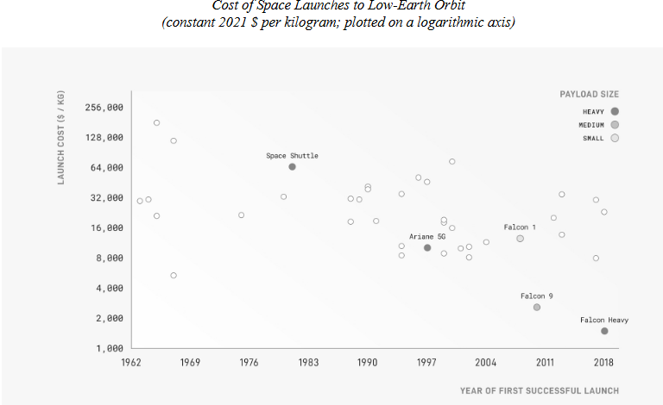
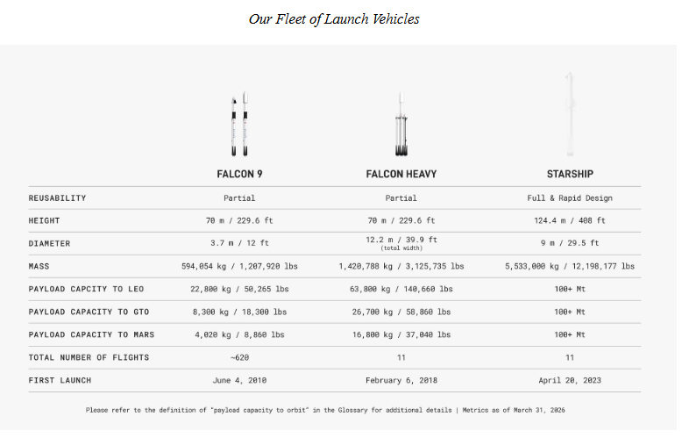
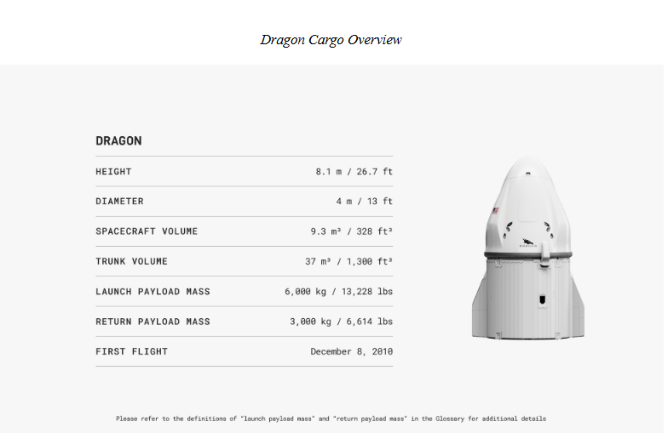
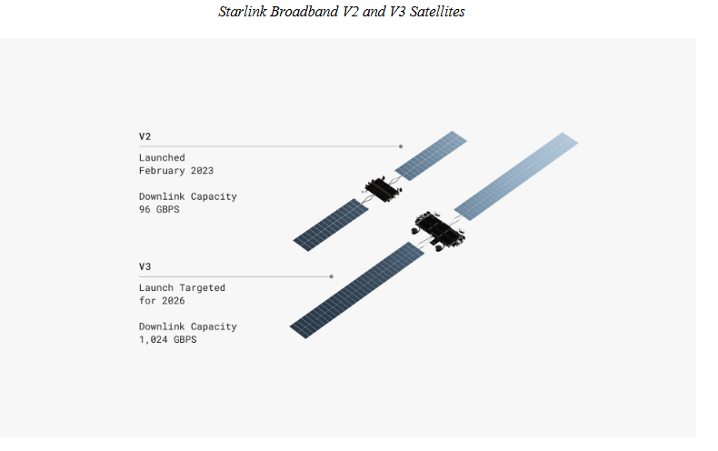
Space Exploration Technologies Crop
numbers in mio $ |  |  |  | Price
 |  |  |  | Shares |  | Q425
 |  |  |  | MC
 | Business |  |  | Cash | 24,747 | Q425
 | Space Launch |  |  | Debt | 22,896 | Q425
 | Starlink |  |  | EV
 | xAI (including X)
 |  |  |  | Founder | Elon Musk
 |  |  |  | CEO | Elon Musk
 | Notes |  |  | CTO | Elon Musk
 | IPO planned for June 2026 |  |  | CFO | Gwynne Shotwell
 | Want to raise 75$ billion at 1.5$ trillion valuation |  |  | COO | Bret Johnsen
 | would be the biggest IPO of all time

 | Space | Income from Operations
 | Total Launches: about 650 | (675) | 2025
 | Crewmembers flown: 78 | (21) | 2024
 |  | 1 | 2023

 | Connectivity
 | Starlink Boradband & Mobile Statelies: 9.600+ | 4,423 | 2025
 | Starlink Subscribers | 2,006 | 2024
 |  | 469 | 2023

 | AI
 | Namplate Compute Draw: 1GW+ | Income from Operations
 | Colossus and Colossus II | (6,355) | 2025
 | Major Model Versions 4 | (1,561) | 2024
 | Daily posts on X about 350M, MAU: about 550M | (3,973) | 2023
 | Deal with Anthropic: $1.25 billion per month for compute capacity
 | Currently training Grok 5
 | Cursor Acquistion

 | S1-Filing
 | https://www.sec.gov/Archives/edgar/data/1181412/000162828026036936/spaceexplorationtechnologi.htm

