Main
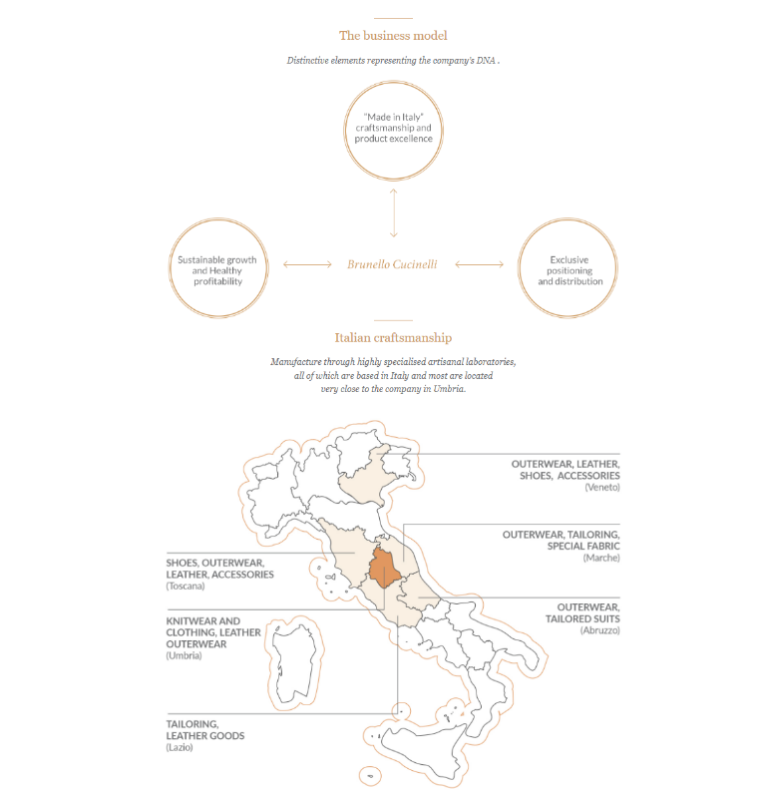
Brunello Cucinelli
numbers in mio EUR |  | Price | 96.16
 |  | Shares | 68.0 | Q225
 | BC.MI | MC | 6,538.3
 | IR | Cash | 243.8 | Q225
 |  | Debt | 7.0 | Q225
 |  | EV | 6,301.5

 |  | CEO & CD | Brunello Cucinelli

 | Notes

