Main
Union Pacific Corporation
numbers in mio USD |  | Price | 221.76
 |  | Shares | 593 | Q225
 | Segments | MC | 131,513
 | Premiun | Cash | 1,060 | Q225
 | Bulk | Debt | 32,813 | Q225
 | Industrial | EV | 163,266

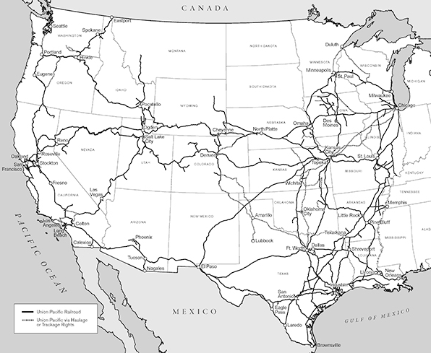
 | connects 23 states in the western 2/3 of the US by rail | incorp. | 1969
 | Connects with Canada and Mexico rail system | founded | 1862

