Products
Main

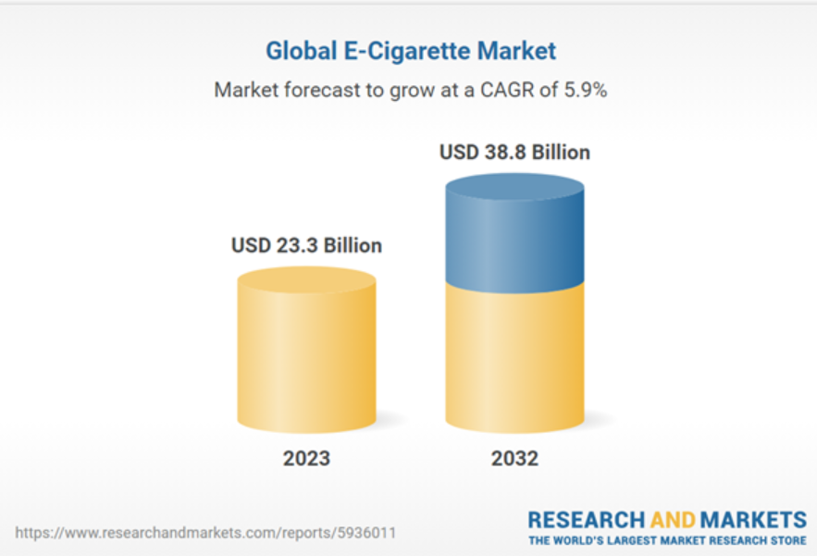
x | Nicotine
 | Belongs to the family of alkaloids and occurs naturally in a variety of plants as a neurotxin (tomatoes, potatoes, highest concentration on tobacco)
 | Nicotine can cause acute increase in heart rate and blood pressure, a low dosis is not dangerous
 | Consuming Nicotine doesnt cause harm, but is addicitive (pure nocotine is not very addictive)
 | Toxicants that are produced while tobacco is burned is way more harmful than nicotine

 | Smokefree Products

 |  | Vapours
 |  | Products:
 |  | battery powered Devices that heat a e-liquid to produce an inhalble aerosol
 |  | E-Liquid usually contains nicotine origanilly derived from Tobacco -> there is no Tobacco in Vapours products
 |  | The Atomiser - the part that produces the vapour - contains a littel electric heater combined wiht a wick
 |  | made from absorbant materials such as glass fibre, cotton or ceramic
 |  | E-Liquid is drawn in the wick a tank -> heated to a form of vapour when the costumers puffs on the product
 |  | Classified in open and closed systems
 |  | Open systems can be costumized -> using a refillable tank -> Costumers can choose from a wide range of e-liquids
 |  | Closed systems work with disposable pre-filled with e-liquid
 |  | Closed sytems products Vuse e-Pod and Vuse e-Pen 3
 |  | Scientific Evidence:
 |  | 6,3% of Brittish population are now vaping
 |  | Smoking level has dropped to 14,3%
 |  | In 2023 studies to BAT vapours in journal of Internal and Emergency Medicine
 |  | Vapour user had favorauble differences in biomarkers of exposure (boe) and biomarkers of potential harm (boph) compared to smokers

 | Oral Tobacco

 | Heatstick

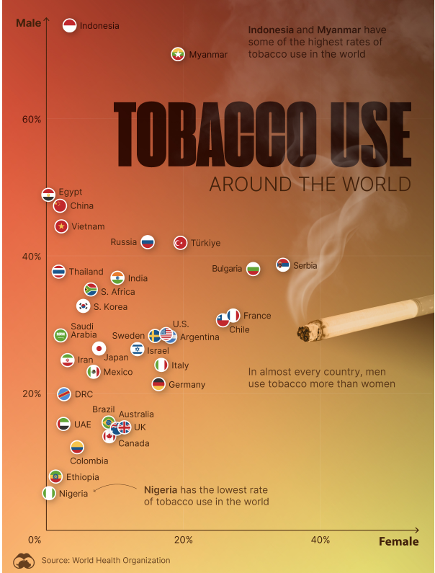
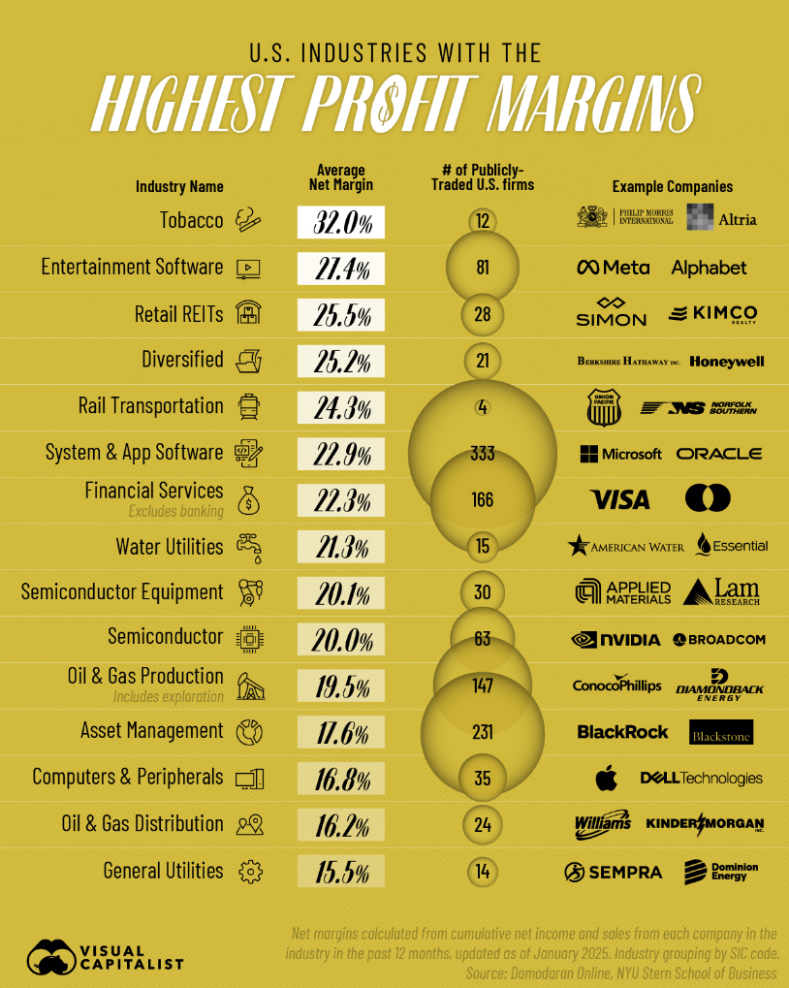

 | Cigarettes

 | Brands: | Dunhill, Kent, Lucky Strike, Pall Mall, Rothmans
 | US: | Camel, American Spirit, Newport
 | International and local cigarette brands -> not part of portfolio
 | Vogue, Viceroy, Kool, Peter Stuyvesant, Craven A, State Express 555, Shuang Xi

 | Components:
 | Tobacco rod, Cigarette paper, tipping paper, filter

 | 8,6 Billion Tones Market Size in 2023
 | 9,7 Billion until 2032
 | -> 1,3% CAGR

