Main
Canadian National Railway
numbers in mio CAD |  | Price | 150.99
 |  | Shares | 629 | Q424
 |  | MC | 94,948
 |  | Cash | 401 | Q424
 |  | Debt | 20,894 | Q424
 |  | EV | 115,441

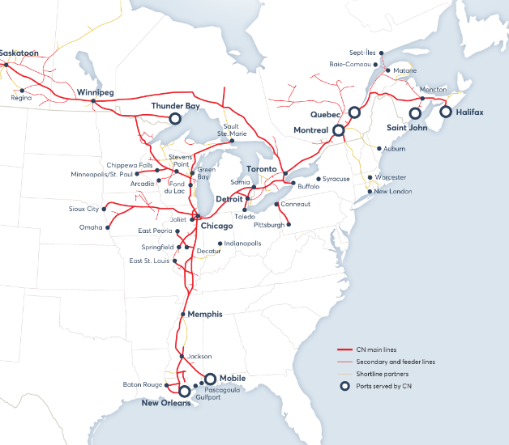
 | incorporated 1919 by parliament of Canada | Management
 |  | CEO | Tracy Robinson
 |  | CFO | Chislain Houle

