sumary-of-metrics-and-graphics
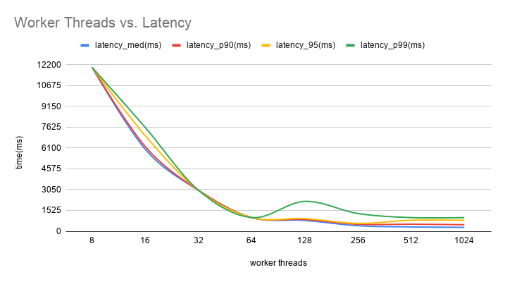
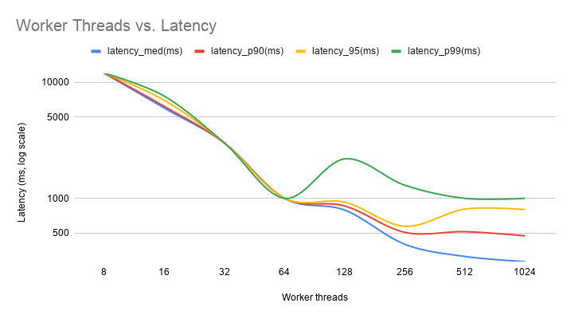
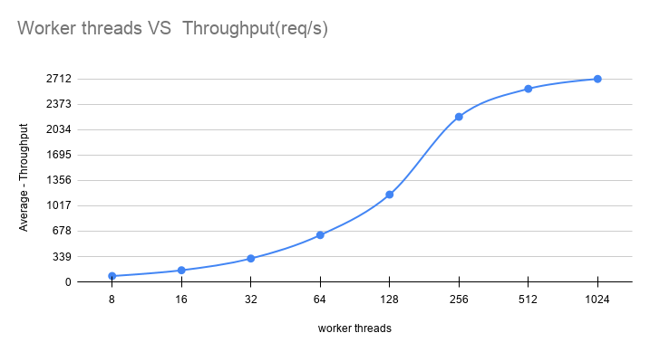
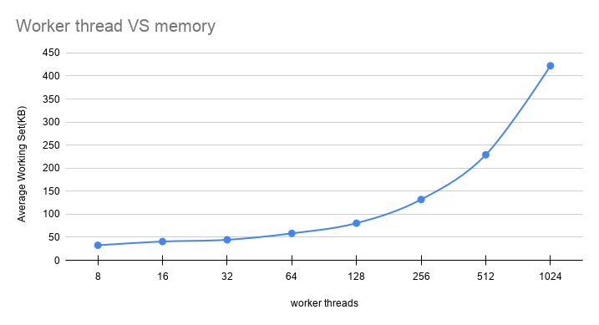
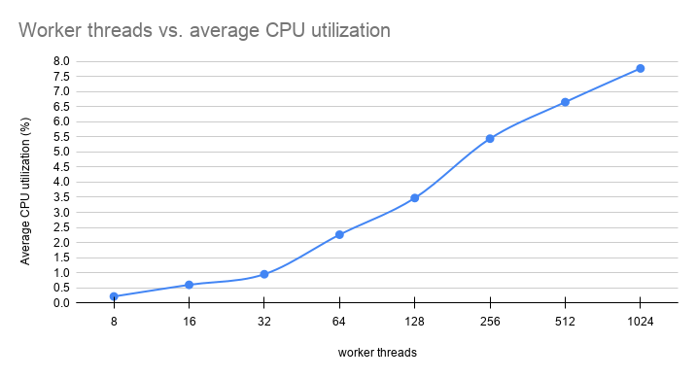
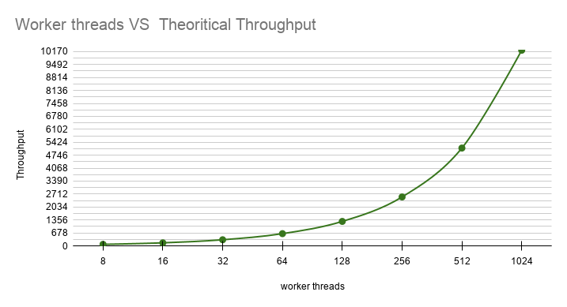
workers | Throughput(req/s) | memory(peak) | Avg_cpu(peak) | latency_med(ms) | latency_p90(ms) | latency_95(ms) | latency_p99(ms) | tcp_socket_connecting_med(ms) | tcp_socket_connecting_p90(ms) | Theoritical Throughput(req/s)
8 | 78.84 | 32.658 | 0.208 | 12000 | 12000 | 12000 | 12000 | 6.8 | 140 | 80
16 | 155.672 | 40.732 | 0.594 | 6000 | 6200 | 7000 | 7600 | 32.6 | 752 | 160
32 | 312.582 | 44.5 | 0.946 | 3000 | 3000 | 3000 | 3000 | 8.8 | 31.8 | 320
64 | 625.262 | 58.4672 | 2.258 | 1000 | 1000 | 1000 | 1000 | 6.8 | 16.6 | 640
128 | 1166.802 | 80.56 | 3.474 | 792 | 860 | 927 | 2188 | 12 | 65.6 | 1280
256 | 2206 | 131.986 | 5.444 | 401.8 | 509 | 574.6 | 1297 | 37.4 | 143 | 2560
512 | 2580 | 228.974 | 6.656 | 315.4 | 516 | 807.8 | 1000 | 95.6 | 253.4 | 5120
1024 | 2712 | 422.211 | 7.774 | 285 | 475 | 800 | 1000 | 81.2 | 180.6 | 10240

