Test Case Summary
Test Case Summary
Test Case Report
Project Name | Uni Mart
Module Name | Account
Feature Name | Sign Up & Sign In
Test Case Version
Written by | Oshin
Executed By
Test Execution Report
Test Case | Pass | Fail | Not Executed | out of scope | Total TC
Test Case | 18 | 9 | 2 | 0 | 27

Test Case Report
Project Name | Uni Mart
Module Name | Account
Feature Name | Search & Add to Cart & Product Details
Test Case Version
Written by | Oshin
Executed By
Test Execution Report
Test Case | Pass | Fail | Not Executed | out of scope | Total TC
Test Case | 16 | 10 | 3 | 0 | 26

Mind Map
Mind Map

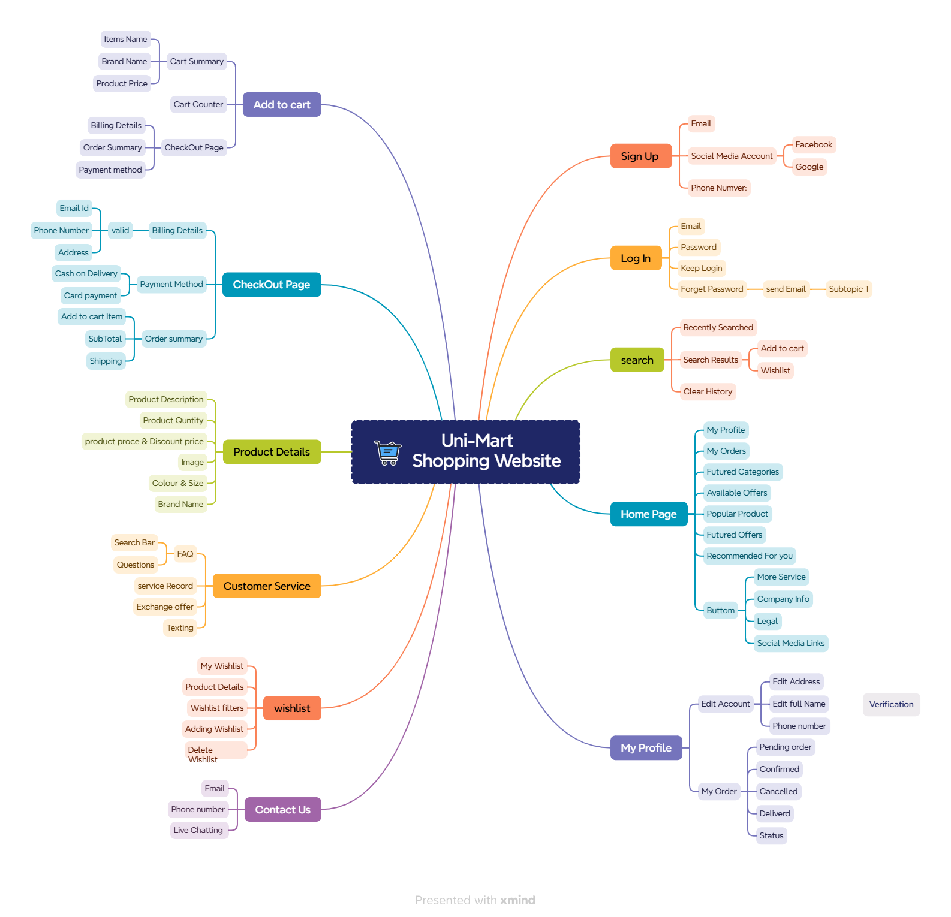

 | 0

