Sheet2
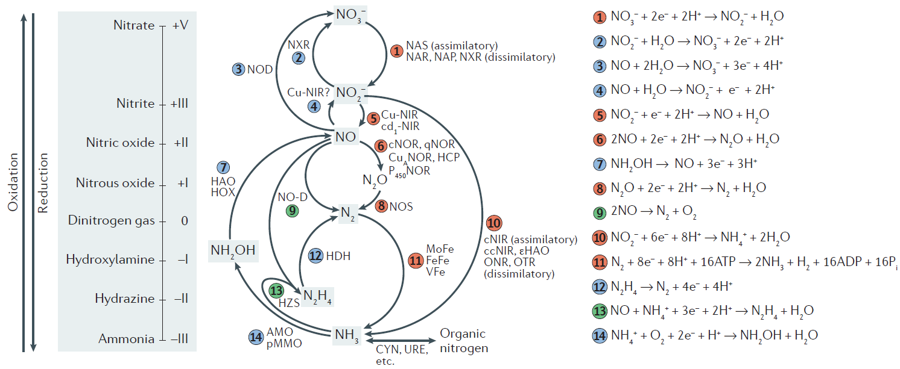
1 | Nitrate reduction (assimilatory - dissimilatory) | "narG_ nxrA","narH_nxrB","narI","napA","napB","narB","NR","nasA","nasB","NIT-6","nasD","nasE","nasB" | nitrate reductase / nitrite oxidoreductase / nitrite reductase | Amon<-c("ureA","ureB","ureC","ureD","ureE","ureF","ureG","ureJ")
2 | Nitrification (3) | NXR | nitrite oxidoreductase | N_fix<-c("anfD","anfG","anfH","anfK","nifD","nifH","nifK","vnfD","vnfG","vnfH","vnfK")
3 | Nitric oxide bi-oxidation (Nitrification) | hmp | nitric oxide oxidase | Nitr<-c("amoA","amoB","amoC","hao","hcp")
4 | Nitric oxide oxidation (Nitrification) | ? |  | Asm<-c("asnB","gdhA","glnA","gltB","gltD","gudB")
5 | Denitrification (1) | "nirK,"nirS" | nitrite reductase (NO-forming) / hydroxylamine reductase | N_red<-c("napA","napB","narG_nxrA","narH_nxrB","narI","narJ","nasA","nasB","NR")
6 | Denitrification (2) | "norB" | nitric oxide reductase | As_Dis_Nred<-c("nirA","nirB","nirD","nrfA","nrfH")
7 | Nitrification (2)? | "hao" | hydroxylamine dehydrogenase | Denit<-c("nirK","nirS","norB","nosZ")
8 | Denitrification (3) | "nosZ" | nitrous-oxide reductase | Anmx<-c("hzo","hzsA","hzsB","hzsC")
9 | Denitrification (2+3) | norZ (nod) | nitric oxide dismutase
10 | Nitrite reduction (assimilatory - dissimilatory) | "nirB,"nirD","nrfA","nrfH" | nitrite reductase
11 | Nitrogen fixation | "nifH","nifD","nifK","anfG","vnfD","vnfK","vnfG","vnfH" | molybdenum-iron (MoFe, nifHDK), iron-iron (FeFe, anfHGDK) and vanadium-iron (VFe, vnfHGDK) nitrogenases
12 | Anammox (2)? | "hzo" | hydrazine dehydrogenase
13 | Anammox (1) | "hzsA","hzsB","hzsC" | hydrazine synthase
14 | Nitrification (1) | "amoA","amoB","amoC","hao" | methane/ammonia monooxygenase
15 | Ammonification | "URE","ureA ","ureAB","ureB ","ureC ","ureD","ureE","ureF","ureG","ureJ" | urease
Fig. 1 | Microbial transformations of nitrogen compounds. Microorganisms carry enzymes that perform 14 redox reactions involving 8 key inorganic nitrogen species of different oxidation states (enzyme-bound intermediates and their redox states are not shown). The interconversion of ammonia and organic nitrogen does not involve a change in the redox state of the nitrogen atom. The reactions involve reduction (red), oxidation (blue) and disproportionation and comproportionation (green).
The following enzymes perform the nitrogen transformations:
assimilatory nitrate reductase (NAS, nasA and nirA);
membrane-bound (NAR, narGH) and periplasmic (NAP, napA) dissimilatory nitrate reductases;
nitrite oxidoreductase (NXR, nxrAB);
nitric oxide oxidase (NOD, hmp);
haem-containing (cd1‑NIR, nirS) and copper-containing (Cu‑NIR, nirK) nitrite reductases;
cytochrome c‑dependent (cNOR, cnorB), quinol-dependent (qNOR, norZ) and copper-containing quinol-dependent nitric oxide reductases (CuANOR); NADH-dependent cytochrome P450 nitric oxide reductase (P450NOR, p450nor); flavo-diiron nitric oxide reductase (NORvw, norVW);
hybrid cluster protein (HCP, hcp);
hydroxylamine oxidoreductase (HAO, hao);
hydroxylamine oxidase (HOX; hox);
nitrous oxide reductase (NOS, nosZ);
nitric oxide dismutase (NO‑D, norZ);
assimilatory nitrite reductase (cNIR; nasB and nirB);
dissimilatory periplasmic cytochrome c nitrite reductase (ccNIR, nrfAH);
ε-hydroxylamine oxidoreductase (εHAO; haoA);
octahaem nitrite reductase (ONR);
octahaem tetrathionate reductase (OTR);
molybdenum-iron (MoFe, nifHDK), iron-iron (FeFe, anfHGDK) and vanadium-iron (VFe, vnfHGDK) nitrogenases;
hydrazine dehydrogenase (HDH, hdh);
hydrazine synthase (HZS, hzsCBA);
ammonia monooxygenase (AMO, amoCAB);
particulate methane monooxygenase (pMMO, pmoCAB);
cyanase (CYN, cynS);
and urease (URE, ureABC).
16 | Ammonium assimilation | "asnB,"gdhA","glnA","gltB","gltD","gudB"
 | comammox?

