PopulationReport
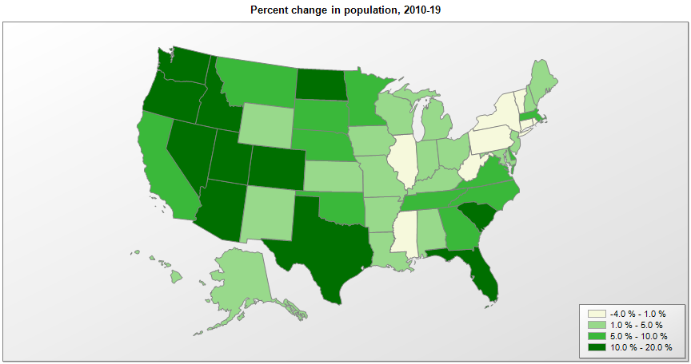

Name | Pop. 1990 | Pop. 2000 | Pop. 2010 | Pop. 2019 | Change 2010-19
United States | 248,790,925 | 281,424,600 | 308,758,105 | 328,239,523 | 6.3%
Alabama | 4,040,389 | 4,447,207 | 4,780,125 | 4,903,185 | 2.6%
Alaska | 550,043 | 626,933 | 710,249 | 731,545 | 3.0%
Arizona | 3,665,339 | 5,130,247 | 6,392,288 | 7,278,717 | 13.9%
Arkansas | 2,350,624 | 2,673,293 | 2,916,031 | 3,017,804 | 3.5%
California | 29,811,427 | 33,871,653 | 37,254,519 | 39,512,223 | 6.1%
Colorado | 3,294,473 | 4,302,086 | 5,029,319 | 5,758,736 | 14.5%
Connecticut | 3,287,116 | 3,405,650 | 3,574,147 | 3,565,287 | -0.2%
Delaware | 666,168 | 783,559 | 897,937 | 973,764 | 8.4%
District of Columbia | 606,900 | 572,086 | 601,767 | 705,749 | 17.3%
Florida | 12,938,071 | 15,982,571 | 18,804,564 | 21,477,737 | 14.2%
Georgia | 6,478,149 | 8,186,653 | 9,688,729 | 10,617,423 | 9.6%
Hawaii | 1,108,229 | 1,211,497 | 1,360,307 | 1,415,872 | 4.1%
Idaho | 1,006,734 | 1,293,957 | 1,567,657 | 1,787,065 | 14.0%
Illinois | 11,430,602 | 12,419,927 | 12,831,572 | 12,671,821 | -1.2%
Indiana | 5,544,156 | 6,080,827 | 6,484,051 | 6,732,219 | 3.8%
Iowa | 2,776,831 | 2,926,538 | 3,046,871 | 3,155,070 | 3.6%
Kansas | 2,477,588 | 2,688,925 | 2,853,123 | 2,913,314 | 2.1%
Kentucky | 3,686,892 | 4,042,193 | 4,339,333 | 4,467,673 | 3.0%
Louisiana | 4,221,826 | 4,469,035 | 4,533,487 | 4,648,794 | 2.5%
Maine | 1,227,928 | 1,274,779 | 1,328,358 | 1,344,212 | 1.2%
Maryland | 4,780,753 | 5,296,647 | 5,773,794 | 6,045,680 | 4.7%
Massachusetts | 6,016,425 | 6,349,364 | 6,547,785 | 6,892,503 | 5.3%
Michigan | 9,295,287 | 9,938,823 | 9,884,116 | 9,986,857 | 1.0%
Minnesota | 4,375,665 | 4,919,631 | 5,303,927 | 5,639,632 | 6.3%
Mississippi | 2,575,475 | 2,844,754 | 2,968,130 | 2,976,149 | 0.3%
Missouri | 5,116,901 | 5,596,564 | 5,988,950 | 6,137,428 | 2.5%
Montana | 799,065 | 902,200 | 989,407 | 1,068,778 | 8.0%
Nebraska | 1,578,417 | 1,711,230 | 1,826,305 | 1,934,408 | 5.9%
Nevada | 1,201,675 | 1,998,250 | 2,700,677 | 3,080,156 | 14.1%
New Hampshire | 1,109,252 | 1,235,807 | 1,316,462 | 1,359,711 | 3.3%
New Jersey | 7,747,750 | 8,414,764 | 8,791,978 | 8,882,190 | 1.0%
New Mexico | 1,515,069 | 1,819,017 | 2,059,199 | 2,096,829 | 1.8%
New York | 17,990,778 | 18,977,026 | 19,378,144 | 19,453,561 | 0.4%
North Carolina | 6,632,448 | 8,046,346 | 9,535,751 | 10,488,084 | 10.0%
North Dakota | 638,800 | 642,237 | 672,576 | 762,062 | 13.3%
Ohio | 10,847,115 | 11,353,336 | 11,536,751 | 11,689,100 | 1.3%
Oklahoma | 3,145,576 | 3,450,451 | 3,751,582 | 3,956,971 | 5.5%
Oregon | 2,842,337 | 3,421,524 | 3,831,079 | 4,217,737 | 10.1%
Pennsylvania | 11,882,842 | 12,280,548 | 12,702,868 | 12,801,989 | 0.8%
Rhode Island | 1,003,464 | 1,048,259 | 1,052,964 | 1,059,361 | 0.6%
South Carolina | 3,486,310 | 4,012,023 | 4,625,366 | 5,148,714 | 11.3%
South Dakota | 696,004 | 754,858 | 814,198 | 884,659 | 8.7%
Tennessee | 4,877,203 | 5,689,427 | 6,346,276 | 6,829,174 | 7.6%
Texas | 16,986,335 | 20,851,028 | 25,146,091 | 28,995,881 | 15.3%
Utah | 1,722,850 | 2,233,183 | 2,763,891 | 3,205,958 | 16.0%
Vermont | 562,758 | 608,613 | 625,737 | 623,989 | -0.3%
Virginia | 6,189,197 | 7,079,057 | 8,001,049 | 8,535,519 | 6.7%
Washington | 4,866,669 | 5,894,281 | 6,724,540 | 7,614,893 | 13.2%
West Virginia | 1,793,477 | 1,808,193 | 1,853,018 | 1,792,147 | -3.3%
Wisconsin | 4,891,954 | 5,363,757 | 5,687,285 | 5,822,434 | 2.4%
Wyoming | 453,589 | 493,786 | 563,775 | 578,759 | 2.7%
Puerto Rico | 3,522,037 | 3,808,605 | 3,726,157 | 3,193,694 | -14.3%

Source: U.S. Census Bureau, 1990, 2000, and 2010 Censuses of Population (corrected), and 2019 County Total Population Estimates.

