Sheet1
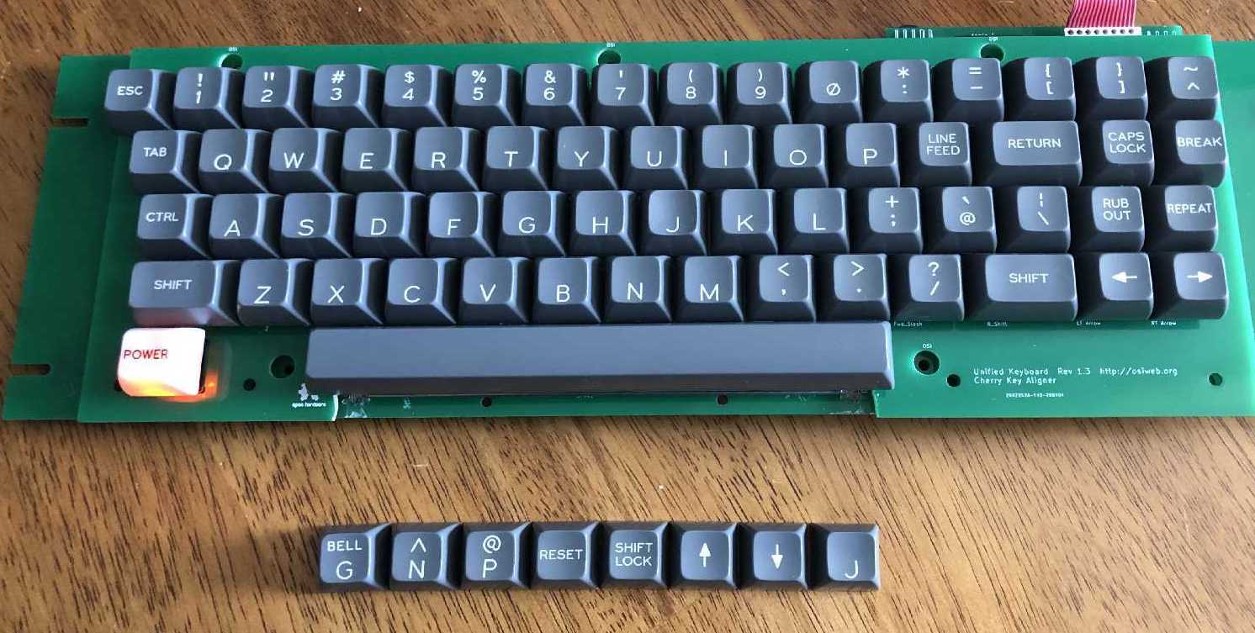
Classic Keycap set (Black) |  |  |  | Date: |  | 2021-11-29

Order specifications for Signature Plastics keycaps
Colors are specified using Signature Plastics color codes. Reference for colors: https://pimpmykeyboard.com/colors
Reference for key profiles: https://pimpmykeyboard.com/key-cap-family-specs

All keys SA Row 3
Line | Keycap Color | Legend Color | Size | Top | Top font | Bottom | Bottom Font | Centered | Centered Font | Comment
1 | NN | WFO | 1u |  |  | A | 0.187"
2 | NN | WFO | 1u |  |  | B | 0.187"
3 | NN | WFO | 1u |  |  | C | 0.187"
4 | NN | WFO | 1u |  |  | D | 0.187"
5 | NN | WFO | 1u |  |  | E | 0.187"
6 | NN | WFO | 1u |  |  | F | 0.187" |  |  | Deep Dish
7 | NN | WFO | 1u | BELL | 0.100" | G | 0.187"
8 | NN | WFO | 1u |  |  | G | 0.187"
9 | NN | WFO | 1u |  |  | H | 0.187"
10 | NN | WFO | 1u |  |  | I | 0.187"
11 | NN | WFO | 1u |  |  | J | 0.187" |  |  | Deep Dish
12 | NN | WFO | 1u |  |  | K | 0.187"
13 | NN | WFO | 1u |  |  | L | 0.187"
14 | NN | WFO | 1u |  |  | M | 0.187"
15 | NN | WFO | 1u |  |  | N | 0.187"
16 | NN | WFO | 1u | ^ | 0.187" | N | 0.187"
17 | NN | WFO | 1u |  |  | O | 0.187"
18 | NN | WFO | 1u |  |  | P | 0.187"
19 | NN | WFO | 1u | @ | 0.187" | P | 0.187"
20 | NN | WFO | 1u |  |  | Q | 0.187"
21 | NN | WFO | 1u |  |  | R | 0.187"
22 | NN | WFO | 1u |  |  | S | 0.187"
23 | NN | WFO | 1u |  |  | T | 0.187"
24 | NN | WFO | 1u |  |  | U | 0.187"
25 | NN | WFO | 1u |  |  | V | 0.187"
26 | NN | WFO | 1u |  |  | W | 0.187"
27 | NN | WFO | 1u |  |  | X | 0.187"
28 | NN | WFO | 1u |  |  | Y | 0.187"
29 | NN | WFO | 1u |  |  | Z | 0.187"
30 | NN | WFO | 1u | ! | .150" | .150" | 0.187"
31 | NN | WFO | 1u | “ | .150" | .150" | 0.187"
32 | NN | WFO | 1u | # | .150" | .150" | 0.187"
33 | NN | WFO | 1u | $ | .150" | .150" | 0.187"
34 | NN | WFO | 1u | % | .150" | .150" | 0.187"
35 | NN | WFO | 1u | & | .150" | .150" | 0.187"
36 | NN | WFO | 1u | ' | .150" | .150" | 0.187" |  |  | straight apostrophe and 7
37 | NN | WFO | 1u | ( | .150" | .150" | 0.187"
38 | NN | WFO | 1u | ) | .150" | .150" | 0.187"
39 | NN | WFO | 1u |  |  | .150" | 0.187"
40 | NN | WFO | 1u | * | .150" | .150" | 0.187"
41 | NN | WFO | 1u | = | .150" | .150" | 0.187" |  |  | equal and minus
42 | NN | WFO | 1u | + | .150" | .150" | 0.187"
43 | NN | WFO | 1u | < | .150" | .150" | 0.187" |  |  | < and comma
44 | NN | WFO | 1u | > | .150" | .150" | 0.187" |  |  | > and period
45 | NN | WFO | 1u | ? | .150" | .150" | 0.187"
46 | NN | WFO | 1u | { | .150" | .150" | 0.187"
47 | NN | WFO | 1u | } | .150" | .150" | 0.187"
48 | NN | WFO | 1u | ~ | .150" | .150" | 0.187"
49 | NN | WFO | 1u | ` | .150" | .150" | 0.187" |  |  | grave accent and @
50 | NN | WFO | 1u | | | .150" | .150" | 0.187" |  |  | vertical bar and backslash
51 | NN | WFO | 1u |  |  |  |  | → | 0.230" | Right arrow
52 | NN | WFO | 1u |  |  |  |  | ← | 0.230" | Left arrow
53 | NN | WFO | 1u |  |  |  |  | ↑ | 0.230" | Up arrow
54 | NN | WFO | 1u |  |  |  |  | ↓ | 0.230" | Down arrow
55 | NN | WFO | 1u |  |  |  |  | ESC | 0.100"
56 | NN | WFO | 1u |  |  |  |  | CTRL | 0.100"
57 | NN | WFO | 1u |  |  |  |  | REPEAT | 0.100"
58 | NN | WFO | 1u |  |  |  |  | BREAK | 0.100"
59 | NN | WFO | 1u |  |  |  |  | TAB | 0.100"
60 | NN | WFO | 1u |  |  |  |  | RESET | 0.100"
61 | NN | WFO | 1u |  |  |  |  | CLEAR | 0.100"
62 | NN | WFO | 1u | RUB | 0.100" | OUT | 0.100"
63 | NN | WFO | 1u | LINE | 0.100" | FEED | 0.100"
64 | NN | WFO | 1u | SHIFT | 0.100" | LOCK | 0.100"
65 | NN | WFO | 1u | CAPS | 0.100" | LOCK | 0.100"
66 | NN | WFO | 1u | HERE | 0.100" | IS | 0.100"
67 | NN | WFO | 1.5u |  |  |  |  | SHIFT | 0.100" | Left shift
68 | NN | WFO | 1.5u |  |  |  |  | SHIFT | 0.100" | Right shift
69 | NN | WFO | 1.5u |  |  |  |  | RETURN | 0.100"
70 | NN | WFO | 1.5u |  |  |  |  | TAB | 0.100"
71 | NN | n/a (no legend) | 8u |  |  |  |  |  |  | Spacebar
72 | WEL | BLACK | 1u |  |  |  |  | POWER | 0.100" | Pad print legend (lighted key)

