Sheet1
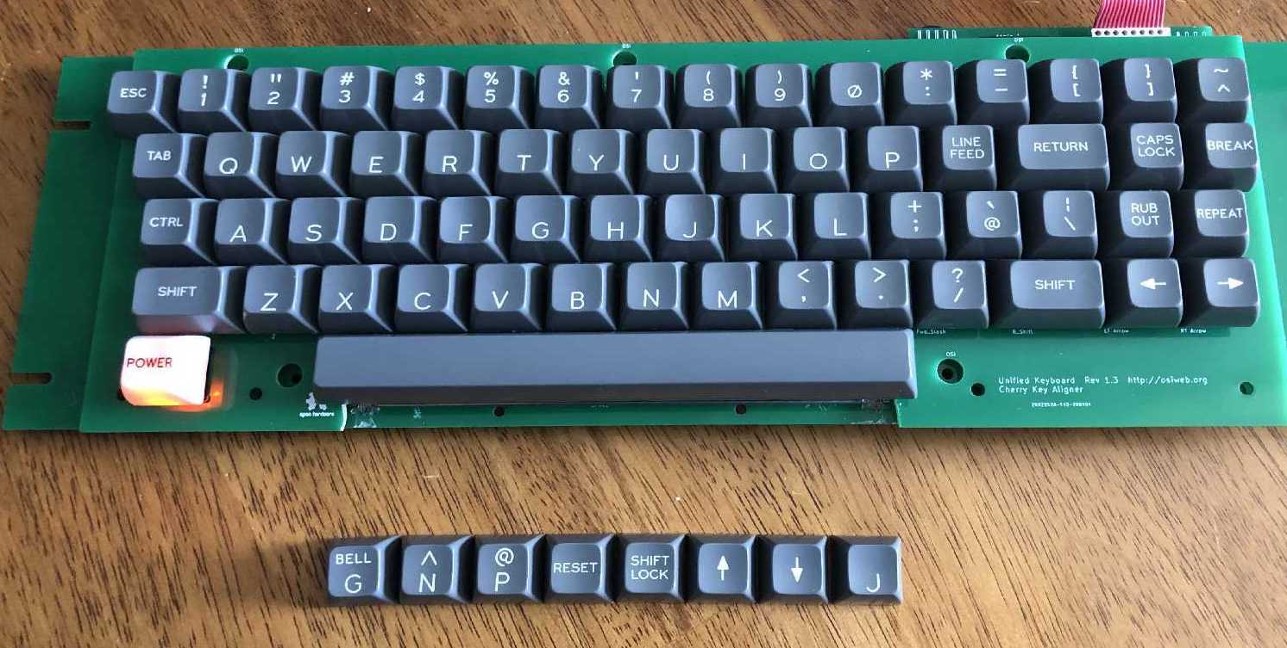
Classic Supplement set |  |  |  | Date: |  | 2021-11-29

Order specifications for Signature Plastics keycaps
Colors are specified using Signature Plastics color codes. Reference for colors: https://pimpmykeyboard.com/colors
Reference for key profiles: https://pimpmykeyboard.com/key-cap-family-specs

All keys SA Row 3
Line | Keycap Color | Legend Color | Size | Top | Top font | Bottom | Bottom Font | Centered | Centered Font | Comment
1 | GD | WFO | 1u | { | 0.150" | [ | 0.150"
2 | GD | WFO | 1u | } | 0.150" | ] | 0.150"
3 | GD | WFO | 1u | ^ | 0.150" | ~ | 0.150" |  |  | ^ over ~
4 | GD | WFO | 1u | ~ | 0.150" | ^ | 0.150" |  |  | ~ over ^
5 | GD | WFO | 1u | @ | 0.150" | \ | 0.150" |  |  | grave accent and @
6 | GD | WFO | 1u | ` | 0.150" | @ | 0.150" |  |  | grave accent and @
7 | GD | WFO | 1u | | | 0.150" | \ | 0.150" |  |  | vertical bar and backslash
8 | GD | WFO | 1u |  |  |  |  | ↑ | 0.230" | Up arrow
9 | GD | WFO | 1u |  |  |  |  | ↓ | 0.230" | Down arrow
10 | GD | WFO | 1u |  |  |  |  | TAB | 0.100"
11 | GD | WFO | 1u |  |  |  |  | DELETE | 0.100"
12 | GD | WFO | 1u |  |  |  |  | CLEAR | 0.100"
13 | GD | WFO | 1u |  |  |  |  | SHIFT | 0.100" | 1U SHIFT (left)
14 | GD | WFO | 1u |  |  |  |  | SHIFT | 0.100" | 1U SHIFT (right)
15 | GD | WFO | 1u | HERE | 0.100" | IS | 0.100"
16 | GD | WFO | 1u | SHIFT | 0.100" | LOCK | 0.100"
17 | GD | WFO | 1u | ALPHA | 0.100" | LOCK | 0.100"
18 | GD | WFO | 1u | CAPS | 0.100" | LOCK | 0.100"
19 | GD | WFO | 1u |  |  | N | 0.187"
20 | GD | WFO | 1u |  |  | P | 0.187"
21 | GD | WFO | 1u |  |  | G | 0.187"
22 | GD | WFO | 1u | RUB | 0.100" | OUT | 0.100"
23 | GD | WFO | 1u | LINE | 0.100" | FEED | 0.100"
24 | GD | WFO | 1u |  |  |  |  |  | 0.100" | blank key
25 | GD | WFO | 1u |  |  |  |  |  | 0.100" | blank key
26 | GD | WFO | 1u |  |  |  |  |  | 0.100" | blank key
27 | GD | WFO | 1.5u |  |  |  |  | TAB | 0.100"

