Sheet1
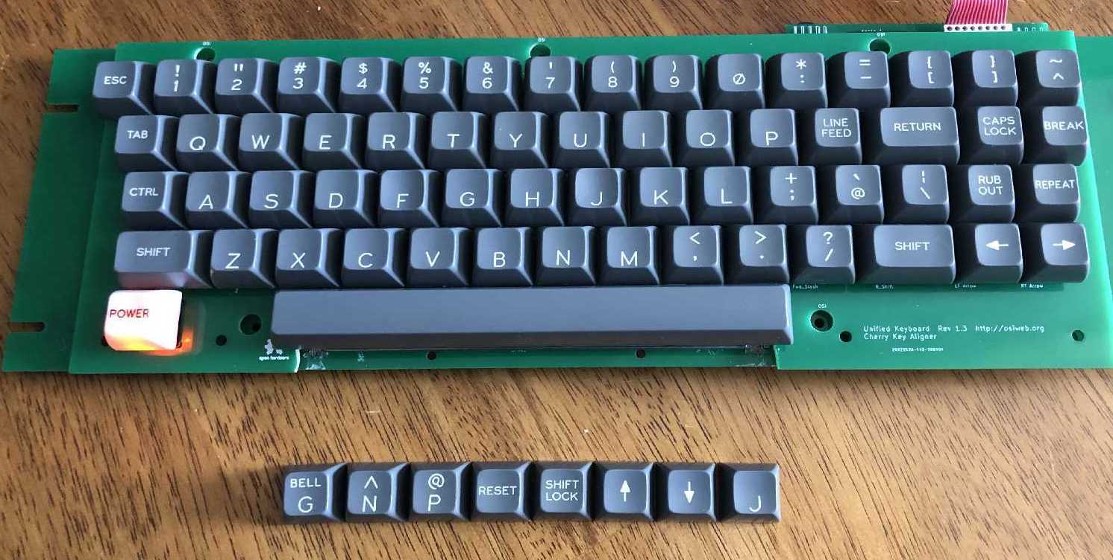
Classic Keycap set |  |  |  | Date: |  | 2022-11-18

Order specifications for Signature Plastics keycaps
Colors are specified using Signature Plastics color codes. Reference for colors: https://pimpmykeyboard.com/colors
Reference for key profiles: https://pimpmykeyboard.com/key-cap-family-specs

All keys SA Row 3
Line | Keycap Color | Legend Color | Size | Top | Top font | Bottom | Bottom Font | Centered | Centered Font | Comment
1 | NN | WFO | 1u |  |  | A | 0.187"
2 | NN | WFO | 1u |  |  | B | 0.187"
3 | NN | WFO | 1u |  |  | C | 0.187"
4 | NN | WFO | 1u |  |  | D | 0.187"
5 | NN | WFO | 1u |  |  | E | 0.187"
6 | NN | WFO | 1u |  |  | F | 0.187" |  |  | Deep Dish
7 | NN | WFO | 1u | BELL | 0.100" | G | 0.187"
8 | NN | WFO | 1u |  |  | H | 0.187"
9 | NN | WFO | 1u |  |  | I | 0.187"
10 | NN | WFO | 1u |  |  | J | 0.187" |  |  | Deep Dish
11 | NN | WFO | 1u |  |  | K | 0.187"
12 | NN | WFO | 1u |  |  | L | 0.187"
13 | NN | WFO | 1u |  |  | M | 0.187"
14 | NN | WFO | 1u | ^ | 0.187" | N | 0.187"
15 | NN | WFO | 1u |  |  | O | 0.187"
16 | NN | WFO | 1u | @ | 0.187" | P | 0.187"
17 | NN | WFO | 1u |  |  | Q | 0.187"
18 | NN | WFO | 1u |  |  | R | 0.187"
19 | NN | WFO | 1u |  |  | S | 0.187"
20 | NN | WFO | 1u |  |  | T | 0.187"
21 | NN | WFO | 1u |  |  | U | 0.187"
22 | NN | WFO | 1u |  |  | V | 0.187"
23 | NN | WFO | 1u |  |  | W | 0.187"
24 | NN | WFO | 1u |  |  | X | 0.187"
25 | NN | WFO | 1u |  |  | Y | 0.187"
26 | NN | WFO | 1u |  |  | Z | 0.187"
27 | NN | WFO | 1u | ! | 0.150" | 1 | 0.150"
28 | NN | WFO | 1u | “ | 0.150" | 2 | 0.150"
29 | NN | WFO | 1u | # | 0.150" | 3 | 0.150"
30 | NN | WFO | 1u | $ | 0.150" | 4 | 0.150"
31 | NN | WFO | 1u | % | 0.150" | 5 | 0.150"
32 | NN | WFO | 1u | & | 0.150" | 6 | 0.150"
33 | NN | WFO | 1u | ' | 0.150" | 7 | 0.150" |  |  | straight apostrophe and 7
34 | NN | WFO | 1u | ( | 0.150" | 8 | 0.150"
35 | NN | WFO | 1u | ) | 0.150" | 9 | 0.150"
36 | NN | WFO | 1u |  |  | 0 | 0.150"
37 | NN | WFO | 1u | * | 0.150" | : | 0.150"
38 | NN | WFO | 1u | = | 0.150" | - | 0.150" |  |  | equal and minus
39 | NN | WFO | 1u | + | 0.150" | ; | 0.150"
40 | NN | WFO | 1u | < | 0.150" | , | 0.150" |  |  | < and comma
41 | NN | WFO | 1u | > | 0.150" | . | 0.150" |  |  | > and period
42 | NN | WFO | 1u | ? | 0.150" | / | 0.150"
43 | NN | WFO | 1u |  |  |  |  | → | 0.230" | Right arrow
44 | NN | WFO | 1u |  |  |  |  | ← | 0.230" | Left arrow
45 | NN | WFO | 1u |  |  |  |  | ESC | 0.100"
46 | NN | WFO | 1u |  |  |  |  | CTRL | 0.100"
47 | NN | WFO | 1u |  |  |  |  | REPEAT | 0.100"
48 | NN | WFO | 1u |  |  |  |  | RESET | 0.100"
49 | NN | WFO | 1.5u |  |  |  |  | SHIFT | 0.100" | Left shift
50 | NN | WFO | 1.5u |  |  |  |  | SHIFT | 0.100" | Right shift
51 | NN | WFO | 1.5u |  |  |  |  | RETURN | 0.100"
52 | NN | n/a (no legend) | 8u |  |  |  |  |  |  | Spacebar, leveling posts 5.25" apart
53 | WEL | BLACK | 1u |  |  |  |  | POWER | 0.100" | Pad print legend (lighted key)

