Sheet3
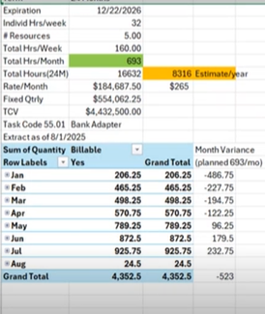

SPRINT 9 | 11
SPRINT10 | 4
SPRINT 11 | 7
SPRINT 12 | 8
SPRINT 13 | 13
 | 8.6

Stories by Sprint

