AR_Prefix
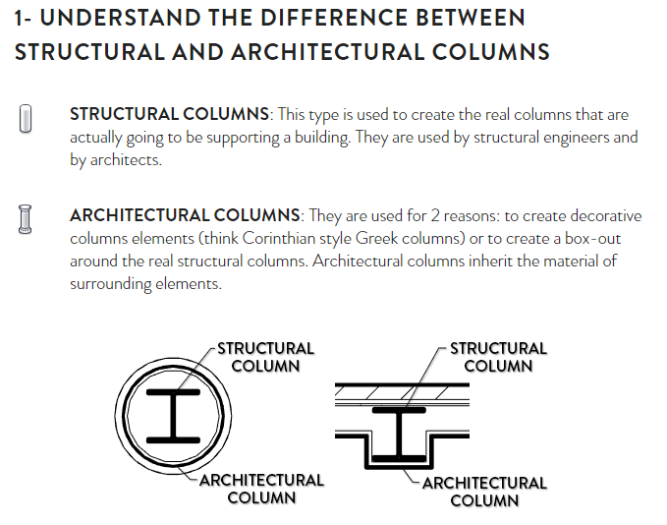
Assembly | Part | Architectural elements | Arhitektuursed elemendid | Muudatus kuupäev / Added date | Muudatus teostas / Added by | Muudatus kommentaar / Comments | https://revitpure.com/blog/8-tips-to-understand-columns-in-revit
COL |  | Column | Post
 | ACL | Architectural Column | Post (Mittekandev arhitektuurne posti kiht va.soojustus)
 | CLF | Column Finish | Posti viimistlus
IWL |  | Interior wall | Sisesein
EWL |  | Exterior wall | Välissein
WAL |  | Lightweight wall | Kergsein
 | WFR | Wall framing | Seina karkass
 | PNL | Wall Panel | Seina paneelid
 | WLF | Wall Finish (interior) | Seina viimistlus (siseruumid)
CUW |  | Curtain Wall | Rippsein, Rippfassaad
 | CWF | Curtain Wall frame | Rippseina, Rippfassaadi raam
 | CWP | Curtain Wall panel | Rippseina, Rippfassaadi paneel
 | SMC | Smoke Curtain | Suitsukardin
 | IGW | Interior glazed partition wall | Klaasvahesein
 | CLA | Cladding | Fassaadi viimistlus
ROO |  | Roofing | Katus
CNP |  | Canopy and Shading | Varikatus
ICE |  | Inserted ceiling | Vahelagi
RMP |  | Ramps | Pandus
FLO |  | Floor | Põrand
 | FFE | Floor Finish exterior | Põrandakate/viimistlus väliala
 | FFI | Floor Finish exterior | Põrandakate/viimistlus siseruumid
 | ASL | Architectural Slabs (can be ceiling, floor or roof layer exept insulation) | Plaat (Mittekandev vahelae, põranda või katuse kiht va. soojustus)
 | CLG | Suspende Ceiling | Ripplagi
 | WIN | Window | Aken
 | RWI | Roof window | Katuseaken (suitsuärastusautomaatikaga aknad)
 | RLI | Rooflight (dome) | Katuseaken / kuppel
 | RHA | Roof hatch (dome) | Katuseluuk / kuppel (suitsuärastusluuk)
 | EDO | Exterior doors | Välisuks
 | IDO | Interior doors | Siseuks
 | EOD | Exterior overhead door | Tõstuks
 | HAT | Hatch | Luuk
 | EGR | External gate | Välisrest
RLG |  | Railing | Käipuu / Piire | 2024-07-04 | Johanna Koobak; RBE | Changed prefix
EFR |  | Exterior furniture | Välisosa mööbel
WPN |  | Wall Protection | Seina kaitse
BOL |  | Bollards | Pollarid
SRO |  | Safety rope | Turvaköis
KRB |  | Kerbs | Äärekivid
LFT |  | Elevators/Lifts (incl sloped) | Lift
ECS |  | Escalators | Eskalaator | 2024-07-04 | Johanna Koobak; RBE | Changed prefix
LAD |  | Ladder | Redel
LDK |  | Loading Dock | Laadimisdokk
AWI |  | Artwork interior | Kunst siseosa
AWE |  | Artwork exterior | Kunst välisosa
 |  |  | reklaamtahvel
GEN |  | Generic Models | Generic Models
OPN |  | Opening | Ava
SFT |  | Shaft | Šaht
NOV |  | Decor | Kujundus
SOL |  | Solar panel | Päikesepaneel
Assembly | Part | WOODEN ELEMENTS | PUITELEMENT | Muudatus kuupäev | Muudatus teostas | Muudatus kommentaar
WCL |  | Wooden Column | Puidust post
WBM |  | Wooden Beam | Puidust talad
GCL |  | Glulam Column | Liimpuit post
GBM |  | Glulam Beam | Liimpuit talad
Assembly | Part | STEEL ELEMENTS | TERASELEMENT | Muudatus kuupäev | Muudatus teostas | Muudatus kommentaar
SCL | SCP | Steel Column | Teras post
SBC | SBRP | Steel Brace (tie) | Side (diagonaal)
SBM | SBP | Steel beam | Terastala
HRB | HRBP | Crane beam | Kraanatala
HQ | HQP | HQ beam | HQ tala
WQ | WQP | WQ beam | WQ tala
DB | DBP | Deltabeam (Peikko) | Delta tala
SP | SPP | Steel sheet | Terasleht
TRS | TRP | Truss | Sõrestik
SR | SRP | Steel Rod | Teras varras
SSB | SSP | Load bearing stair beam | Trepi kandetala | 2024-07-04 | Johanna Koobak; RBE | Changed prefix
ST | STP | Stair step | Trepiaste
STA | STAP | Stair assembly | Trepi koost
STC | STCP | Stair assembled at construction site | Trepi koost töömaal kokku panna
SL | SLP | Steel ladded | Terastrepp
CD | CDP | Cast unit detail (Embed) | RB-elementidesse valatavad taridetailid - custom tellitud tegemine - (tehases)
PCD |  | Cast unit detail (Embed) - as ready product | RB-elementidesse valatavad taridetailid - valmis tooted - (tehases)
MD | MDP | Montage detail | Montaažidetailid - custom tellitud tegemine - (kõik mis paigaldatakse töömaal)
PMD |  | Montage detail - as ready product | Montaažidetailid - valmis tooted - (kõik mis paigaldatakse töömaal)
Cast Unit | Part | CONCRETE ELEMENT | RAUDBETOON ELEMENT | Muudatus kuupäev | Muudatus teostas | Muudatus kommentaar
CBM |  | Concrete beam | Raudbetoon tala
CBP |  | Concrete beam, prestressed | Raudbetoon eelpinge tala
IB |  | I-beam | I-Tala
OC |  | Round column | Ring ristlõikega post
RC |  | Rectangle column | Ristkülikulise ristlõikega post
HCS |  | Hollow core slab | Õõnespaneel
TT |  | TT-slab | TT-Plaat
TEK |  | TEK-slab | TEK-Plaat
S |  | Solid slab | Plaat
PS |  | Prestress slab | Eelpingeplaat
BS |  | Balcony slab | Rõduplaat
STRS |  | Stair slab / Landing | Trepi plaat / Trepimade
STR |  | Stair element | Trepi element
SW |  | Sandwich wall | Kolmekihiline sein
OS |  | Outer shell (of Sandwich wall) | Väliskiht (kolmekihiline sein)
INS |  | Insulation (of Sandwich wall) | Soojustus (kolmekihiline sein)
IS |  | Inner shell (of Sandwich wall) | Sisekiht (kolmekihiline sein)
W |  | One layer solid wall | Ühekihiline sein
V |  | Shell wall | Koorikelement
RWL |  | Retaining wall | Pinnasesurvesein
Cast Unit | Part | CAST IN SITU | MONOLIIT RAUDBETOON | Muudatus kuupäev | Muudatus teostas | Muudatus kommentaar
SPF |  | Pad footing | Posti taldmik
SSF |  | Strip footing | Lintvundament
SPC |  | Pile cap | Vaia rostvärk
SSB |  | Strap (plinth) beam | Lintrostvärk
SPIL |  | Pile | Vai
SMF |  | Machine foundation in a factory | Masina vundament tehases
SRC |  | Rectangular Column | Ristkülikulise ristlõikega post
SOC |  | Round Column | Ring ristlõikega post
SRB |  | Beam | Tala
SL |  | Lintel | Sillus
SCC |  | Composite column | Komposiit post
SCB |  | Composite beam | Komposiit tala
SCS |  | Composite slab | Komposiit plaat
SS |  | Slab | Plaat
SGS |  | Solid slab on ground | Plaat Pinnasel
STS |  | Solid slab on a plank or hollow core slab | Pealevalu plaat
SLW |  | Solid wall | Sein
SBRW |  | Brick wall | Tellis sein
SBLW |  | Block wall | Plokk sein
SINS |  | Thermal insulation | Soojustus
SSTR |  | Stair | Trepp
SSTRS |  | Landing | Trepimade
SGPW |  | Retaining wall | Pinnasesurvesein

 |  | New Category Code
 |  | Changed Category Code

