Color sheet
ARTICLE COLOR REPORT |  |  |  |  |  |  | PROJECT LEADING DEPARTMENT

ARTICLE RECORD
Report No |  | CD072400.XLS | Page |  | 1 of 1
Date |  | 2007-09-12 | Issued by |  | BOSMANSD
GENERAL INFORMATION
Article No |  |  |  | Trademark |  |  | PHI |  | Article Picture
Product Group | lighting products/decorative/wall lamps |  |  | Project No |  |  | 72400
Client Ref No |  |  |  | Marketing cat.
Family | R1
Meeting name | 08PO1 - POWERLED 2008
Project leader | Andre Van Dijk
Designer | Koen Heyrman
 | checked and approved by Marijn Cobbaert 8-12-09

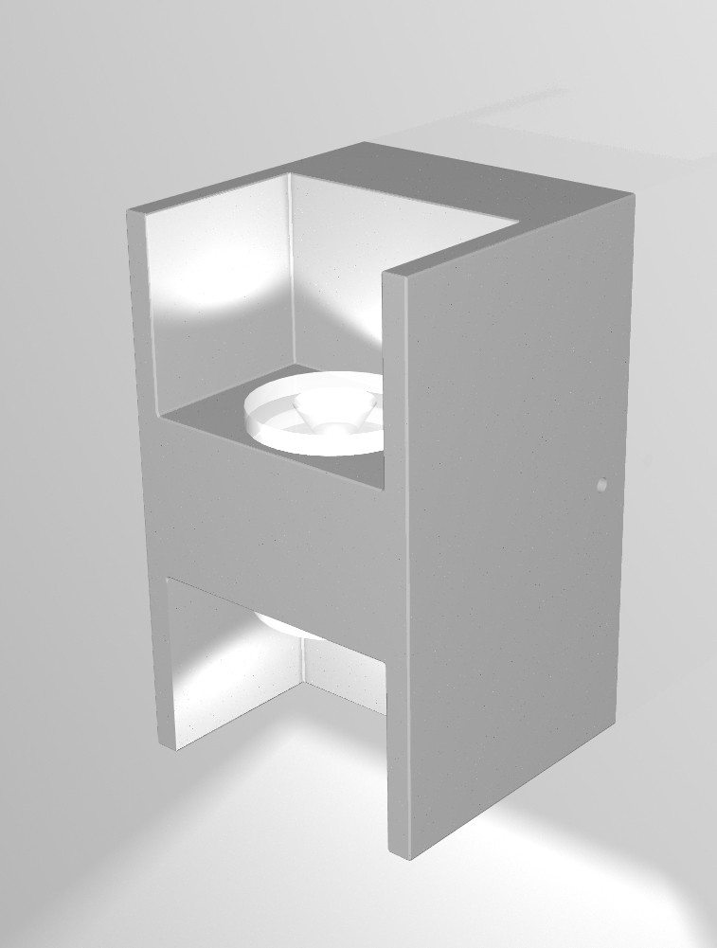
1
WORK IMAGE |  |  |  |  |  | COLORS
 |  |  |  |  |  | No. | Color 1 | Color 2 |  | Color 3 | Color 4
 |  |  |  |  |  | Com. | 31 | 87
 |  |  |  |  |  | 1 | A309 | F263
 |  |  |  |  |  | 2 | 60 | 60
 |  |  |  |  |  | 3 | K309 | K263
 |  |  |  |  |  | 4
 |  |  |  |  |  | 5
 |  |  |  |  |  | 6
 |  |  |  |  |  | 7
 |  |  |  |  |  | 8
 |  |  |  |  |  | 9
 |  |  |  |  |  | 10
 |  |  |  |  |  | 11
 |  |  |  |  |  | 12
 |  |  |  |  |  | 13
 |  |  |  |  |  | 14
 |  |  |  |  |  | 15
 |  |  |  |  |  | 16
 |  |  |  |  |  | 17
 |  |  |  |  |  | 18
 |  |  |  |  |  | 19
 |  |  |  |  |  | 20
 |  |  |  |  |  | 21
 |  |  |  |  |  | 22
 |  |  |  |  |  | 23
2 tull
 |  |  |  |  |  | 24
 |  |  |  |  |  | 25
 |  |  |  |  |  | 26
3 Cover
 |  |  |  |  |  | 27
 |  |  |  |  |  | 28
 |  |  |  |  |  | 29
 |  |  |  |  |  | 30
 |  |  |  |  |  | 31
 |  |  |  |  |  | 32
 |  |  |  |  |  | 33
 |  |  |  |  |  | 34

