pinout
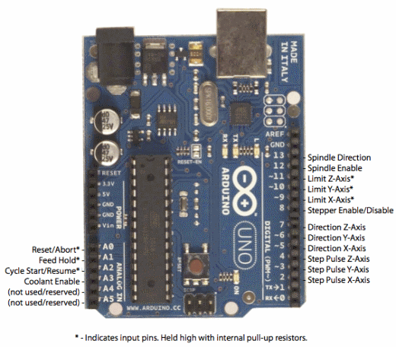
Arduino Pin Number | Input/Output | Function | CNC Shield Pin | iCat Pin
0 | Digital I/O | RX (Serial Input)
1 | Digital I/O | TX (Serial Output)
2 | Digital I/O |  | STEP X | Driver - STEP X
3 | Digital I/O | PWM | STEP Y | MOSFET - PWM
4 | Digital I/O |  | STEP Z | Driver - STEP Y
5 | Digital I/O | PWM | DIR X | Driver - DIR X
6 | Digital I/O | PWM | DIR Y | LED - PWM
7 | Digital I/O |  | DIR Z | Driver - DIR Y
8 | Digital I/O |  | EN | Driver - EN
9 | Digital I/O | PWM | X Endstop
10 | Digital I/O | PWM | Y Endstop | Arducam - CS
11 | Digital I/O | PWM | Z Endstop | Arducam - MOSI
12 | Digital I/O |  | SpnEn | Arducam - MISO
13 | Digital I/O |  | SpnDir | Arducam - SCK
A0 | Analog Input, Digital I/O |  | Abort | Thermistor - NTC
A1 | Analog Input, Digital I/O |  | Hold | Zeiss - IN
A2 | Analog Input, Digital I/O |  | Resume
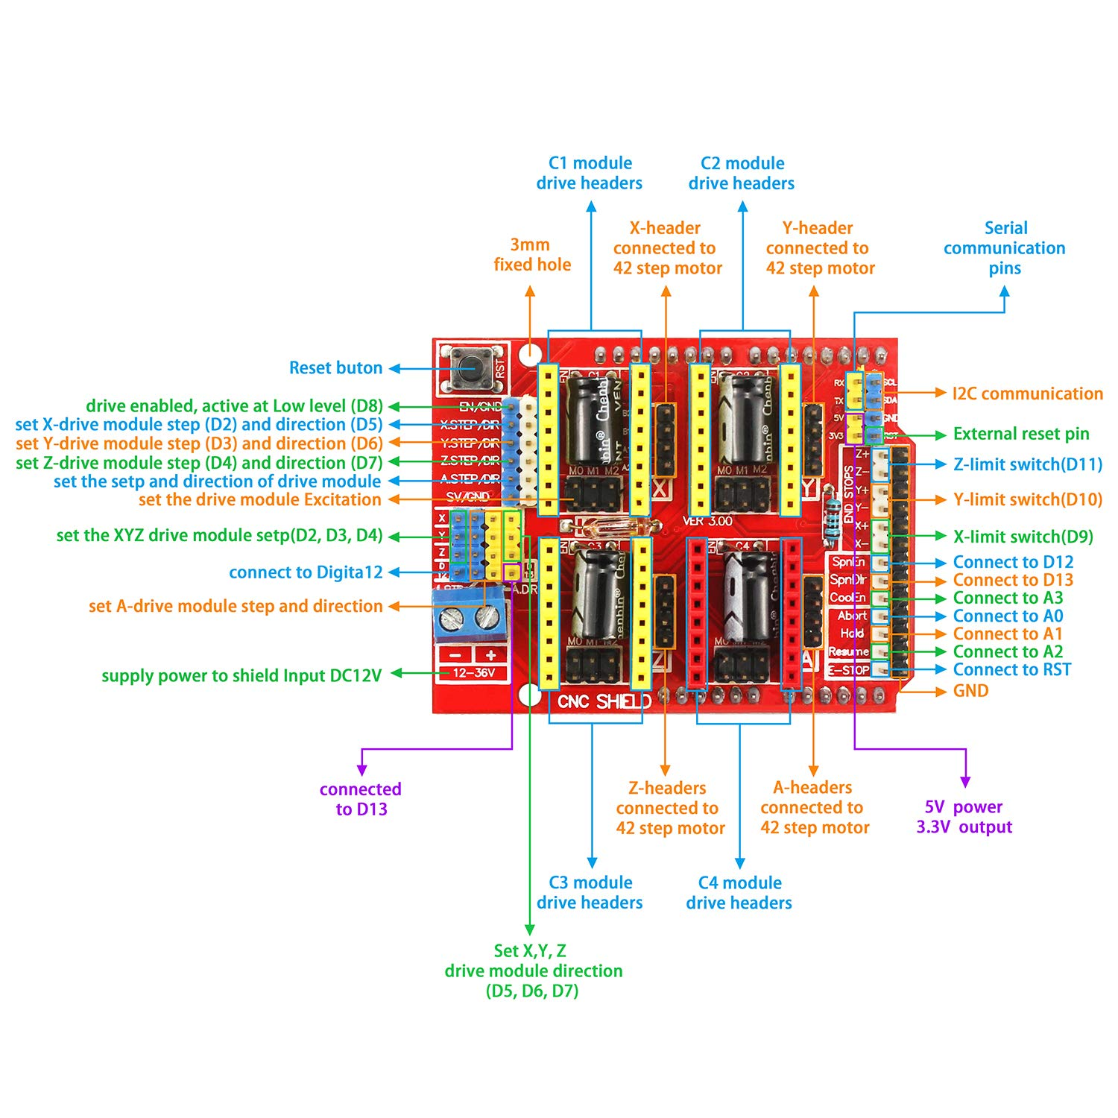
A3 | Analog Input, Digital I/O |  | Coolant
A4 | Analog Input, Digital I/O |  | SDA | Arducam - SDA
A5 | Analog Input, Digital I/O |  | SCL | Arducam - SCL
AREF | Analog Input | Analog Reference
GND |  | Ground
RESET |  | Reset
3.3V |  | 3.3V Output
5V |  | 5V Output
VIN |  | Voltage Input

