Sheet13
2x2 Basic Problem 09
2x2
6
A |  |  | B |  |  | 1 |  |  | 4
 | A |  |  | D |  |  | H |  |  | N
 |  | shape:circle |  |  | shape:circle |  |  | shape:circle |  |  | shape:circle
 |  | size:large |  |  | size:large |  |  | size:medium |  |  | size:small
 | B |  |  | E |  |  | I
 |  | shape:circle |  |  | shape:circle |  |  | shape:circle
 |  | size:medium |  |  | size:medium |  |  | size:small
 |  | inside:A |  |  | inside:D |  |  | inside:H
 | C |  |  |  |  | 2 |  |  | 5
 |  | shape:circle |  |  |  |  | J |  |  | O
 |  | size:small |  |  |  |  |  | shape:circle |  |  | shape:circle
 |  | inside:A,B |  |  |  |  |  | size:large |  |  | size:medium
 |  |  |  |  |  |  | K
C |  |  |  |  |  |  |  | shape:circle
 | F |  |  |  |  |  |  | size:small
 |  | shape:circle |  |  |  |  |  | inside:J
 |  | size:large |  | ? |  | 3 |  |  | 6
 | G |  |  |  |  |  | L |  |  | P
 |  | shape:circle |  |  |  |  |  | shape:circle |  |  | shape:circle
 |  | size:small |  |  |  |  |  | size:large |  |  | size:large
 |  | inside:F |  |  |  |  | M
 |  |  |  |  |  |  |  | shape:circle
 |  |  |  |  |  |  |  | size:medium
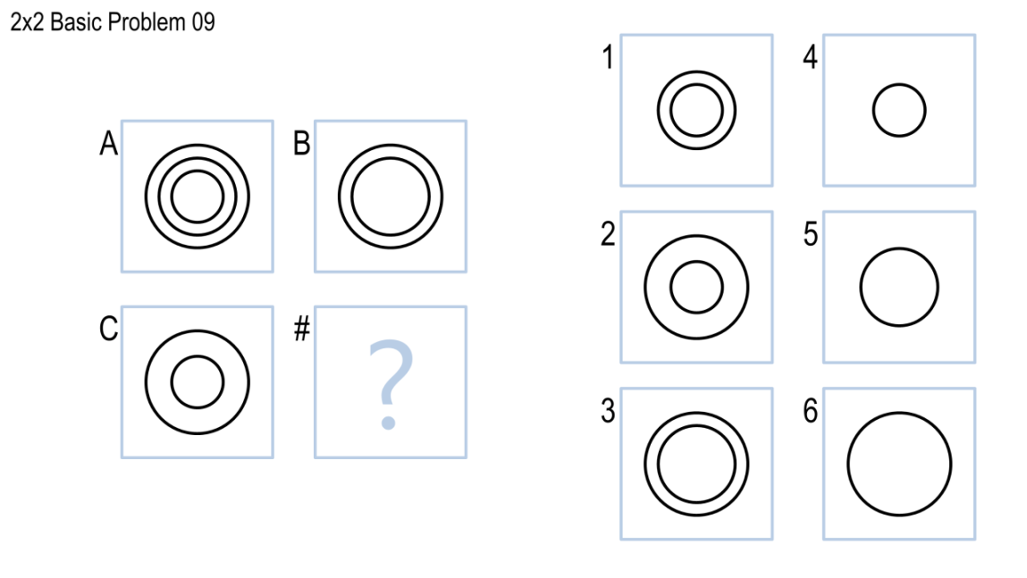
 |  |  |  |  |  |  |  | inside:L

