Images
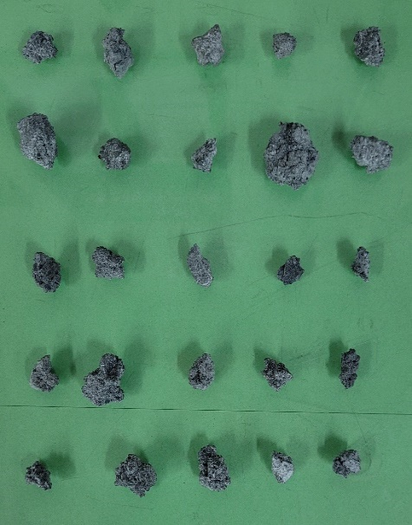
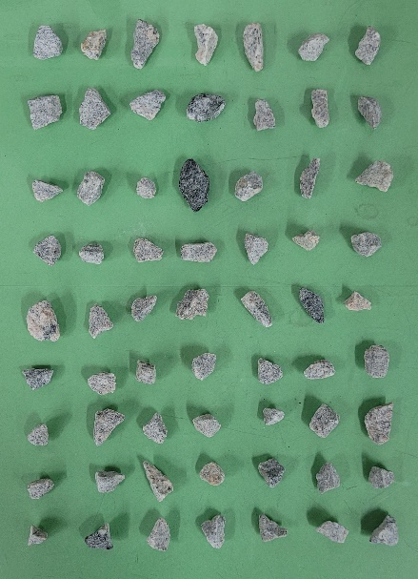
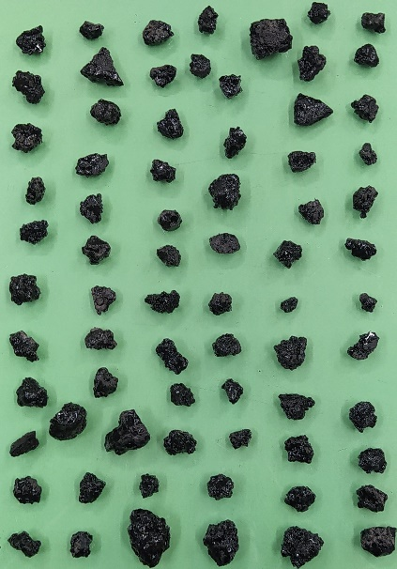
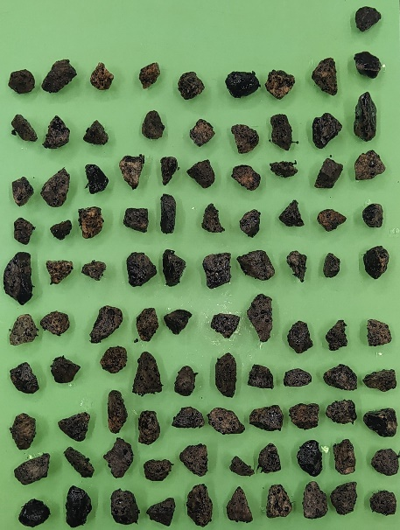
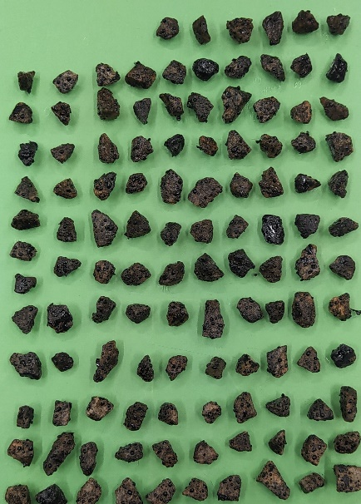
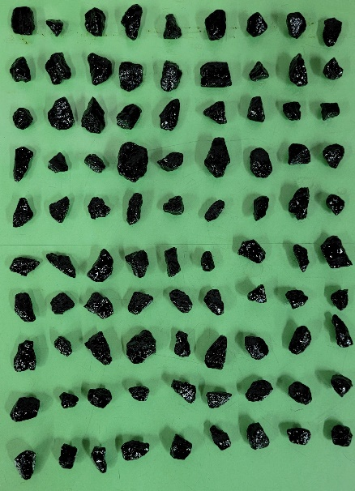

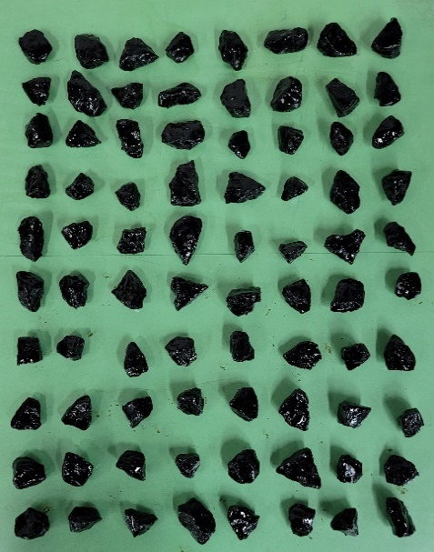
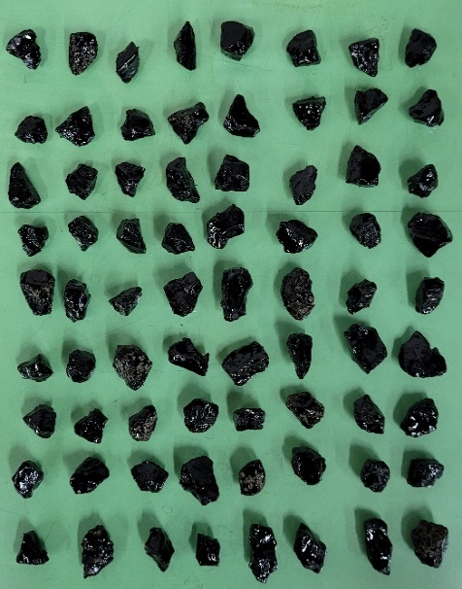
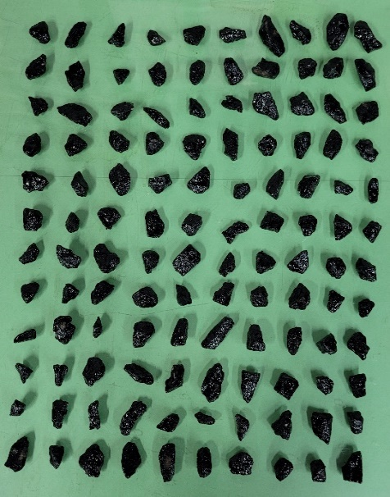
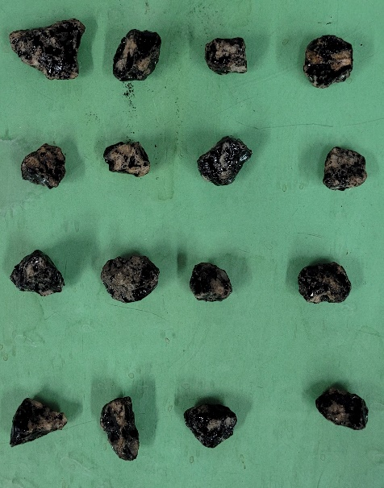
LEGEND
A1 - Slag Aggregates
A2 - Pyla Aggregates
A3 - Slag Aggregates + pure binder (CAP 50/70)
A4 - Pyla Aggregates + pure binder (CAP 50/70)
A5 - Pyla Aggregates + pure binder (CAP 50/70)
A6 - Pyla Aggregates + pure binder (CAP 50/70)
A7 - OCS Aggregates + modified binder (CAP 50/70 + LCC 1%)
A8 - Pyla Aggregates + modified binder (CAP 50/70 + LCC 1%)
A9 - Pyla Aggregates + modified binder (AMP 60/85-E)
A10 - Pyla Aggregates + pure binder [CAP 50/70 (pouco coberto)]

Histograms
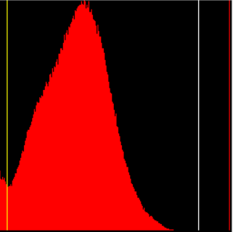
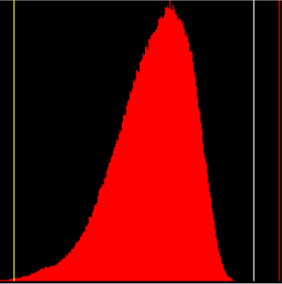
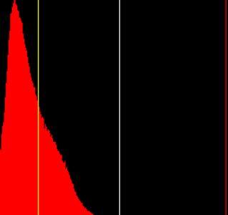
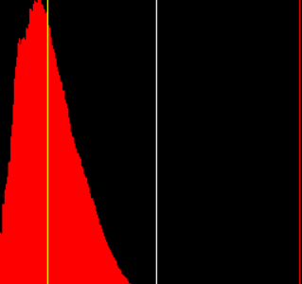
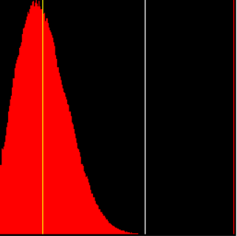

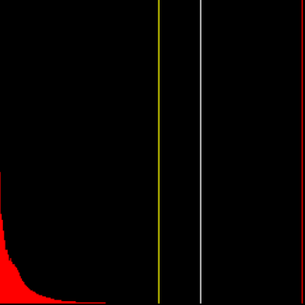
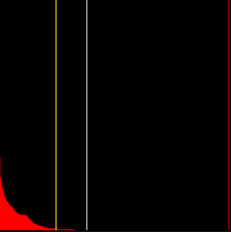
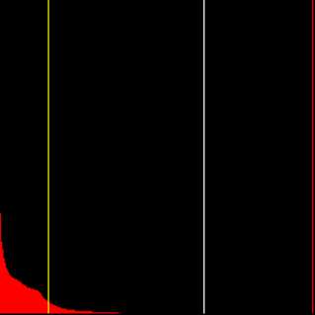
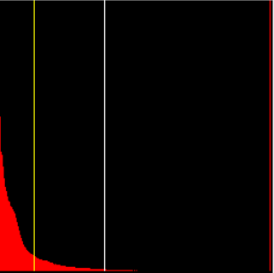
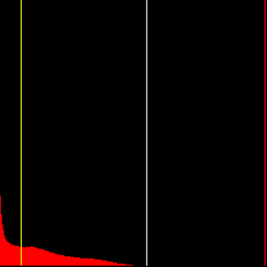

Scatters
 |  |  | média
1 | 5.2631578947 | 0 | 2.6083048804
2 | 4.2695106292 | 25 | 2.6083048804
3 | 1.8209996126
4 | 2.9345689413
5 | 8.0284783761
6 | 9.0319939969
7 | 1.4274981217
8 | 5.000291053
9 | 4.3384697131
10 | 5.1613368945
11 | 2.3975623446
12 | 3.31138377
13 | 2.125649504
14 | 2.3450413223
15 | 0.22199556009
16 | 0.65478355766
17 | 0.96982174785
18 | 0.12329611617
19 | 1.6903969428
20 | 0.67745197169
21 | 0.3536544291
22 | 0.82579835886
23 | 1.0088765495
24 | 1.1850421348
25 | 0.040562466198
 |  |  | média
1 | 0.27119869825 | 0 | 0.12909251421
2 | 1.1282051282 | 63 | 0.12909251421
3 | 0.13859275053
4 | 0
5 | 0.0078932828163
6 | 0.1542892409
7 | 0
8 | 0
9 | 0.10718113612
10 | 0
11 | 0
12 | 0
13 | 0.15514003429
14 | 0.3297449326
15 | 0
16 | 0
17 | 0
18 | 0.22312090364
19 | 0
20 | 0.044836347332
21 | 0.027510316369
22 | 0.10684798446
23 | 0.30978315179
24 | 0.1402703392
25 | 0
26 | 0.020924879682
27 | 0
28 | 0
29 | 0
30 | 0.084127874369
31 | 0
32 | 0
33 | 0.056689342404
34 | 0.032206119163
35 | 1.2758468984
36 | 0.073646741132
37 | 0.016196954972
38 | 0
39 | 0.061543871989
40 | 0
41 | 0
42 | 0
43 | 0
44 | 0
45 | 0.0083395880244
46 | 0
47 | 0
48 | 2.5196377216
49 | 0
50 | 0
...
 |  |  | média
1 | 78.00396325 | 0 | 65.521069684
2 | 58.592440886 | 73 | 65.521069684
3 | 59.925593819
4 | 70.229118329
5 | 73.746930521
6 | 81.181181181
7 | 79.862949696
8 | 71.318481155
9 | 68.842135394
10 | 69.863469863
11 | 74.9676752
12 | 75.755179503
13 | 71.486304445
14 | 72.355934534
15 | 80.031262212
16 | 75.20771911
17 | 63.951285521
18 | 72.221855398
19 | 77.517332453
20 | 69.098651526
21 | 69.013524264
22 | 80.926264473
23 | 66.63938898
24 | 75.525955434
25 | 63.302752294
26 | 72.567424643
27 | 63.523678356
28 | 62.158422691
29 | 53.214059531
30 | 58.866491382
31 | 54.693814113
32 | 66.195190948
33 | 61.577116351
34 | 61.966927763
35 | 76.964811657
36 | 39.594972067
37 | 68.512435476
38 | 58.770949721
39 | 66.917161832
40 | 75.700589971
41 | 62.016
42 | 34.070199123
43 | 71.869045557
44 | 58.709245199
45 | 50.11732499
46 | 61.860783308
47 | 58.903420523
48 | 60.890194306
49 | 67.879548306
50 | 67.016017402
...
 |  |  | média
1 | 87.957818347 | 0 | 52.855816468
2 | 75.561533289 | 99 | 52.855816468
3 | 53.886079319
4 | 66.223149839
5 | 47.646057856
6 | 86.05215282
7 | 39.741976086
8 | 64.157585918
9 | 50.301555391
10 | 28.783411015
11 | 61.84905122
12 | 57.870593916
13 | 35.455803836
14 | 36.803377563
15 | 68.789903489
16 | 42.420779221
17 | 56.565517241
18 | 70.714865963
19 | 40.751964085
20 | 42.660080157
21 | 43.508662075
22 | 64.991877466
23 | 56.395816573
24 | 65.406135443
25 | 36.963465762
26 | 50.736870311
27 | 48.71409987
28 | 49.85311718
29 | 51.422001694
30 | 53.799126638
31 | 46.564785789
32 | 38.91533492
33 | 53.015690226
34 | 57.109726047
35 | 51.686002385
36 | 59.070898981
37 | 80.253097812
38 | 69.41743161
39 | 64.601429779
40 | 55.694108665
41 | 58.39300886
42 | 57.614332862
43 | 26.768564859
44 | 19.086859688
45 | 48.716269321
46 | 36.015484585
47 | 77.71233726
48 | 49.519770488
49 | 46.775658492
50 | 33.425056653
...
 |  |  | média
1 | 46.173340091 | 0 | 53.850009319
2 | 74.408445577 | 117 | 53.850009319
3 | 34.662045061
4 | 37.431469298
5 | 29.419163046
6 | 31.952098347
7 | 43.756762605
8 | 39.452571968
9 | 31.076021488
10 | 32.98157318
11 | 58.022158391
12 | 52.469281664
13 | 38.246589856
14 | 52.130809836
15 | 44.180944421
16 | 46.264009963
17 | 61.707535885
18 | 59.352434195
19 | 56.309863888
20 | 65.308475879
21 | 64.893806889
22 | 55.477197931
23 | 70.147679325
24 | 41.931453052
25 | 34.946083995
26 | 56.934511289
27 | 34.181126694
28 | 58.681384248
29 | 42.944184528
30 | 53.814191349
31 | 50.479679051
32 | 46.298275073
33 | 71.35030046
34 | 54.703282828
35 | 85.73841246
36 | 49.364461738
37 | 33.233618234
38 | 35.701959192
39 | 75.404020497
40 | 56.396843692
41 | 39.865190178
42 | 66.331964096
43 | 62.789185171
44 | 69.097813277
45 | 75.837683112
46 | 43.404641943
47 | 44.428904429
48 | 69.150995575
49 | 38.375057951
50 | 50.058479532
...

 |  |  | média
1 | 96.694599628 | 0 | 98.949965094
2 | 97.766687461 | 90 | 98.949965094
3 | 99.565936337
4 | 98.087253785
5 | 99.362999363
6 | 96.597474856
7 | 98.505785867
8 | 99.942501198
9 | 98.381455876
10 | 99.305820915
11 | 99.49462015
12 | 96.110601193
13 | 99.608464622
14 | 98.773570443
15 | 99.576041855
16 | 99.336650083
17 | 96.931659693
18 | 99.237821717
19 | 97.378980067
20 | 97.776762601
21 | 98.452420151
22 | 99.636056411
23 | 99.197055872
24 | 98.763134851
25 | 99.335976214
26 | 99.170747117
27 | 98.614360266
28 | 99.820931158
29 | 98.63206441
30 | 97.523920824
31 | 98.860290626
32 | 98.837920489
33 | 99.071604938
34 | 99.921000658
35 | 99.176516179
36 | 96.534576535
37 | 98.18011257
38 | 98.938447814
39 | 99.610037301
40 | 99.240485429
41 | 98.038825946
42 | 99.96586254
43 | 99.126637555
44 | 98.088174701
45 | 99.259179149
46 | 99.832472428
47 | 98.858264205
48 | 98.960370561
49 | 99.671592775
50 | 100
...
 |  |  | média
1 | 93.925489659 | 0 | 96.453933695
2 | 91.721379519 | 80 | 96.453933695
3 | 98.280869402
4 | 94.613799089
5 | 97.09605847
6 | 97.398879142
7 | 95.620327147
8 | 96.141909247
9 | 96.686776778
10 | 97.307448159
11 | 94.189060156
12 | 93.429120527
13 | 95.483666014
14 | 97.685994888
15 | 97.595887304
16 | 97.503154514
17 | 93.468631715
18 | 94.032099574
19 | 97.43618896
20 | 95.962689684
21 | 95.474392259
22 | 95.997536946
23 | 95.871693702
24 | 97.462260787
25 | 97.658316477
26 | 97.100302202
27 | 96.682753647
28 | 98.138594534
29 | 95.65785381
30 | 97.014328024
31 | 98.195
32 | 97.227736812
33 | 93.931034483
34 | 96.299184261
35 | 97.740477728
36 | 93.549749593
37 | 96.353349765
38 | 96.591895803
39 | 96.416332126
40 | 97.92440352
41 | 91.206589492
42 | 91.081925055
43 | 95.492886179
44 | 94.546997666
45 | 98.211634499
46 | 96.179129006
47 | 97.749255952
48 | 96.22807368
49 | 96.858732723
50 | 97.173258813
...
 |  |  | média
1 | 92.592286729 | 0 | 85.036497276
2 | 92.963044921 | 72 | 85.036497276
3 | 91.064318013
4 | 82.397531952
5 | 85.347137637
6 | 84.499250297
7 | 79.442695939
8 | 87.519194677
9 | 92.845182895
10 | 73.866060003
11 | 71.171619508
12 | 82.184441746
13 | 79.635407108
14 | 94.845130269
15 | 94.772901302
16 | 93.03766509
17 | 94.028972719
18 | 79.171038825
19 | 69.899326429
20 | 88.369730828
21 | 87.408411121
22 | 85.219683656
23 | 90.194697067
24 | 79.806459135
25 | 72.086005281
26 | 88.878416588
27 | 64.676683065
28 | 85.127449777
29 | 92.004240598
30 | 92.216075496
31 | 94.568565662
32 | 92.07002678
33 | 71.799665453
34 | 87.027991006
35 | 81.165230173
36 | 82.529106939
37 | 87.793182034
38 | 78.471615721
39 | 75.103357037
40 | 86.945575091
41 | 81.932532876
42 | 88.396733132
43 | 92.291897891
44 | 78.573655495
45 | 78.811153782
46 | 83.607649763
47 | 94.825656122
48 | 89.387639388
49 | 82.987848463
50 | 84.748929545
...
 |  |  | média
1 | 87.041884817 | 0 | 84.872979088
2 | 83.828382838 | 113 | 84.872979088
3 | 91.851629674
4 | 83.569364162
5 | 87.006975683
6 | 83.03061754
7 | 95.316315205
8 | 86.191819464
9 | 75.829161452
10 | 89.242402625
11 | 89.018116752
12 | 89.337286028
13 | 84.089644759
14 | 79.65222269
15 | 74.423662462
16 | 85.471320587
17 | 79.440292574
18 | 89.568278673
19 | 78.49069727
20 | 86.586396282
21 | 87.080103359
22 | 88.140571197
23 | 74.868559411
24 | 90.131246845
25 | 81.909482196
26 | 90.37579307
27 | 88.814043682
28 | 84.920998397
29 | 84.771215481
30 | 86.763930392
31 | 88.481618447
32 | 80.833948339
33 | 83.972524327
34 | 79.926710098
35 | 93.415710503
36 | 86.384335155
37 | 82.605794891
38 | 78.539823009
39 | 95.053174347
40 | 87.152658662
41 | 90.10257832
42 | 89.101567173
43 | 91.137776493
44 | 90.068950178
45 | 84.64562507
46 | 83.28336731
47 | 89.28173276
48 | 85.049261084
49 | 80.930232558
50 | 77.163882724
...
 |  |  | média
1 | 61.700961586 | 0 | 46.728159159
2 | 49.812246901 | 16 | 46.728159159
3 | 44.798559874
4 | 60.48549307
5 | 52.524509804
6 | 55.516022967
7 | 35.386167562
8 | 43.623905596
9 | 32.082996012
10 | 35.576864904
11 | 31.096853705
12 | 51.517460651
13 | 37.000203652
14 | 53.856863172
15 | 54.726993437
16 | 47.944443652

Distributions
A1
 | Normal | Observed
 | 14.473612019 | 4
 | 23.072387393 | 48
 | 28.89128082 | 20
 | 21.387669506 | 20
 | 9.3563565406 | 0
 | 2.4162202893 | 8
 | 0.40247343218 | 0
A2
 | Normal | Observed
(0,00; 0] | 36.988654554 | 60.317460317
(0; 0,31] | 31.386725499 | 31.746031746
(0,31; 0,63] | 21.747713905 | 1.5873015873
(0,63; 0,94] | 8.0859414751 | 1.5873015873
(0,94; 1,26] | 1.6098731043 | 1.5873015873
(1,26; 1,57] | 0.17111943481 | 1.5873015873
(1,57; 1,89] | 0.0096772492177 | 0
(1,89; 2,2] | 0.00029014425367 | 0
(2,2; 2,52] | 4.5966290774E-06 | 1.5873015873
(2,52; ∞) | 3.8534209157E-08 | 0
A3
 | Normal | Observed
(0,00; 34,07] | 0.039506291584 | 1.3698630137
(34,07; 39,3] | 0.21788607331 | 0
(39,3; 44,54] | 1.0002852392 | 1.3698630137
(44,54; 49,77] | 3.3859183631 | 2.7397260274
(49,77; 55,01] | 8.4528893291 | 6.8493150685
(55,01; 60,24] | 15.566933345 | 16.438356164
(60,24; 65,48] | 21.151182214 | 16.438356164
(65,48; 70,71] | 21.204745165 | 24.657534247
(70,71; 75,95] | 15.685507474 | 20.547945205
(75,95; 81,18] | 8.5604895695 | 9.5890410959
(81,18; ∞) | 4.7346569359 | 0
A4
 | Normal | Observed
(0,00; 19,09] | 0.91037808619 | 1.0101010101
(19,09; 25,97] | 2.096564379 | 1.0101010101
(25,97; 32,86] | 5.0960284295 | 3.0303030303
(32,86; 39,75] | 9.8650864919 | 15.151515152
(39,75; 46,64] | 15.210517436 | 12.121212121
(46,64; 53,52] | 18.680145588 | 23.232323232
(53,52; 60,41] | 18.273380351 | 14.141414141
(60,41; 67,3] | 14.238325329 | 15.151515152
(67,3; 74,18] | 8.8366807946 | 6.0606060606
(74,18; 81,07] | 4.3680604542 | 6.0606060606
(81,07; 87,96] | 1.7195980717 | 3.0303030303
(87,96; ∞) | 0.70523458885 | 0

A5
 | Normal | Observed
(0,00; 29,42] | 3.3765730993 | 0.8547008547
(29,42; 34,54] | 4.0462598359 | 5.9829059829
(34,54; 39,66] | 6.9914894252 | 9.4017094017
(39,66; 44,78] | 10.449794153 | 11.111111111
(44,78; 49,9] | 13.510529977 | 14.52991453
(49,9; 55,02] | 15.110073268 | 12.820512821
(55,02; 60,14] | 14.618121437 | 16.239316239
(60,14; 65,26] | 12.233394843 | 6.8376068376
(65,26; 70,38] | 8.8558617249 | 8.547008547
(70,38; 75,5] | 5.5454834182 | 6.8376068376
(75,5; 80,62] | 3.0037756907 | 4.2735042735
(80,62; 85,74] | 1.4073700392 | 2.5641025641
(85,74; ∞) | 0.8512730895 | 0
A6
 | Normal | Observed
(0,00; 96,11] | 0.05837698487 | 1.1111111111
(96,11; 96,54] | 0.23729575309 | 1.1111111111
(96,54; 96,97] | 0.90039365341 | 3.3333333333
(96,97; 97,41] | 2.6885225792 | 2.2222222222
(97,41; 97,84] | 6.318089657 | 5.5555555556
(97,84; 98,27] | 11.686672876 | 5.5555555556
(98,27; 98,7] | 17.016107707 | 7.7777777778
(98,7; 99,14] | 19.503531006 | 16.666666667
(99,14; 99,57] | 17.597747335 | 31.111111111
(99,57; 100] | 12.499318809 | 25.555555556
(100; ∞) | 11.493943639 | 0
A7
 | Normal | Observed
(0,00; 91,08] | 0.05425764566 | 1.25
(91,08; 91,9] | 0.22471513138 | 2.5
(91,9; 92,71] | 0.86457601982 | 0
(92,71; 93,53] | 2.6131787331 | 2.5
(93,53; 94,34] | 6.2055995795 | 6.25
(94,34; 95,16] | 11.579522398 | 3.75
(95,16; 95,97] | 16.979392401 | 11.25
(95,97; 96,79] | 19.565839136 | 23.75
(96,79; 97,6] | 17.718510915 | 21.25
(97,6; 98,42] | 12.609651071 | 27.5
(98,42; ∞) | 11.584756971 | 0
A8
 | Normal | Observed
(0,00; 64,68] | 0.30104834285 | 1.3888888889
(64,68; 68,48] | 0.97525729336 | 1.3888888889
(68,48; 72,29] | 2.9948133168 | 5.5555555556
(72,29; 76,09] | 7.1050262478 | 6.9444444444
(76,09; 79,9] | 13.024481534 | 11.111111111
(79,9; 83,7] | 18.449843241 | 9.7222222222
(83,7; 87,51] | 20.196915693 | 20.833333333
(87,51; 91,31] | 17.086121956 | 18.055555556
(91,31; 95,12] | 11.170100028 | 25
(95,12; ∞) | 8.6963923469 | 0

A9
 | Normal | Observed
(0,00; 68,24] | 0.15183429051 | 0.88495575221
(68,24; 70,7] | 0.42610976176 | 0
(70,7; 73,17] | 1.2679743629 | 1.7699115044
(73,17; 75,63] | 3.1217292498 | 5.3097345133
(75,63; 78,09] | 6.3591261053 | 5.3097345133
(78,09; 80,55] | 10.718514989 | 9.7345132743
(80,55; 83,01] | 14.949266747 | 5.3097345133
(83,01; 85,47] | 17.252884584 | 21.238938053
(85,47; 87,93] | 16.476454753 | 18.584070796
(87,93; 90,39] | 13.020416249 | 18.584070796
(90,39; 92,86] | 8.5141048772 | 7.0796460177
(92,86; 95,32] | 4.6067580577 | 6.1946902655
(95,32; ∞) | 3.1348259728 | 0
A10
 | Normal | Observed
(0,00; 31,1] | 5.8569847655 | 6.25
(31,1; 38,75] | 15.33004065 | 25
(38,75; 46,4] | 27.496528408 | 12.5
(46,4; 54,05] | 28.16717822 | 31.25
(54,05; 61,7] | 16.479992594 | 25
(61,7; ∞) | 6.6692753622 | 0
H0: Há indícios de normalidade;
H1: Não há indícios de normalidade;
VERDE - Qui-quadrado aceita H0;
VERMELHO - Qui-quadrado rejeita H0.

Statistical
 |  |  |  |  |  |  |  |  |  |  |  | Samples order
 | Estatística descritiva | A1 | A2 | A3 | A4 | A5 | A6 | A7a | A8a | A9a | A10 |  | Samples | A1 | A2 | A3 | A4 | A5 | A6 | A7 | A8 | A9 | A10
 | Binder thresholdb | 10 | 15 | 45 | 42 | 48 | 135 | 64 | 41 | 34 | 22 |  | Average with brightness | 2.61 | 0.13 | 65.52 | 52.86 | 53.85 | 98.95 | 96.45 | 85.04 | 84.87 | 46.73
 | Brightness thresholdb | 221 | 232 | 136 | 134 | 159 | 170 | 98 | 167 | 100 | 142 |  | Average without brightness | 2.61 | 0.13 | 64.85 | 52.61 | 53.79 | 98.12 | 92.74 | 83.78 | 81.16 | 46.14
 | Average without brightness (%) | 2.61 | 0.13 | 64.85 | 52.61 | 53.79 | 98.12 | 92.74 | 83.78 | 81.16 | 46.14 |  | Average + s | 5.03 | 0.52 | 74.89 | 67.16 | 67.21 | 99.82 | 98.10 | 92.45 | 90.48 | 56.70
 | Std without brightness (%) | 2.42 | 0.39 | 9.55 | 14.46 | 13.34 | 1.80 | 4.01 | 7.92 | 7.90 | 9.98 |  | Average - s | 0.18 | -0.26 | 56.15 | 38.56 | 40.49 | 98.08 | 94.81 | 77.62 | 79.26 | 36.75
 | Average with brightness (%) | 2.61 | 0.13 | 65.52 | 52.86 | 53.85 | 98.95 | 96.45 | 85.04 | 84.87 | 46.73 |  | Maximum | 9.03 | 2.52 | 81.18 | 87.96 | 85.74 | 100.00 | 98.42 | 95.12 | 95.32 | 61.70
 | Std with brightness (%) | 2.42 | 0.39 | 9.37 | 14.30 | 13.36 | 0.87 | 1.64 | 7.41 | 5.61 | 9.98 |  | Minimum | 0.04 | 0.00 | 34.07 | 19.09 | 29.42 | 96.11 | 91.08 | 64.68 | 68.24 | 31.10
 | CV (%) | 92.94 | 301.07 | 14.30 | 27.06 | 24.82 | 0.88 | 1.70 | 8.72 | 6.61 | 21.35
 | Maximum (%) | 9.03 | 2.52 | 81.18 | 87.96 | 85.74 | 100.00 | 98.42 | 95.12 | 95.32 | 61.70
 | Minimum (%) | 0.04 | 0.00 | 34.07 | 19.09 | 29.42 | 96.11 | 91.08 | 64.68 | 68.24 | 31.10
 | Breadth (%) | 8.99 | 2.52 | 47.11 | 68.87 | 56.32 | 3.89 | 7.34 | 30.44 | 27.07 | 30.60
 | Number of particles | 25 | 63 | 73 | 99 | 117 | 90 | 80 | 72 | 113 | 16
 | aModified Binders; bIntegers between 0 and 255.

Mineral and slag aggregates
Clean
Mineral aggregates
Pure binder
Diff | Average (%) | 0.00 | 0.00 | 0.67 | 0.24 | 0.06 | 0.83 | 3.72 | 1.26 | 3.72 | 0.59 | Ascending order
 | Std (%) | 0.00 | 0.00 | 0.18 | 0.16 | 0.03 | 0.92 | 2.36 | 0.51 | 2.29 | 0.00 |  | Average with brightness | 0.13 | 2.61 | 46.73 | 52.86 | 53.85 | 65.52 | 84.52 | 85.04 | 96.45 | 98.95
 |  |  |  |  |  |  |  | Modified binders |  |  |  |  | Average without brightness | 0.13 | 2.61 | 46.14 | 52.61 | 53.79 | 64.85 | 80.74 | 83.78 | 92.74 | 98.12
 |  |  |  |  |  |  |  |  |  |  |  |  | Average + s | 0.52 | 5.03 | 56.70 | 67.16 | 67.21 | 74.89 | 90.26 | 92.45 | 98.10 | 99.82
Slag aggregates
Pure binder
Mineral aggregates
Pure binder
 |  |  |  |  |  |  |  |  |  |  |  |  | Average - s | -0.26 | 0.18 | 36.75 | 38.56 | 40.49 | 56.15 | 78.77 | 77.62 | 94.81 | 98.08
 |  |  |  |  |  |  |  |  |  |  |  |  | Maximum | 2.52 | 9.03 | 61.70 | 87.96 | 85.74 | 81.18 | 95.32 | 95.12 | 98.42 | 100.00
 |  |  |  |  |  |  |  |  |  |  |  |  | Minimum | 0.00 | 0.04 | 31.10 | 19.09 | 29.42 | 34.07 | 68.24 | 64.68 | 91.08 | 96.11
Mineral aggregates
Modified binders
 |  |  |  |  |  |  |  |  |  |  |  |  | Label | 2 | 1 | 10 | 4 | 5 | 3 | 9 | 8 | 7 | 6
 |  |  |  |  |  |  |  |  |  |  |  |  | Samples | A2 | A1 | A10 | A4 | A5 | A3 | A9 | A8 | A7 | A6
- Contagem do brilho só é efetiva para agregados com ligantes modificados;
- Menor variação de dados para agregados com ligante modificado, ou agregado siderúrgico.

