Список больших объектов БД
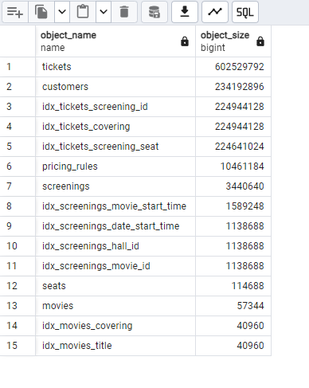
SELECT table_name as object_name, pg_table_size(quote_ident(table_name)) AS object_size FROM information_schema.tables WHERE table_schema = 'public' UNION SELECT indexname AS object_name, pg_relation_size(quote_ident(indexname)) AS object_size FROM pg_indexes WHERE schemaname = 'public' AND indexname ILIKE 'idx_%' ORDER BY 2 DESC LIMIT 15;

