Sheet1
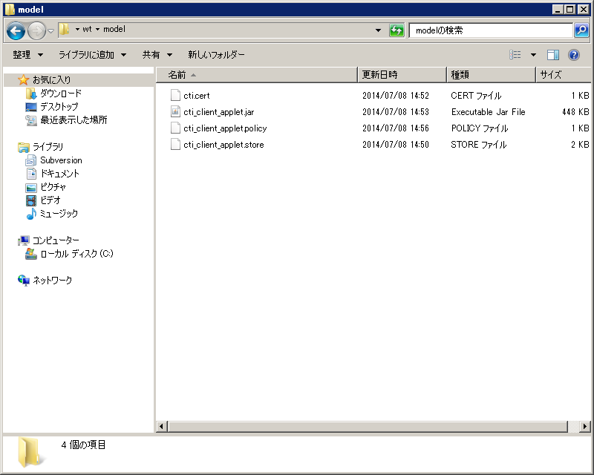
１、cti_client_applet.jar
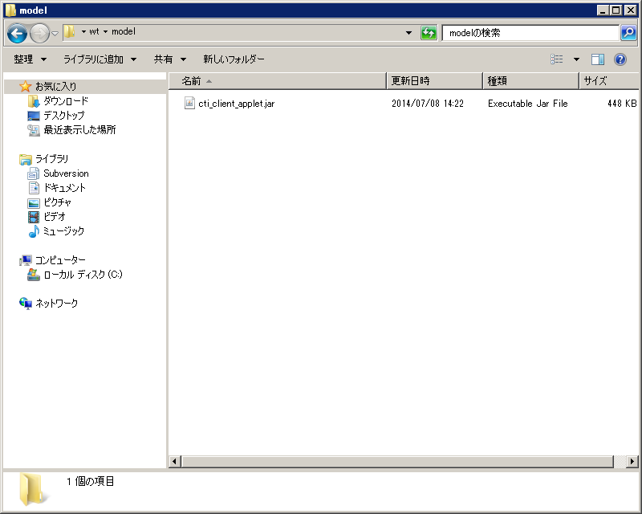

2、keytool

keytool -genkey -keystore cti_client_applet.store -alias cti -validity 3650

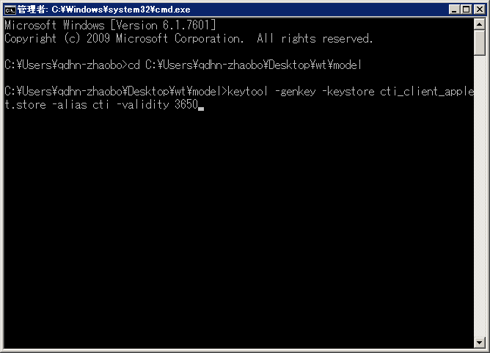

password：123456

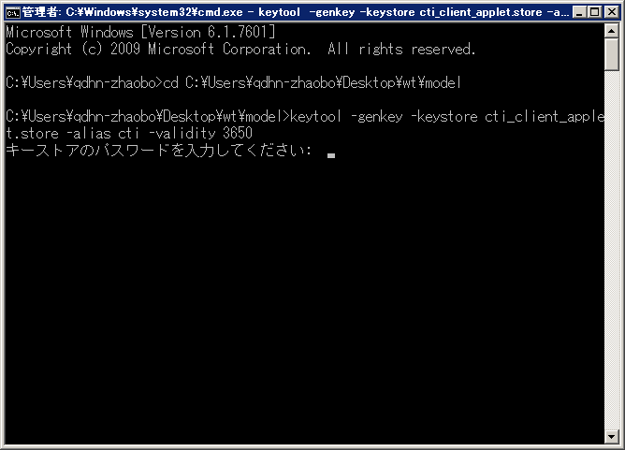

123456

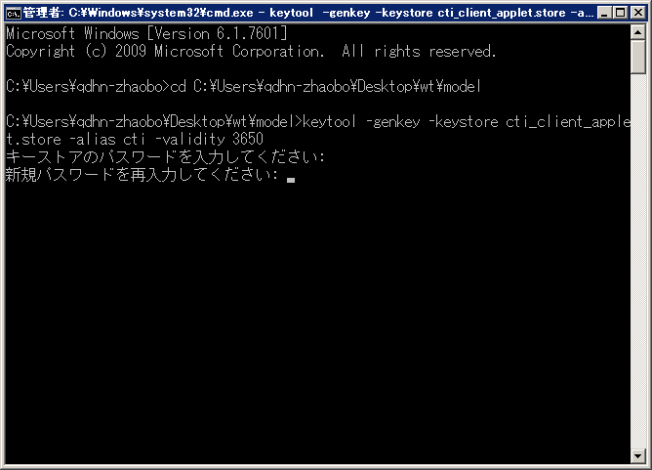

ENTER鍵を押す

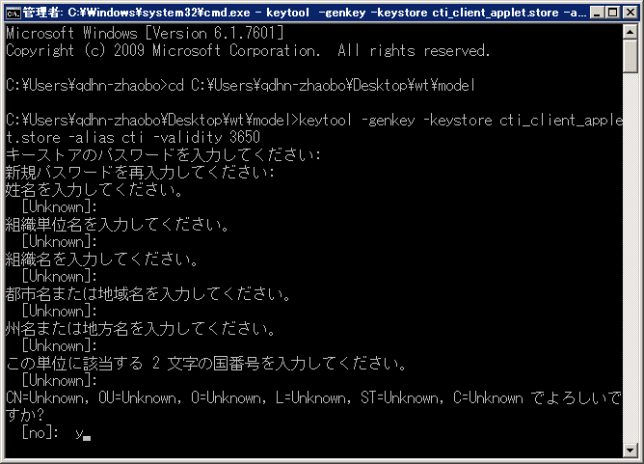

ENTER鍵を押す
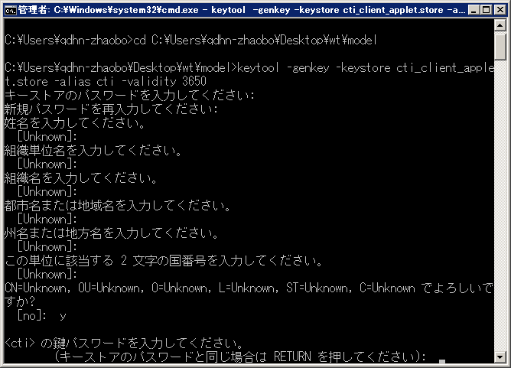

ENTER鍵を押す
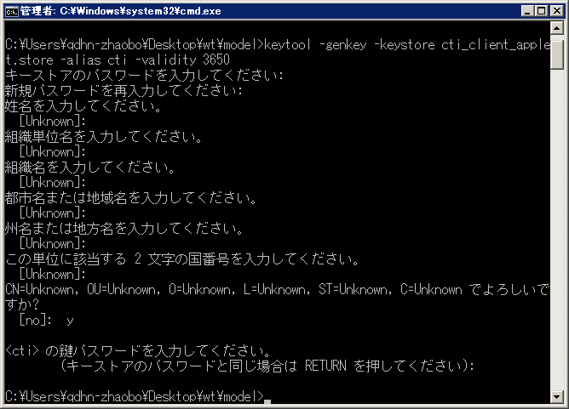

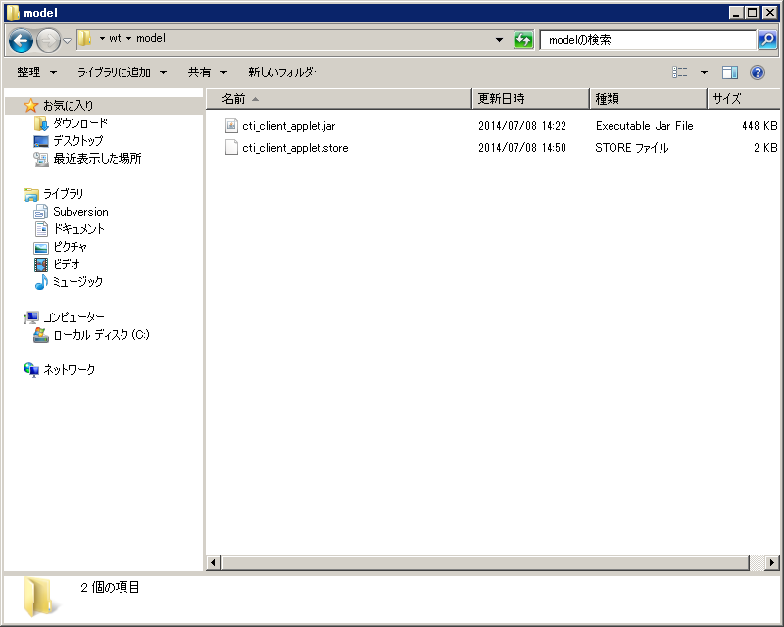

3、cti.cert
keytool -export -keystore cti_client_applet.store -alias cti -file cti.cert

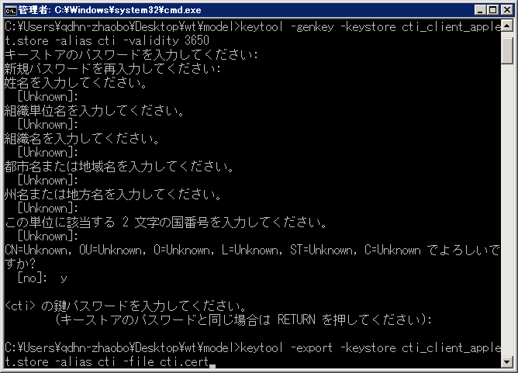

123456
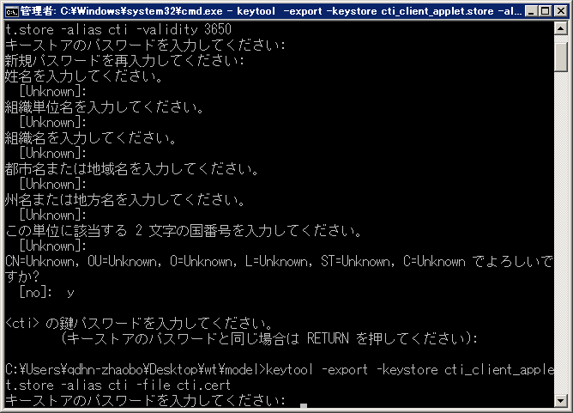

ENTER鍵を押す
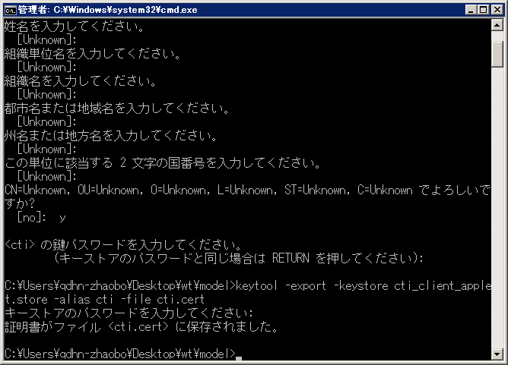



４、jarsigner

jarsigner -keystore cti_client_applet.store cti_client_applet.jar cti

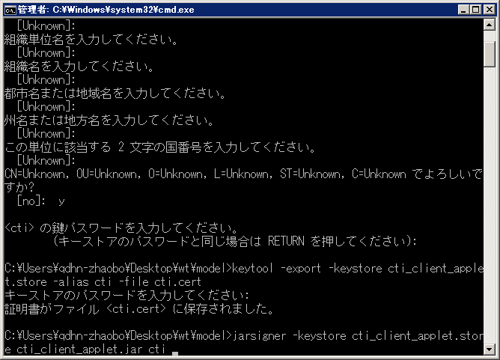

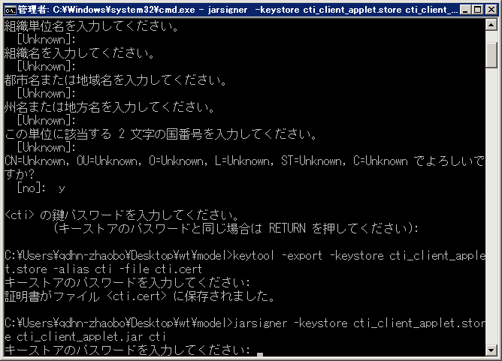

123456

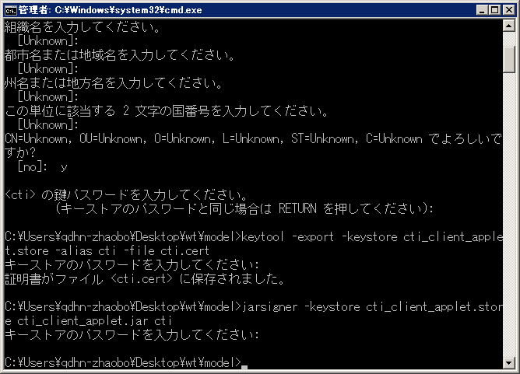



5、cti_client_applet.policy
内容は

keystore "file:cti_client_applet.store","JKS";
grantsignedBy"cti"
{
permission java.net.SocketPermission "172.16.98.251:40000", "connect, resolve";
};

