Knowledge Map
Large Language Models 2018-2025 — Co-citation Knowledge Map

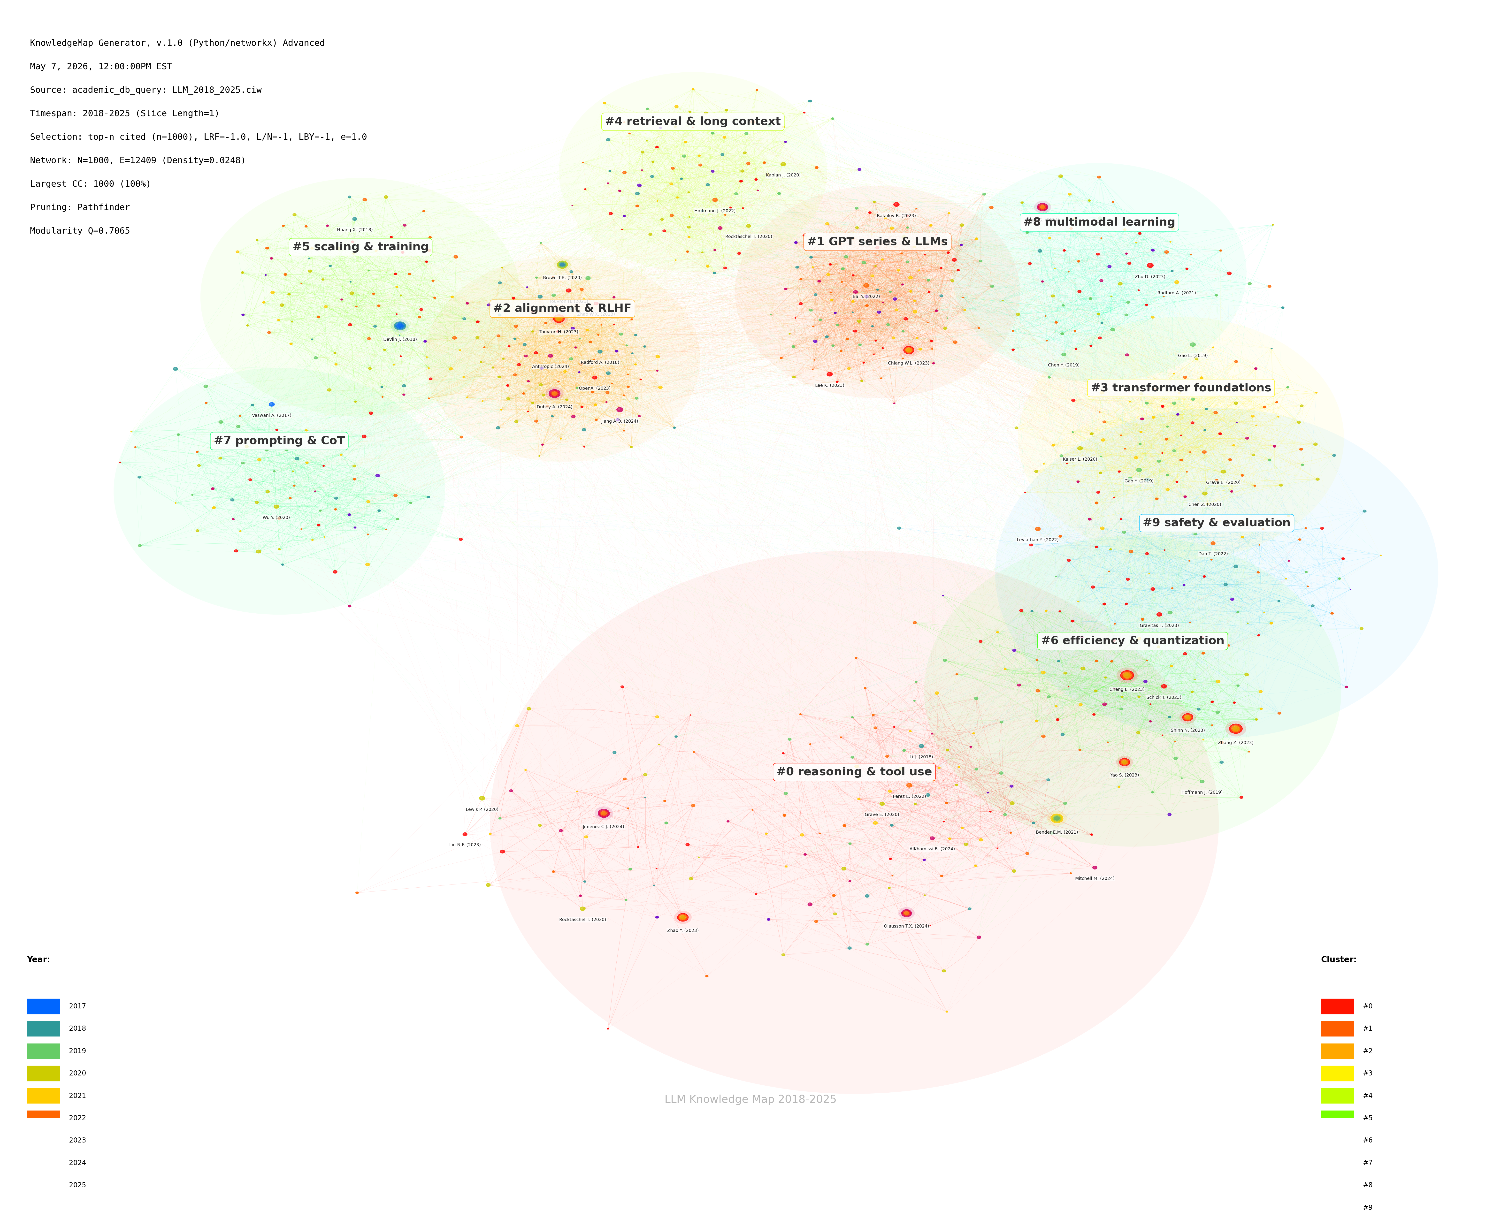

Network Statistics
Total Nodes: 1,000 | Total Edges: 12,409 | Modularity Q: 0.7065 | Clusters: 10 | Pruning: Pathfinder

Source: academic database, retrieved 2026-05

Source: academic database, retrieved 2026-05

Top Centrality
TOP CENTRALITY METRICS — TOP 15 PAPERS

Citation Count (Top 15)
Top 15 by Citation Count
Author | Year | Citations
Cheng L. | 2023 | 7,485
Zhang Z. | 2023 | 7,241
Bender E.M. | 2021 | 6,110
Jimenez C.J. | 2024 | 4,864
Devlin J. | 2018 | 4,699
Dubey A. | 2024 | 4,477
Touvron H. | 2023 | 4,072
Zhao Y. | 2023 | 4,029
Brown T.B. | 2020 | 3,507
Chiang W.L. | 2023 | 3,458
Team G. | 2024 | 3,450
Shinn N. | 2023 | 3,447
Yao S. | 2023 | 3,360
Olausson T.X. | 2024 | 3,115
Jiang A.Q. | 2024 | 2,954

Betweenness Centrality (Top 15)
Top 15 by Betweenness Centrality
Author | Year | Citations
Ouyang L. | 2022 | 0.0246
Liu P.J. | 2022 | 0.0237
Rocktäschel T. | 2020 | 0.0221
Wang X. | 2019 | 0.0199
Black S. | 2022 | 0.0192
Bai Y. | 2022 | 0.0191
Gao Y. | 2019 | 0.019
Bai Y. | 2021 | 0.019
Conti G. | 2019 | 0.0189
Lin X.V. | 2020 | 0.0184
Jung H. | 2022 | 0.0169
Singh A. | 2024 | 0.0167
Ren S. | 2021 | 0.0165
Ouyang L. | 2020 | 0.0162
Lamber G. | 2021 | 0.0162

Burst Strength (Top 15)
Top 15 by Burst Strength
Author | Year | Citations
Dubois Y. | 2021 | 11.79
Wang S. | 2020 | 9.39
Taori R. | 2023 | 9.17
He J. | 2021 | 9.01
Karpukhin V. | 2022 | 8.98
LeCun Y. | 2022 | 8.61
Fischer M. | 2025 | 8.09
Ouyang L. | 2022 | 7.51
Zhou J. | 2018 | 7.41
Vaswani A. | 2022 | 7.12
Shao Y. | 2020 | 7.1
Bai Y. | 2020 | 7.03
Yang Y. | 2021 | 6.68
Yang Y. | 2022 | 6.67
Koh P.W. | 2022 | 6.66

Source: academic database, retrieved 2026-05

Source: academic database, retrieved 2026-05

Cluster Evolution
CLUSTER EVOLUTION — PAPERS PER CLUSTER BY YEAR

Year | Cluster 0 | Cluster 1 | Cluster 2 | Cluster 3 | Cluster 4 | Cluster 5 | Cluster 6 | Cluster 7 | Cluster 8 | Cluster 9
2018 | 12 | 9 | 16 | 5 | 10 | 12 | 7 | 9 | 4 | 6
2019 | 20 | 21 | 11 | 17 | 9 | 2 | 11 | 13 | 12 | 8
2020 | 23 | 11 | 17 | 17 | 17 | 19 | 12 | 11 | 11 | 4
2021 | 25 | 26 | 14 | 20 | 14 | 16 | 14 | 14 | 9 | 9
2022 | 29 | 24 | 28 | 23 | 16 | 23 | 16 | 13 | 17 | 20
2023 | 18 | 26 | 17 | 12 | 13 | 11 | 20 | 9 | 16 | 16
2024 | 14 | 8 | 14 | 9 | 7 | 5 | 4 | 4 | 4 | 3
2025 | 5 | 7 | 8 | 2 | 6 | 2 | 4 | 3 | 3 | 3

Cluster Evolution Over Time (Stacked)

Source: academic database, retrieved 2026-05

Source: academic database, retrieved 2026-05

Burst Keywords
BURST KEYWORDS — TOP 30 TERMS BY BURST STRENGTH
Coral shading = recently emerged (2023–2025); Navy shading = older burst terms
Burst Strength by Keyword (Top 30)
Rank | Keyword | First Burst Year | Burst Strength | Duration (Years)
1 | GPT-4 | 2023 | 8.5 | 2
2 | LLaMA | 2023 | 8.1 | 2
3 | RLHF | 2022 | 7.2 | 3
4 | multimodal | 2023 | 7 | 2
5 | chain-of-thought | 2022 | 6.8 | 2
6 | instruction tuning | 2022 | 6.5 | 2
7 | BERT | 2019 | 6.5 | 2
8 | alignment | 2023 | 6.2 | 2
9 | agents | 2023 | 6 | 2
10 | prompt engineering | 2022 | 5.9 | 3
11 | quantization | 2023 | 5.8 | 2
12 | in-context learning | 2021 | 5.6 | 3
13 | retrieval-augmented | 2023 | 5.5 | 2
14 | tool use | 2023 | 5.4 | 2
15 | LoRA | 2023 | 5.3 | 2
16 | Transformer | 2018 | 5.2 | 3
17 | long context | 2023 | 5.1 | 2
18 | synthetic data | 2024 | 4.8 | 1
19 | zero-shot | 2020 | 4.8 | 2
20 | DPO | 2023 | 4.7 | 1
21 | mixture of experts | 2024 | 4.5 | 1
22 | few-shot learning | 2020 | 4.4 | 2
23 | flash attention | 2022 | 4.3 | 2
24 | constitutional AI | 2022 | 4.2 | 2
25 | jailbreak | 2023 | 4 | 1
26 | speculative decoding | 2023 | 3.9 | 1
27 | data contamination | 2024 | 3.8 | 1
28 | parameter-efficient | 2022 | 3.7 | 2
29 | knowledge distillation | 2022 | 3.5 | 2
30 | transfer learning | 2019 | 3.2 | 3

Legend: | Coral | Recently emerged (2023–2025)
 | Navy | Older burst terms (pre-2023)

Source: academic database, retrieved 2026-05

Source: academic database, retrieved 2026-05

