Sale Information
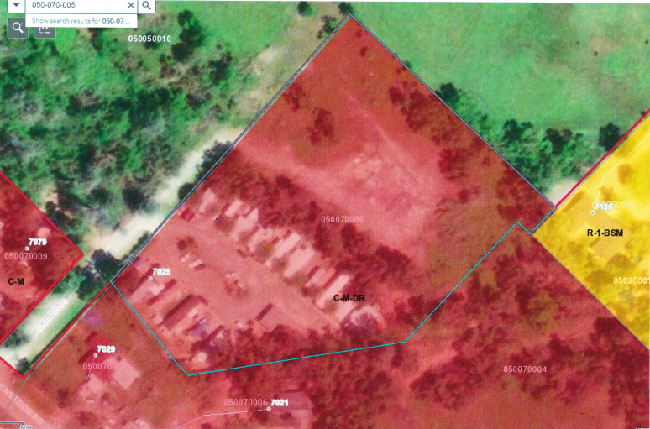
#1 | Used Mobile Home Sale in California
 | ADDRESS | STATUS | BED/BATH | SQFT | YEAR | STYLE | PRICE | Close Date | Distance to Anderson, CA
 | 3150 Cindy Cir | sold | 2b/2 | 1152 | 1974 | single | $39,500
 | 2900 Doris Dr | sold | 2b/1.5 | 960 | 1971 | single | $22,000
 | 3200 Cindy Cir | sold | 2b/1.5 | 954 | 1971 | single | $34,500
 | 5111 Erma Ln | sold | 2b/2 | 797 | N/A | single | $20,000
 | 16547 Kirk Ln | sold | 2b/2 | 1536 | 1979 | double | $80,000
 | 72 Casa Grande Dr, Red Bluff 96080 | sold | 2b/2 | 1440 | 1986 | double | $65,000 | 2020-04-14 | 21.3 M
 | 180 S Main St # 7, Red Bluff 96080 | sold | 2b/2 | 1440 | 1971 | double | $35,000 | 2020-04-24 | 23.1 M
 | 140 Casa Grande Dr, Red Bluff 96080 | sold | 2b/2 | 1200 | 1972 | double | $21,500 | 2020-06-26 | 21.3 M
 | 3530 Juile Ln | Active | 2b/2 | 760 | 1969 | single | $39,500
 | 21795 Bend Ferry Road # 35, Red Bluff 96080 | Active | 2b/2 | 960 | 1972 | single | $55,000 |  | 17.1 M
 | 11705 Parey Ave, #8, Red Bluff, 96080 | Active | 2b/2 | 1440 | 1983 | double | $25,000

 | 全新MH
 | SF起价$90K （报价来自CLAYTON ）
 | Single side : thehonesdirect.com 46K - 49K

#2 | Mobile Home Parks For Sale
 | Name | Status | Address |  |  |  | Lot | RV Lot | House | Park Owned | Year Built | Price | Price/Lot | Close Date | Distance to Anderson, CA
 | The High and Dry Mobile Home Park | sold | 24800 Taft, Los Molinos, CA 96055 |  |  |  | 10 |  | duplex | all | 1986 | $320,000 | $32,000 | 2019-06-18 | 33.2 M
 | Sunset Strip MHP | sold | 3406 Lakeshore Boulevard, Nice, CA 95464 |  |  |  | 13 |  | 1 |  | 1957 | $550,000 | $42,308 | 2019-07-23 | 98.1 M
 | Chico Creek Mobile Home Estates | sold | 1595 Manzanita Avenue, Chico, CA 95926 |  |  |  | 68 (12 potential) |  |  |  | 1982 | $4,245,000 | $62,426 | 2019-05-01 | 58.3

 | ADDRESS | STATUS | UNIT | YEAR | LOT SIZE | PRICE | PRICE /UNIT
 | 7025 EASTSIDE Rd | active | 16 | 1963 | 3.7AC | $935k | $5.8万
 | 实地考查总结：
 | 1）该PARK 现有UNIT布置紧密，已无括充可能，但backside 还有至少一半的空地
 | 空地有进一步开发的可能，这已和COUNTY作了初部确认。 |  |  |  |  |  | 见ZONE图
 | 2）该PARK的Septic 位于院中，d-box 和drain field 其Manager 也不知道，需 进一部核查。
 | 3）该PARK 附近有一铁路，但租客说车流量很少，影想不大。
 | 4）现有一UNIT 空置在作翻新， | 准备$15K卖出或作RENT to Own.
 | 5）Boundary:

