Sheet1
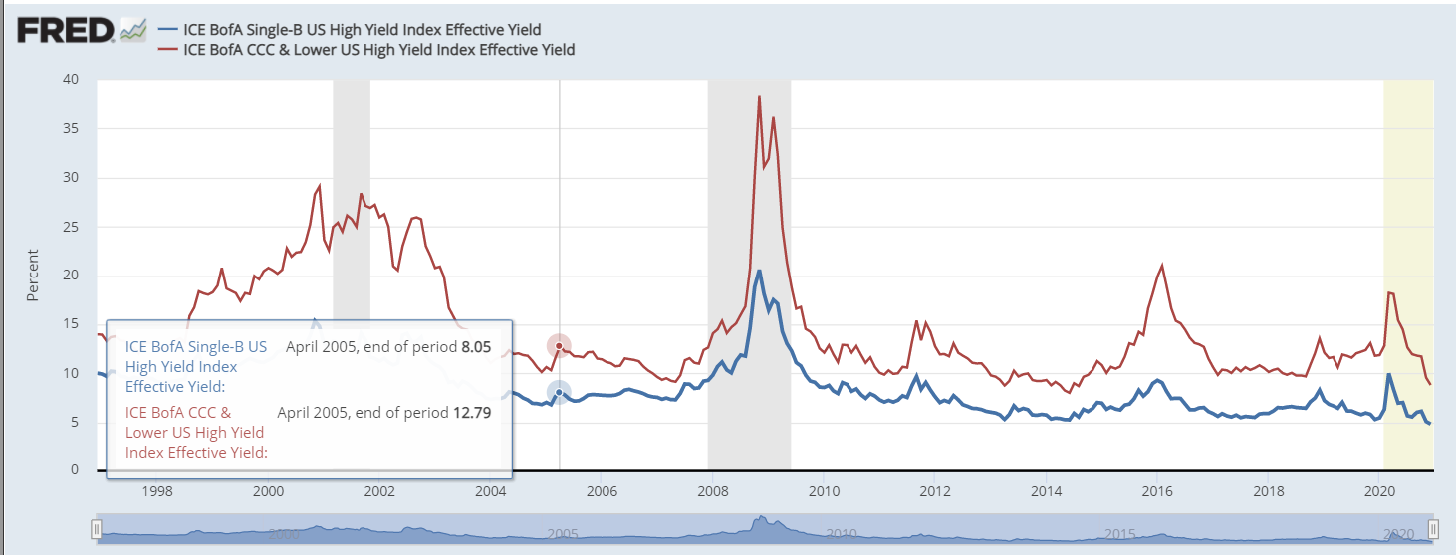
Method 1 - 65% Target ACLTV
Property Value | 470,000
1st Lien Mortgage | 262,887
HOA Liens | 15,000
Target ACLTV | 65%
Safe Offer Price | 27,613

Method 2 - 50% of remaining equity
2nd Lien Mortgage Pricing
Market Value | 470,000
1st Lien Mortgage | 262,887
Liens+Judgements | 73,821
Equity | 133,292
Safe Equity Cushion % | 50%
Safe Offer Price | 66,646

Method 3 - Mortgage present value
2nd Lien Mortgage Pricing | PV | Rate | Term | PMT
Original | 138,900 | 8.15% | 25 | ($1,085.89)
Current | 79,202 | 15.50% | 18.5 | ($1,085.89)

https://fred.stlouisfed.org/series/BAMLH0A2HYBEY#0

