2021_Tax_Lien_Analysis
2021 Tax Lien Analysis
Maricopa County给予的Tax Lien统计数据信息并不多，我们使用过去跟现在Tax Lien价格的数据来分类，整理出一份清单，再做详细的尽职调查，我们是希望透过这份清单了解Ｍaricopa County的Tax Lien概况，以及如何获得最大收益，之后所有数据经由程序向网站抓取，加快我们挑选Tax Lein的速度。
1.Maricopa County Tax Lien价格中位数为$800左右，我们调查$900的Tax Lien来了解Tax Lien的普遍状况。 2.其中一个调查的目标是商业地产，2020在疫情冲击有些商业地产可能受到影响，大于$10000的大多数为商业地产，然而超过$20000的Tax Lien数目较少，我们将商业地产Tax Lien价格定在$10000。 3.其中一个调查的目标是住宅地产，Maricopa County的地税率为0.61%，且房价中位数为$242,700，拖欠2年地税进入Tax Lien拍卖，价格约为242700 * 0.61% * 2 = 2960，我们将住宅地产Tax Lien价格定在$3000。 4.根据2020年$1000到$5000的Tax Lien平均利率收益，以$5000最高，因此我们调查$5000的Tax Lien。 5.根据2020年$5000到$10000的Tax Lien平均利率收益，以$8000最高，因此我们调查$8000的Tax Lien。

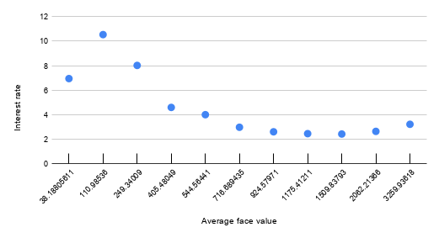 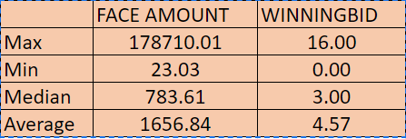 | 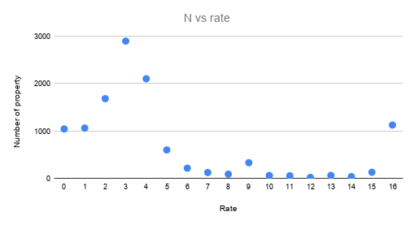 | 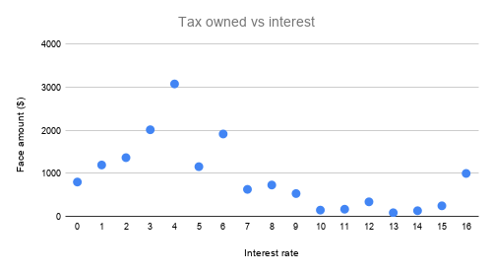
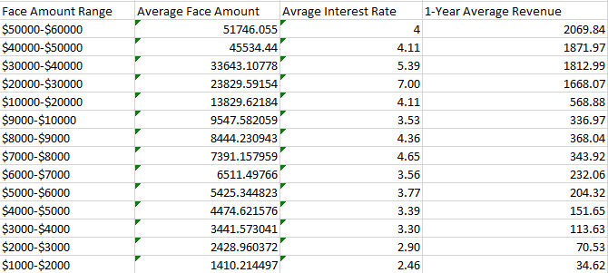

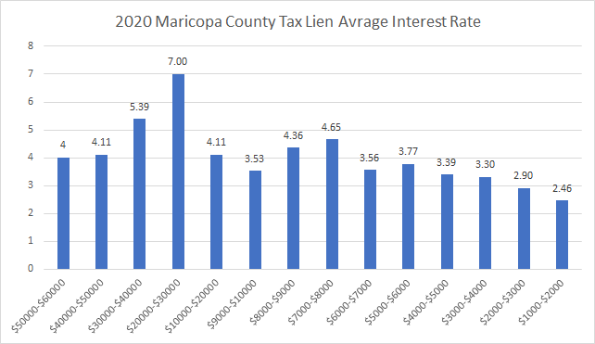 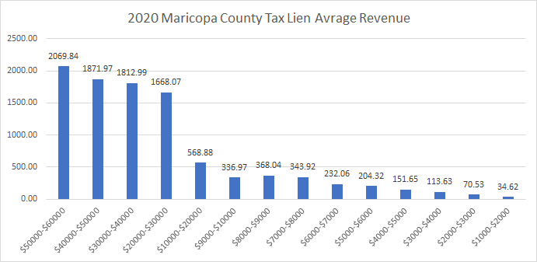
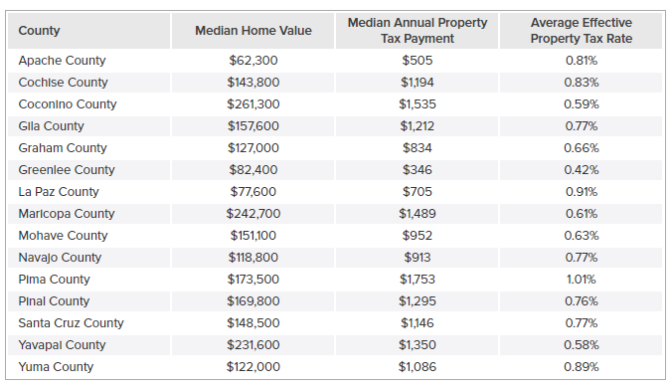

References
https://smartasset.com/taxes/arizona-property-tax-calculator
https://www.propertyshark.com/mason/info/Property-Taxes/AZ/

