Chattanooga MHC Portfolio
Chattanooga MHC Portfolio 204 Total Sites | All Ages | Chattanooga, TN | https://www.mhvillage.com/parks/24267
(Whispering Pines Mobile Home 115 sites + Acres of Shade MHC 89 sites) | https://www.mhvillage.com/parks/24070
 | https://www.facebook.com/Acres-of-Shade-and-Whispering-Pines-1598553700361164/

人口基数 Population (Chattanooga, TN) | 177k (0.609% 1-YEAR GROWTH, +7.2% since 2010)
交通枢纽 Main roads or highway | Multiple highways nearby: I-75, Hwy 153, Hwy 64
经济来源 Economy | Automotive(Volkswagen), Advanced Manufacturing(Wacker Chemie AG), Food and Beverage (McKee Foods, Mars Inc. Wrigley, Chattanooga Bakery
Median Income | $39,683
Median Home Price | $150,100
Water/Sewer | Public

average lot rent | $435
Inventory home average rent | $454

优点 | Google Review评分都很高，目前都管理的很好，入住率很高，Rent有提升空间，经济来源相对多源
缺点 | 人口增长不是特别明显

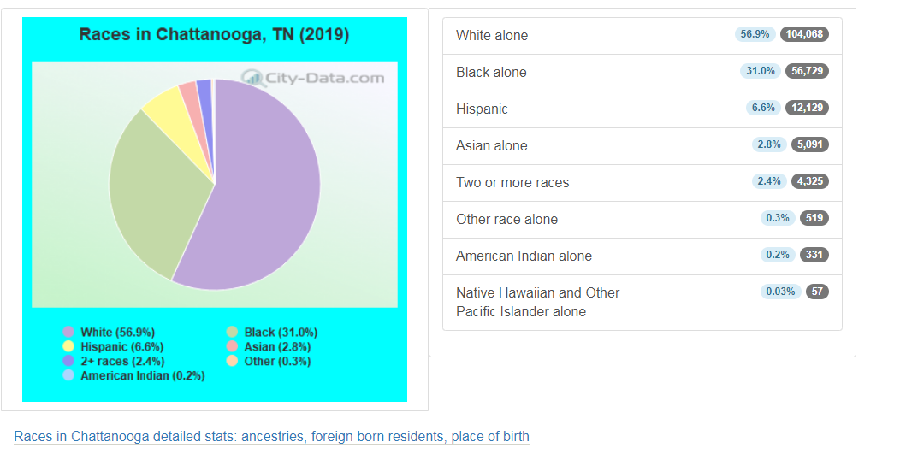
种族分布

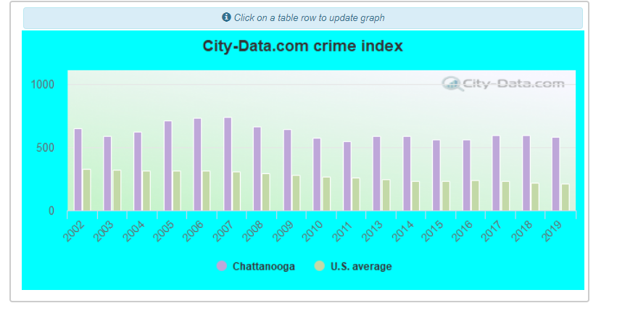
犯罪率

大学 | University Of Tennessee: Chattanooga
主要雇主
 | Erlanger Health System.
 | BlueCross BlueShield of Tennessee.
 | Hamilton County Schools.
 | Tennessee Valley Authority.
 | McKee Foods Corp.
 | Unum.
 | Volkswagen of America.
 | CHI Memorial Hospital.
rent

