Sheet1
CASE 分析

455 Clark Ln
Mobile Home Park Offered at $1,790,000 at a 11.17% Cap Rate in Indian Springs, NV

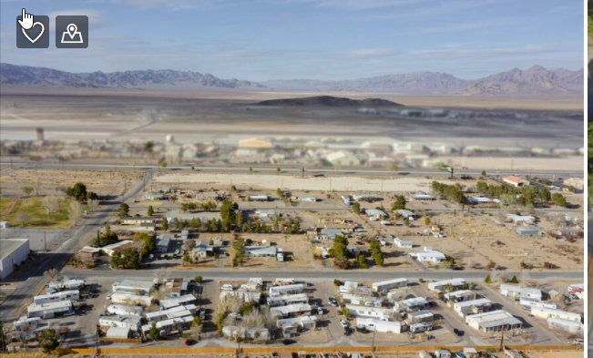

40 space mobile home park including 14 park owned homes. Located in Southern Nevada across from Creed Air Force Base. “Pride of Ownership” is exhibited in every function of managing both space rental and park owned homes. Vacancy is never a problem, waiting lists are constant for both spaces and homes. Turnkey operation for the new investor simply by following existing owners’ policies and procedures.
Property is adjacent to a 1st thru 12th grade school system which educates the dependents from the Air force base, tenants children from the park, and Mt. Charleston students are bused in daily.
Each yard is individually fenced with 8x10 storage shed. All lots are located on city water and have been recently resurfaced with new gravel.
Gross income exceeds $200,000. Which affords the potential investment and excellent return on the sales price of $1,790,000.
Seller wants to cash out so any inquiries as to income and expense must furnish POF (Proof of Funds) for purchase.
Owners unit is not included in sales price. Actual income and expense are based on historical figures and are an approximate. Seller wants to cash out so any inquiries as to income and expense must furnish POF (Proof of Funds) for purchase.

经过实地考察， 这个地址位于空军基地旁边， park看上去非常老， 距离拉斯维加斯30分钟， 但之间没有住户，没有人烟，小小镇没有啥生活气息。查了小小镇仅仅887人，另外小小镇已经有开放商建新房， 有条件的军人家属会搬到新房住。
2008年该park以90多万美金卖出，卖家要价太高

