Sheet1
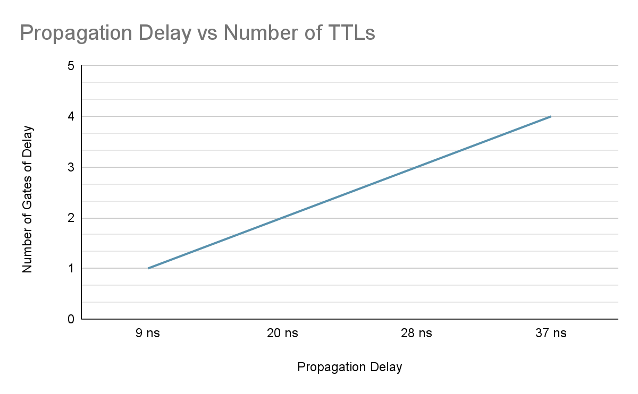
74LS04 | Number of Gates of Delay | Propagation Delay (ns)
(pin to pin)
2 to 4 (rising to falling) | 1 | 9 ns
2 to 6 (rising to rising) | 2 | 20 ns
2 to 12 (rising to falling) | 3 | 28 ns
2 to 4 (rising to rising) | 4 | 37 ns
Period: |  | 89 ns

