Suppl. Table 5
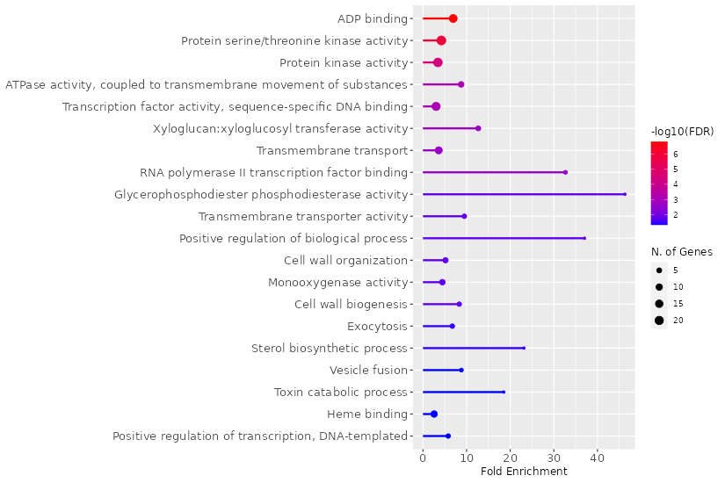
Supplementary Table 5. GO enrichment analysis of upregulated DEGs in S105 genotype
Enrichment FDR | nGenes | Pathway Genes | Fold Enrichment | Pathways (click for details)
1.50E-07 | 17 | 454 | 6.9 | ADP binding
1.10E-06 | 23 | 1009 | 4.2 | Protein serine/threonine kinase activity
4.00E-05 | 22 | 1188 | 3.4 | Protein kinase activity
8.10E-04 | 7 | 148 | 8.8 | ATPase activity, coupled to transmembrane movement of substances
9.00E-04 | 19 | 1164 | 3 | Transcription factor activity, sequence-specific DNA binding
1.60E-03 | 5 | 73 | 12.7 | Xyloglucan:xyloglucosyl transferase activity
2.30E-03 | 13 | 666 | 3.6 | Transmembrane transport
2.60E-03 | 3 | 17 | 32.7 | RNA polymerase II transcription factor binding
1.70E-02 | 2 | 8 | 46.3 | Glycerophosphodiester phosphodiesterase activity
1.70E-02 | 4 | 78 | 9.5 | Transmembrane transporter activity
1.70E-02 | 2 | 10 | 37 | Positive regulation of biological process
1.70E-02 | 6 | 215 | 5.2 | Cell wall organization
1.70E-02 | 7 | 291 | 4.5 | Monooxygenase activity
1.70E-02 | 4 | 89 | 8.3 | Cell wall biogenesis
3.60E-02 | 4 | 110 | 6.7 | Exocytosis
3.70E-02 | 2 | 16 | 23.1 | Sterol biosynthetic process
4.70E-02 | 3 | 63 | 8.8 | Vesicle fusion
4.70E-02 | 2 | 20 | 18.5 | Toxin catabolic process
4.70E-02 | 10 | 722 | 2.6 | Heme binding
4.70E-02 | 4 | 128 | 5.8 | Positive regulation of transcription, DNA-templated

Suppl. Table 7
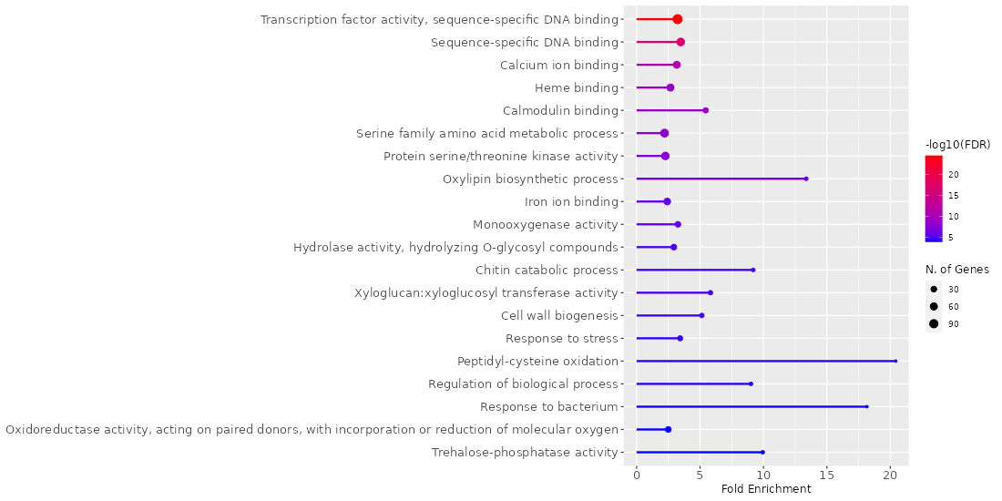
Supplementary Table 7. GO enrichment analysis of upregulated DEGs in S215 genotype
Enrichment FDR | nGenes | Pathway Genes | Fold Enrichment | Pathways (click for details)
2.60E-25 | 115 | 1164 | 3.2 | Transcription factor activity, sequence-specific DNA binding
1.50E-17 | 73 | 686 | 3.5 | Sequence-specific DNA binding
7.30E-12 | 57 | 588 | 3.2 | Calcium ion binding
2.20E-09 | 59 | 722 | 2.7 | Heme binding
2.20E-09 | 24 | 144 | 5.4 | Calmodulin binding
1.00E-08 | 79 | 1172 | 2.2 | Serine family amino acid metabolic process
3.00E-08 | 70 | 1009 | 2.3 | Protein serine/threonine kinase activity
7.10E-07 | 9 | 22 | 13.4 | Oxylipin biosynthetic process
1.60E-06 | 49 | 664 | 2.4 | Iron ion binding
2.30E-06 | 29 | 291 | 3.3 | Monooxygenase activity
1.20E-05 | 30 | 334 | 2.9 | Hydrolase activity, hydrolyzing O-glycosyl compounds
1.70E-05 | 9 | 32 | 9.2 | Chitin catabolic process
1.70E-05 | 13 | 73 | 5.8 | Xyloglucan:xyloglucosyl transferase activity
2.50E-05 | 14 | 89 | 5.1 | Cell wall biogenesis
4.40E-05 | 21 | 200 | 3.4 | Response to stress
5.40E-05 | 5 | 8 | 20.4 | Peptidyl-cysteine oxidation
6.80E-05 | 8 | 29 | 9 | Regulation of biological process
1.00E-04 | 5 | 9 | 18.2 | Response to bacterium
1.20E-04 | 31 | 406 | 2.5 | Oxidoreductase activity, acting on paired donors, with incorporation or reduction of molecular oxygen
1.20E-04 | 7 | 23 | 9.9 | Trehalose-phosphatase activity

Suppl. Table 9
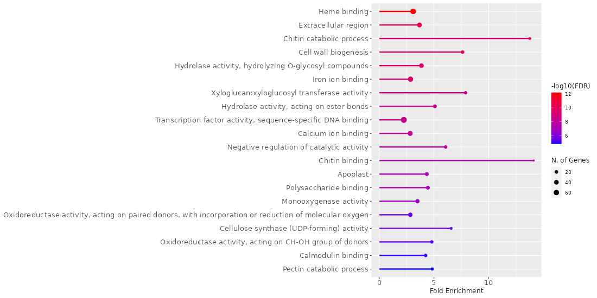
Supplementary Table 9. GO enrichment analysis of upregulated DEGs in S234 genotype
Enrichment FDR | nGenes | Pathway Genes | Fold Enrichment | Pathways (click for details)
6.50E-13 | 66 | 722 | 3.1 | Heme binding
3.30E-11 | 45 | 415 | 3.7 | Extracellular region
3.00E-10 | 13 | 32 | 13.8 | Chitin catabolic process
3.00E-10 | 20 | 89 | 7.6 | Cell wall biogenesis
3.00E-10 | 38 | 334 | 3.9 | Hydrolase activity, hydrolyzing O-glycosyl compounds
3.60E-10 | 56 | 664 | 2.9 | Iron ion binding
2.60E-09 | 17 | 73 | 7.9 | Xyloglucan:xyloglucosyl transferase activity
4.70E-09 | 24 | 160 | 5.1 | Hydrolase activity, acting on ester bonds
4.70E-09 | 77 | 1164 | 2.2 | Transcription factor activity, sequence-specific DNA binding
7.00E-09 | 49 | 588 | 2.8 | Calcium ion binding
1.60E-08 | 19 | 106 | 6.1 | Negative regulation of catalytic activity
3.30E-08 | 10 | 24 | 14.1 | Chitin binding
4.20E-08 | 25 | 195 | 4.3 | Apoplast
5.30E-08 | 24 | 183 | 4.4 | Polysaccharide binding
1.60E-07 | 30 | 291 | 3.5 | Monooxygenase activity
2.70E-06 | 34 | 406 | 2.8 | Oxidoreductase activity, acting on paired donors, with incorporation or reduction of molecular oxygen
2.70E-06 | 13 | 67 | 6.6 | Cellulose synthase (UDP-forming) activity
3.50E-06 | 17 | 120 | 4.8 | Oxidoreductase activity, acting on CH-OH group of donors
9.20E-06 | 18 | 144 | 4.2 | Calmodulin binding
1.50E-05 | 15 | 105 | 4.8 | Pectin catabolic process

