Suppl. Table 11
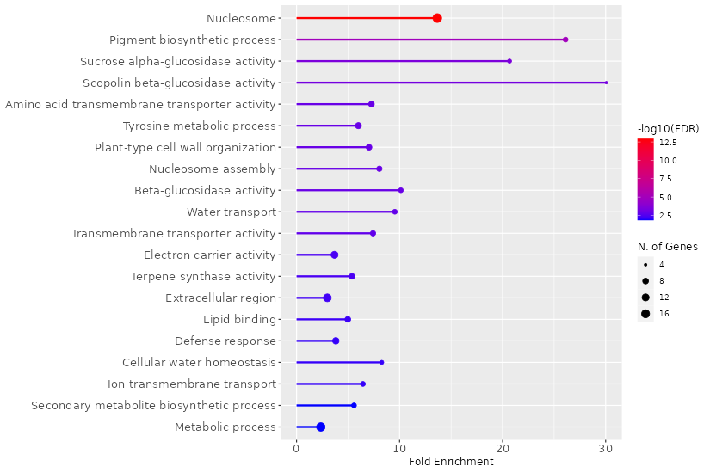
Supplementary Table 11. GO enrichment analysis of downregulated DEGs in S105 genotype
Enrichment FDR | nGenes | Pathway Genes | Fold Enrichment | Pathways (click for details)
1.20E-13 | 19 | 115 | 13.7 | Nucleosome
1.20E-05 | 6 | 19 | 26.1 | Pigment biosynthetic process
3.30E-04 | 5 | 20 | 20.7 | Sucrose alpha-glucosidase activity
5.30E-04 | 4 | 11 | 30.1 | Scopolin beta-glucosidase activity
1.10E-03 | 8 | 91 | 7.3 | Amino acid transmembrane transporter activity
1.10E-03 | 9 | 124 | 6 | Tyrosine metabolic process
1.10E-03 | 8 | 94 | 7 | Plant-type cell wall organization
1.10E-03 | 7 | 72 | 8 | Nucleosome assembly
1.10E-03 | 6 | 49 | 10.1 | Beta-glucosidase activity
1.50E-03 | 6 | 52 | 9.5 | Water transport
1.60E-03 | 7 | 78 | 7.4 | Transmembrane transporter activity
4.00E-03 | 12 | 269 | 3.7 | Electron carrier activity
4.10E-03 | 8 | 123 | 5.4 | Terpene synthase activity
5.60E-03 | 15 | 415 | 3 | Extracellular region
6.20E-03 | 8 | 133 | 5 | Lipid binding
7.70E-03 | 10 | 217 | 3.8 | Defense response
7.70E-03 | 5 | 50 | 8.3 | Cellular water homeostasis
7.70E-03 | 6 | 77 | 6.4 | Ion transmembrane transport
1.40E-02 | 6 | 89 | 5.6 | Secondary metabolite biosynthetic process
1.40E-02 | 18 | 632 | 2.4 | Metabolic process

Suppl. Table 13
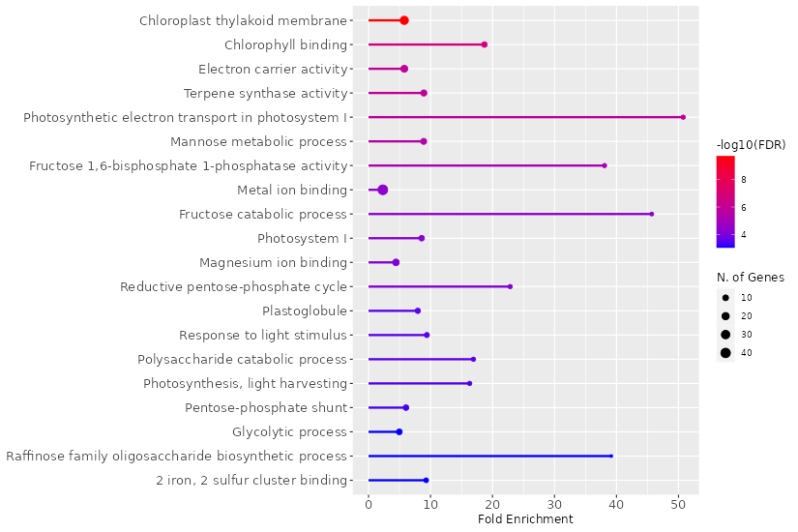
Supplementary Table 13. GO enrichment analysis of downregulated DEGs in S215 genotype
Enrichment FDR | nGenes | Pathway Genes | Fold Enrichment | Pathways (click for details)
2.10E-10 | 27 | 428 | 5.8 | Chloroplast thylakoid membrane
2.40E-07 | 9 | 44 | 18.7 | Chlorophyll binding
1.10E-06 | 17 | 269 | 5.8 | Electron carrier activity
1.10E-06 | 12 | 123 | 8.9 | Terpene synthase activity
1.40E-06 | 5 | 9 | 50.8 | Photosynthetic electron transport in photosystem I
3.30E-06 | 11 | 113 | 8.9 | Mannose metabolic process
6.30E-06 | 5 | 12 | 38.1 | Fructose 1,6-bisphosphate 1-phosphatase activity
3.50E-05 | 42 | 1667 | 2.3 | Metal ion binding
4.20E-05 | 4 | 8 | 45.7 | Fructose catabolic process
4.70E-05 | 9 | 96 | 8.6 | Photosystem I
7.30E-05 | 15 | 310 | 4.4 | Magnesium ion binding
7.30E-05 | 5 | 20 | 22.8 | Reductive pentose-phosphate cycle
2.60E-04 | 8 | 92 | 7.9 | Plastoglobule
2.80E-04 | 7 | 68 | 9.4 | Response to light stimulus
2.80E-04 | 5 | 27 | 16.9 | Polysaccharide catabolic process
3.20E-04 | 5 | 28 | 16.3 | Photosynthesis, light harvesting
4.60E-04 | 9 | 136 | 6 | Pentose-phosphate shunt
8.40E-04 | 10 | 184 | 5 | Glycolytic process
8.50E-04 | 3 | 7 | 39.2 | Raffinose family oligosaccharide biosynthetic process
8.50E-04 | 6 | 59 | 9.3 | 2 iron, 2 sulfur cluster binding

Suppl. Table 15
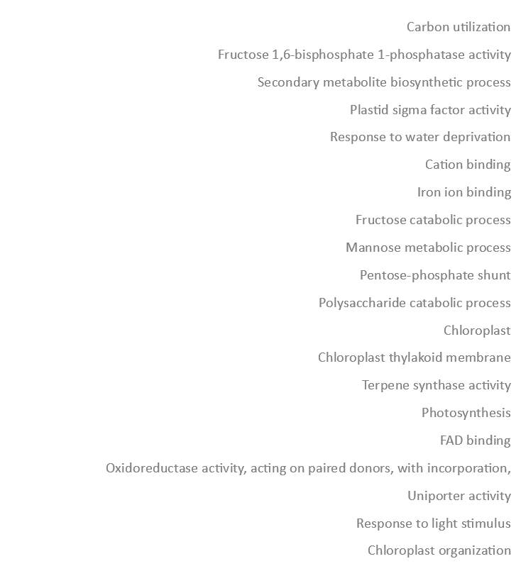
Supplementary Table 15. GO enrichment analysis of downregulated DEGs in S234 genotype
Enrichment FDR | nGenes | Pathway Genes | Fold Enrichment | Pathways (click for details)
6.00E-09 | 19 | 136 | 7.6 | Carbon utilization
1.60E-07 | 7 | 12 | 31.6 | Fructose 1,6-bisphosphate 1-phosphatase activity
2.00E-05 | 12 | 89 | 7.3 | Secondary metabolite biosynthetic process
3.90E-05 | 5 | 9 | 30.1 | Plastid sigma factor activity
2.40E-04 | 9 | 63 | 7.7 | Response to water deprivation
2.40E-04 | 7 | 33 | 11.5 | Cation binding
2.90E-04 | 31 | 664 | 2.5 | Iron ion binding
5.20E-04 | 4 | 8 | 27.1 | Fructose catabolic process
5.20E-04 | 11 | 113 | 5.3 | Mannose metabolic process
5.20E-04 | 12 | 136 | 4.8 | Pentose-phosphate shunt
5.20E-04 | 6 | 27 | 12 | Polysaccharide catabolic process
2.60E-03 | 52 | 1578 | 1.8 | Chloroplast
2.70E-03 | 21 | 428 | 2.7 | Chloroplast thylakoid membrane
4.20E-03 | 10 | 123 | 4.4 | Terpene synthase activity
4.20E-03 | 10 | 124 | 4.4 | Photosynthesis
5.40E-03 | 5 | 28 | 9.7 | FAD binding
6.20E-03 | 8 | 85 | 5.1 | Oxidoreductase activity, acting on paired donors, with incorporation or reduction of molecular oxygen, NAD(P)H as one donor, and incorporation of one atom of oxygen
6.80E-03 | 3 | 7 | 23.2 | Uniporter activity
7.70E-03 | 7 | 68 | 5.6 | Response to light stimulus
7.70E-03 | 7 | 68 | 5.6 | Chloroplast organization

