Sheet1
WIKI loves Africa
Enter photos, videos of Health + Wellness in Africa to win!
Entries close: 15 April

List of constituencies of Kenya
From Wikipedia, the free encyclopedia

Jump to navigationJump to search
Kenya

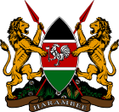 This article is part of a series on the

politics and government of
Kenya
show
National Government
show
Executive
show
Legislature
show
Judiciary
show
Administrative divisions
show
Commissions
Offices
show
Recent elections
show
Political parties
show
Foreign relations
show
Economic schemes
Kenya portal
Other countries
v
t
e

Constituencies of Kenya are used to elect members of the Kenyan parliament. In accordance with article 89 of the 2010 Constitution of Kenya, there are 290 number of constituencies, based on a formula where these Constituencies were to be delineated based on population numbers.

Contents
1Distribution of Constituencies by Counties following Promulgation of the new Constitution
1.1I Former Coast Province
1.1.11. Mombasa County
1.1.22. Kwale County
1.1.33. Kilifi County
1.1.44. Tana River County
1.1.55. Lamu County
1.1.66. Taita-Taveta County
1.2II Former North Eastern Province
1.2.17. Garissa County
1.2.28. Wajir County
1.2.39. Mandera County
1.3III Former Eastern Province
1.3.110. Marsabit County
1.3.211. Isiolo County
1.3.312. Meru County
1.3.413. Tharaka-Nithi County
1.3.514. Embu County
1.3.615. Kitui County
1.3.716. Machakos County
1.3.817. Makueni County
1.4IV Former Central Province
1.4.118. Nyandarua County
1.4.219. Nyeri County
1.4.320. Kirinyaga County
1.4.421. Murang'a County
1.4.522. Kiambu County
1.5V Former Rift Valley Province
1.5.123. Turkana County
1.5.224. West Pokot County
1.5.325. Samburu County
1.5.426. Trans-Nzoia County
1.5.527. Uasin Gishu County
1.5.628. Elgeyo-Marakwet County
1.5.729. Nandi County
1.5.830. Baringo County
1.5.931. Laikipia County
1.5.1032. Nakuru County
1.5.1133. Narok County
1.5.1234. Kajiado County
1.5.1335. Kericho County
1.5.1436. Bomet County
1.6VI Former Western Province
1.6.137. Kakamega County
1.6.238. Vihiga County
1.6.339. Bungoma County
1.6.440. Busia County
1.7VII Former Nyanza Province
1.7.141. Siaya County
1.7.242. Kisumu County
1.7.343. Homa Bay County
1.7.444. Migori County
1.7.545. Kisii County
1.7.646. Nyamira County
1.8VIII Former Nairobi Province
1.8.147. Nairobi County
2External links

Distribution of Constituencies by Counties following Promulgation of the new Constitution[edit]
In the following lists, the population of each of the 47 counties is given as enumerated in the census of 24 August 2009.
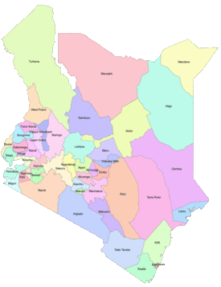

Counties of Kenya.

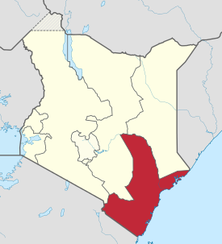

Former Coast Province.

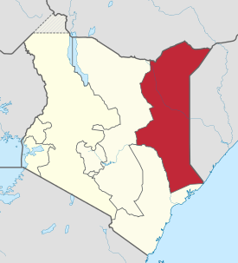

Former North Eastern Province.

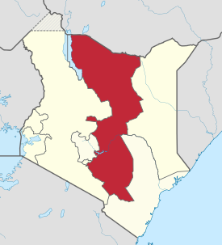

Former Eastern Province.

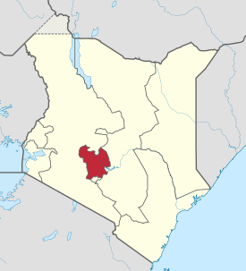

Former Central Province.

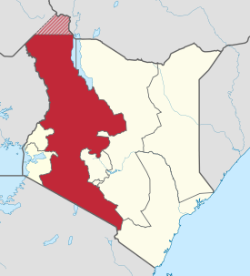

Former Rift Valley Province.

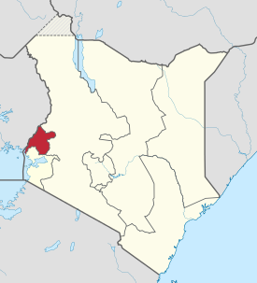

Former Western Province.

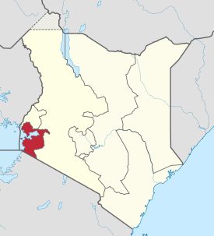

Former Nyanza Province.

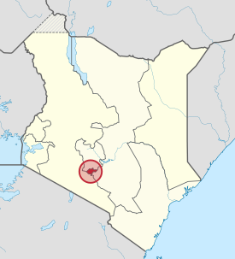

Former Nairobi Province.

I Former Coast Province[edit]
1. Mombasa County[edit]
Population (2009): 939,370.
Current number of seats: 6.
Constituencies: 1. Changamwe, 2. Jomvu, 3. Kisauni, 4. Nyali, 5. Likoni, 6. Mvita.
2. Kwale County[edit]
Population (2009): 649,931.
Current number of seats: 4.
Constituencies: 7. Msambweni, 8. Lunga Lunga, 9. Matuga, 10. Kinango.
3. Kilifi County[edit]
Population (2009): 1,109,735.
Current number of seats: 7.
Constituencies: 11. Kilifi North, 12. Kilifi South, 13. Kaloleni, 14. Rabai, 15. Ganze, 16. Malindi, 17. Magarini.
4. Tana River County[edit]
Population (2009): 240,075.
Current number of seats: 3.
Constituencies: 18. Garsen, 19. Galole, 20. Bura.
5. Lamu County[edit]
Population (2009): 101,539.
Current number of seats: 2.
Constituencies: 21. Lamu East, 22. Lamu West.
6. Taita-Taveta County[edit]
Population (2009): 284,657.
Current number of seats: 4.
Constituencies: 23. Taveta, 24. Wundanyi, 25. Mwatate, 26. Voi.
II Former North Eastern Province[edit]
7. Garissa County[edit]
Population (2009): 623,060.
Current number of seats: 6.
Constituencies: 27. Garissa Township (formerly Dujis Constituency), 28. Balambala, 29. Lagdera, 30. Dadaab, 31. Fafi, 32. Ijara.
8. Wajir County[edit]
Population (2009): 661,941.
Current number of seats: 6.
Constituencies: 33. Wajir North, 34. Wajir East, 35. Tarbaj, 36. Wajir West, 37. Eldas, 38. Wajir South.
9. Mandera County[edit]
Population (2009): 1,025,756.
Current number of seats: 6.
Constituencies: 39. Mandera West, 40. Banissa, 41. Mandera North, 42. Mandera South, 43. Mandera East, 44. Lafey.
III Former Eastern Province[edit]
10. Marsabit County[edit]
Population (2009): 291,166.
Current number of seats: 4.
Constituencies: 45. Moyale, 46. North Horr, 47. Saku, 48. Laisamis.
11. Isiolo County[edit]
Population (2009): 143,294.
Current number of seats: 2.
Constituencies: 49. Isiolo North, 50. Isiolo South.
12. Meru County[edit]
Population (2009): 1,356,301.
Current number of seats: 9.
Constituencies: 51. Igembe South, 52. Igembe Central, 53. Igembe North, 54. Tigania West, 55. Tigania East, 56. North Imenti, 57. Buuri, 58. Central Imenti, 59. South Imenti.
13. Tharaka-Nithi County[edit]
Population (2009): 365,330.
Current number of seats: 3.
Constituencies: 60. Maara, 61. Chuka/Igambang'ombe, 62. Tharaka.
14. Embu County[edit]
Population (2009): 516,212.
Current number of seats: 4.
Constituencies: 63. Manyatta, 64. Runyenjes, 65. Mbeere South, 66. Mbeere North.
15. Kitui County[edit]
Population (2009): 1,012,709.
Current number of seats: 8.
Constituencies: 67. Mwingi North, 68. Mwingi West, 69. Mwingi Central, 70. Kitui West, 71. Kitui Rural, 72. Kitui Central, 73. Kitui East, 74. Kitui South.
16. Machakos County[edit]
Population (2009): 1,098,584.
Current number of seats: 8.
Constituencies: 75. Masinga, 76. Yatta, 77. Kangundo, 78. Matungulu, 79. Kathiani, 80. Mavoko, 81. Machakos Town, 82. Mwala.
17. Makueni County[edit]
Population (2009): 111,179.
Current number of seats: 6.
Constituencies: 83. Mbooni, 84. Kilome, 85. Kaiti, 86. Makueni, 87. Kibwezi West, 88. Kibwezi East.
IV Former Central Province[edit]
18. Nyandarua County[edit]
Population (2009): 596,268.
Current number of seats: 5.
Constituencies: 89. Kinangop, 90. Kipipiri, 91. Ol Kalou, 92. Ol Jorok, 93. Ndaragwa.
19. Nyeri County[edit]
Population (2009): 693,558.
Current number of seats: 6.
Constituencies: 94. Tetu, 95. Kieni, 96. Mathira, 97. Othaya, 98. Mukurweini, 99. Nyeri Town.
20. Kirinyaga County[edit]
Population (2009): 528,054.
Current number of seats: 4.
Constituencies: 100. Mwea, 101. Gichugu, 102. Ndia, 103. Kirinyaga Central.
21. Murang'a County[edit]
Population (2009): 942,581.
Current number of seats: 7.
Constituencies: 104. Kangema, 105. Mathioya, 106. Kiharu, 107. Kigumo, 108. Maragwa, 109. Kandara, 110. Gatanga.
22. Kiambu County[edit]
Population (2009): 1,623,282.
Current number of seats: 12.
Constituencies: 111. Gatundu South, 112. Gatundu North, 113. Juja, 114. Thika Town, 115. Ruiru, 116. Githunguri, 117. Kiambu, 118. Kiambaa, 119. Kabete, 120. Kikuyu, 121. Limuru, 122. Lari.
V Former Rift Valley Province[edit]
23. Turkana County[edit]
Population (2009): 855,399.
Current number of seats: 6.
Constituencies: 123. Turkana North, 124. Turkana West, 125. Turkana Central, 126. Loima, 127. Turkana South, 128. Turkana East.
24. West Pokot County[edit]
Population (2009): 512,690.
Current number of seats: 4.
Constituencies: 129. Kapenguria, 130. Sigor, 131. Kacheliba, 132. Pokot South.
25. Samburu County[edit]
Population (2009): 223,947.
Current number of seats: 3.
Constituencies: 133. Samburu West, 134. Samburu North, 135. Samburu East.
26. Trans-Nzoia County[edit]
Population (2009): 818,757.
Current number of seats: 5.
Constituencies: 136. Kwanza, 137. Endebess, 138. Saboti, 139. Kiminini, 140. Cherangany.
27. Uasin Gishu County[edit]
Population (2009): 894,179.
Current number of seats: 6.
Constituencies: 141. Soy, 142. Turbo, 143. Moiben, 144. Ainabkoi, 145. Kapseret, 146. Kesses.
28. Elgeyo-Marakwet County[edit]
Population (2009): 369,998.
Current number of seats: 4.
Constituencies: 147. Marakwet East, 148. Marakwet West, 149. Keiyo North, 150. Keiyo South.
29. Nandi County[edit]
Population (2009): 752,966.
Current number of seats: 6.
Constituencies: 151. Tinderet, 152. Aldai, 153. Nandi Hills, 154. Chesumei, 155. Emgwen, 156. Mosop.
30. Baringo County[edit]
Population (2009): 555,561.
Current number of seats: 6.
Constituencies: 157. Tiaty, 158. Baringo North, 159. Baringo Central, 160. Baringo South, 161. Mogotio, 162. Eldama Ravine.
31. Laikipia County[edit]
Population (2009): 399,227.
Current number of seats: 3.
Constituencies: 163. Laikipia West, 164. Laikipia East, 165. Laikipia North.
32. Nakuru County[edit]
Population (2009): 1,603,325.
Current number of seats: 11.
Constituencies: 166. Molo, 167. Njoro, 168. Naivasha, 169. Gilgil, 170. Kuresoi South, 171. Kuresoi North, 172. Subukia, 173. Rongai, 174. Bahati, 175. Nakuru Town West, 176. Nakuru Town East.
33. Narok County[edit]
Population (2009): 850,920.
Current number of seats: 6.
Constituencies: 177. Kilgoris, 178. Emurua Dikirr, 179. Narok North, 180. Narok East, 181. Narok South, 182. Narok West.
34. Kajiado County[edit]
Population (2009): 687,312.
Current number of seats: 5.
Constituencies: 183. Kajiado North, 184. Kajiado Central, 185. Kajiado East, 186. Kajiado West, 187. Kajiado South.
35. Kericho County[edit]
Population (2009): 758,339.
Current number of seats: 6.
Constituencies: 188. Kipkelion East, 189. Kipkelion West, 190. Ainamoi, 191. Bureti, 192. Belgut, 193. Sigowet–Soin.
36. Bomet County[edit]
Population (2009): 545,378.
Current number of seats: 5.
Constituencies: 194. Sotik, 195. Chepalungu, 196. Bomet East, 197. Bomet Central, 198. Konoin.
VI Former Western Province[edit]
37. Kakamega County[edit]
Population (2009): 1,660,768.
Current number of seats: 12.
Constituencies: 199. Lugari, 200. Likuyani, 201. Malava, 202. Lurambi, 203. Navakholo, 204. Mumias West, 205. Mumias East, 206. Matungu, 207. Butere, 208. Khwisero, 209. Shinyalu, 210. Ikolomani.
38. Vihiga County[edit]
Population (2009): 554,622.
Current number of seats: 5.
Constituencies: 211. Vihiga, 212. Sabatia, 213. Hamisi, 214. Luanda, 215. Emuhaya.
39. Bungoma County[edit]
Population (2009): 1,630,934.
Current number of seats: 9.
Constituencies: 216. Mount Elgon, 217. Sirisia, 218. Kabuchai, 219. Bumula, 220. Kanduyi, 221. Webuye East, 222. Webuye West, 223. Kimilili, 224. Tongaren.
40. Busia County[edit]
Population (2009): 488,075.
Current number of seats: 7.
Constituencies: 225. Teso North, 226. Teso South, 227. Nambale, 228. Matayos, 229. Butula, 230. Funyula, 231. Budalangi.
VII Former Nyanza Province[edit]
41. Siaya County[edit]
Population (2009): 842,304.
Current number of seats: 6.
Constituencies: 232. Ugenya, 233. Ugunja, 234. Alego Usonga, 235. Gem, 236. Bondo, 237. Rarieda.
42. Kisumu County[edit]
Population (2009): 968,909.
Current number of seats: 7.
Constituencies: 238. Kisumu East, 239. Kisumu West, 240. Kisumu Central, 241. Seme, 242. Nyando, 243. Muhoroni, 244. Nyakach.
43. Homa Bay County[edit]
Population (2009): 963,794.
Current number of seats: 8.
Constituencies: 245. Kasipul, 246. Kabondo Kasipul, 247. Karachuonyo, 248. Rangwe, 249. Homa Bay Town, 250. Ndhiwa, 251. Mbita, 252. Suba.
44. Migori County[edit]
Population (2009): 1,028,579.
Current number of seats: 8.
Constituencies: 253. Rongo, 254. Awendo, 255. Suna East, 256. Suna West, 257. Uriri, 258. Nyatike, 259. Kuria West, 260. Kuria East.
45. Kisii County[edit]
Population (2009): 1,152,282.
Current number of seats: 9.
Constituencies: 261. Bonchari, 262. South Mugirango, 263. Bomachoge Borabu, 264. Bobasi, 265. Bomachoge Chache, 266. Nyaribari Masaba, 267. Nyaribari Chache, 268. Kitutu Chache North, 269. Kitutu Chache South.
46. Nyamira County[edit]
Population (2009): 598,252.
Current number of seats: 4.
Constituencies: 270. Kitutu Masaba, 271. West Mugirango, 272. North Mugirango, 273. Borabu.
VIII Former Nairobi Province[edit]
47. Nairobi County[edit]
Population (2009): 3,138,369.
Current number of seats: 17.

Constituency | Wards (85)
274. Westlands | Kitisuru • Parklands/Highridge • Karura • Kangemi • Mountain View
275. Dagoretti North | Kilimani • Kawangware • Gatina • Kileleshwa • Kabiro
276. Dagoretti South | Mutu-ini • Ngand'o • Riruta • Uthiru/Ruthimitu • Waithaka
277. Lang'ata | Karen • Nairobi West • Mugumo-ini • South C • Nyayo Highrise
278. Kibra | Laini Saba • Lindi • Makina • Woodley/Kenyatta Golf Course • Sarang'ombe
279. Roysambu | Githurai • Kahawa West • Zimmerman • Roysambu • Kahawa
280. Kasarani | Clay City • Mwiki • Kasarani • Njiru • Ruai
281. Ruaraka | Babadogo • Utalii • Mathare North • Lucky Summer • Korogocho
282. Embakasi South | Imara Daima • Kwa Njenga • Kwa Reuben • Pipeline • Kware
283. Embakasi North | Kariobangi North • Dandora Area I • Dandora Area II • Dandora Area III • Dandora Area IV
284. Embakasi Central | Kayole North • Kayole Central • Kayole South • Komarock • Matopeni/Spring Valley
285. Embakasi East | Upper Savanna • Lower Savanna • Embakasi • Utawala • Mihang'o
286. Embakasi West | Umoja I • Umoja II • Mowlem • Kariobangi South
287. Makadara | Makongeni • Maringo/Hamza • Harambee • Viwandani
288. Kamukunji | Pumwani • Eastleigh North • Eastleigh South • Airbase • California
289. Starehe | Nairobi Central • Ngara • Ziwani/Kariokor • Pangani • Landimawe • Nairobi South
290. Mathare | Hospital • Mabatini • Huruma • Ngei • Mlango Kubwa • Kiamaiko

External links[edit]
Independent Electoral and Boundaries Commission

show
v
t
e
First- and second-level administrative divisions of Kenya

Categories:
Constituencies of Kenya
Kenya politics-related lists
Lists of constituencies
Navigation menu
Not logged in
Talk
Contributions
Create account
Log in

Article
Talk

Read
Edit
View history
Search

Main page
Contents
Current events
Random article
About Wikipedia
Contact us
Donate
Contribute
Help
Learn to edit
Community portal
Recent changes
Upload file
Tools
What links here
Related changes
Special pages
Permanent link
Page information
Cite this page
Wikidata item
Print/export
Download as PDF
Printable version
Languages
IsiZulu
Kiswahili
Edit links
This page was last edited on 8 November 2020, at 12:31 (UTC).
Text is available under the Creative Commons Attribution-ShareAlike License; additional terms may apply. By using this site, you agree to the Terms of Use and Privacy Policy. Wikipedia® is a registered trademark of the Wikimedia Foundation, Inc., a non-profit organization.
Privacy policy
About Wikipedia
Disclaimers
Contact Wikipedia
Mobile view
Developers
Statistics
Cookie statement

