CAD
CAD |  |  | Logistic | SA_birth | SA_enrol
HES DATA
Code |  | Description
I251 |  | Atherosclerotic heart disease | 35531 | SI | SI
GP DATA |  |  |  |  |  | Logistic |  | Birth |  | Enrolment
Read 2 code | Code | Description |  |  |  | CAD | 35,668 / 442,272 | CAD | 35,665 / 442,269 | CAD | 24,587 / 431,176
G340. | I251 | Coronary atherosclerosis | 735 | SI | SI |  | 8.06% |  | 8.06% |  | 5.70%
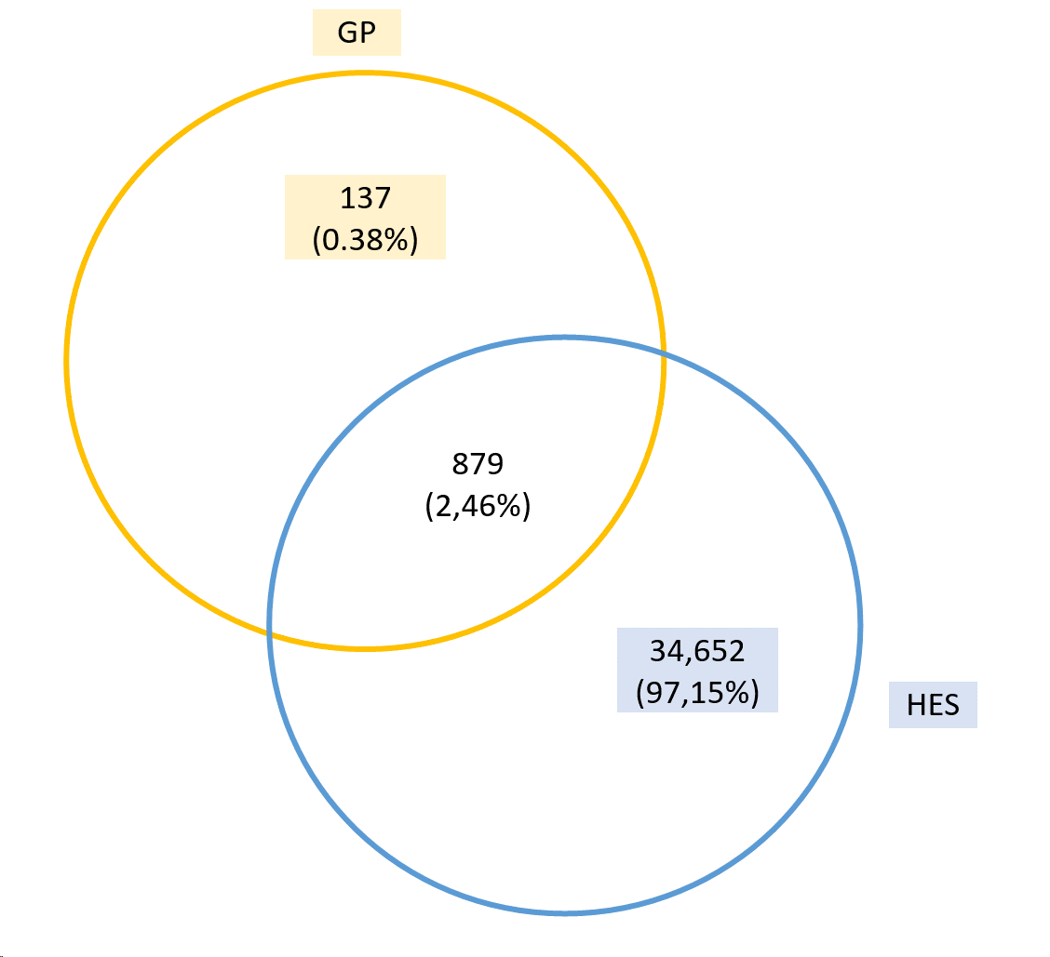
G3400 | I251 | Single coronary vessel disease | 0 | SI | SI
G3401 | I251 | Double coronary vessel disease | 221 | SI | SI
G704. | I251 | Non-obstructive coronary atherosclerosis | 3 | SI | SI

Fracture
Fracture risk |  |  | Logistic | SA_birth | SA_enrol
UK Biobank - Touchscreen
Field | Code | Description
3005 |  | Fracture resulting from simple fall | 27822 | Fracture from the last five years: Data UK Biobank visit | Eliminem aquesta gent | Logistic |  | Birth |  | Enrol
UK Biobank - Verbal interview |  |  |  |  |  | Fracture risk | 39,723 / 442,272 | Fracture risk | 39,680 / 442,229 | Fracture risk | 5,017 / 429,284
Field | Code | Description |  |  |  |  | 8.98% |  | 8.97% |  | 1.17%
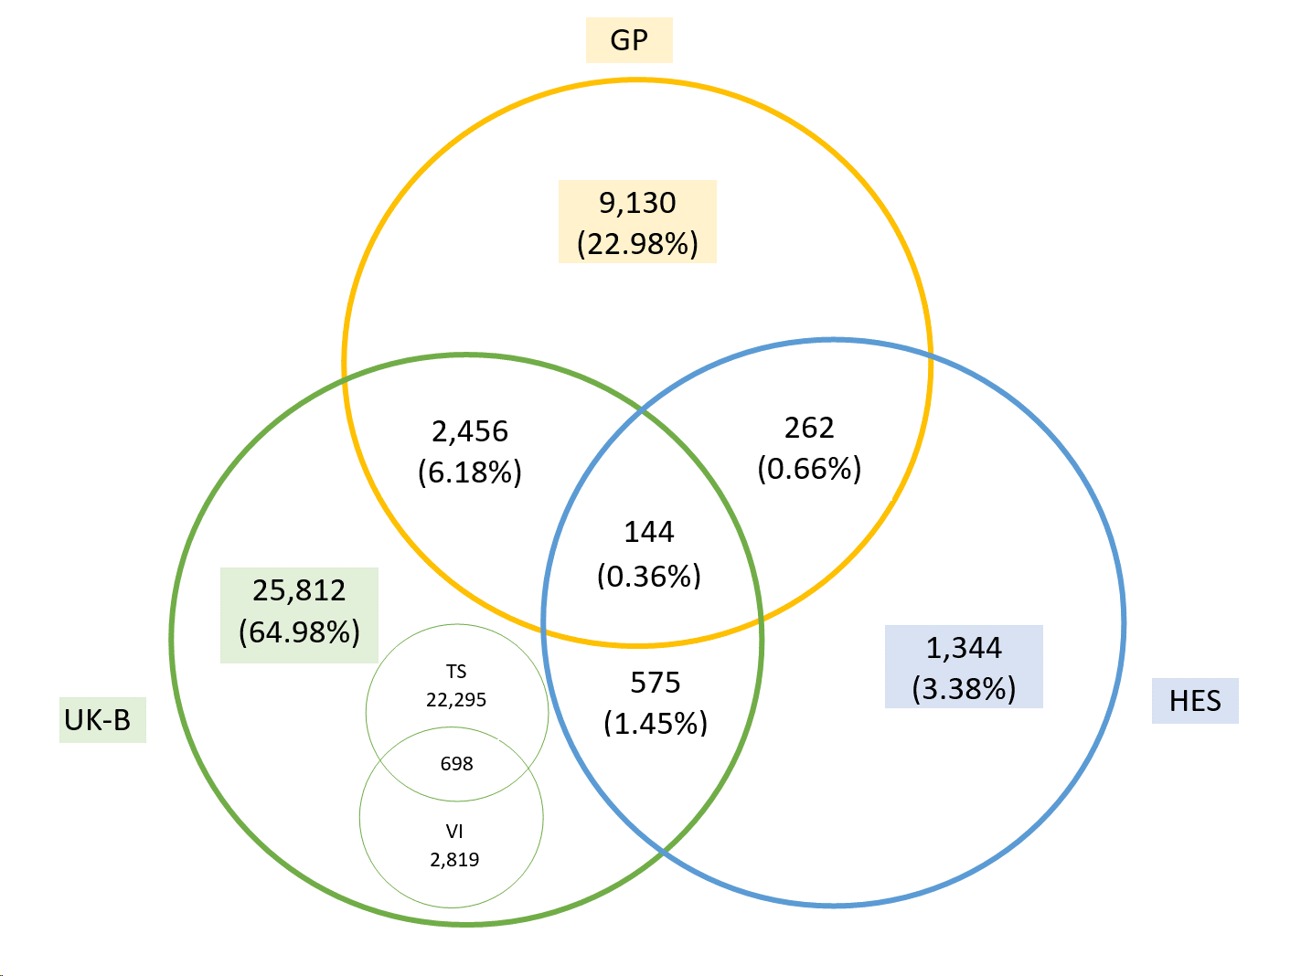
20002 | 1632 | fracture shoulder / scapula | 4416 | Field 20009: Interpolated Year/age of the event | Eliminem aquesta gent
20002 | 1633 | fracture upper arm / humerus / elbow
20002 | 1634 | fracture forearm / wrist
20002 | 1635 | fracture radius
20002 | 1637 | fracture wrist / colles fracture
20002 | 1644 | fracture rib
20002 | 1646 | fracture vertebra / crush fracture / vertebral collapse
20002 | 1647 | fracture pelvis
20002 | 1648 | fracture neck of femur / hip
HES DATA
Code |  | Description
S720 |  | Fracture of neck of femur | 309
S721 |  | Pertrochanteric fracture | 49
S729 |  | Fracture of femur, part unspecified | 18
S722 |  | Subtrochanteric fracture | 19
S327 |  | Multiple fractures of lumbar spine and pelvis | 14
S321 |  | Fracture of sacrum | 21
S322 |  | Fracture of coccyx | 2
S323 |  | Fracture of ilium | 7
S324 |  | Fracture of acetabulum | 49
S325 |  | Fracture of pubis | 123
S328 |  | Fracture of other and unspecified parts of lumbar spine and pelvis | 20
S422 |  | Fracture of upper end of humerus | 205
S423 |  | Fracture of shaft of humerus | 78
S428 |  | Fracture of other parts of shoulder and upper arm | 4
S220 |  | Fracture of thoracic vertebra | 111
S221 |  | Multiple fractures of thoracic spine | 20
S320 |  | Fracture of lumbar vertebra | 147
S223 |  | Fracture of rib | 150
S224 |  | Multiple fractures of ribs | 194
S522 |  | Fracture of shaft of ulna | 17
S523 |  | Fracture of shaft of radius | 11
S524 |  | Fracture of shafts of both ulna and radius | 14
S525 |  | Fracture of lower end of radius | 758
S526 |  | Fracture of lower end of both ulna and radius | 137
S527 |  | Multiple fractures of forearm | 16
S528 |  | Fracture of other parts of forearm | 51
S529 |  | Fracture of forearm, part unspecified | 4
GP DATA
Read 2 code |  | Description
7K1D0 |  | Primary open reduction and internal fixation of proximal femoral fracture with screw/nail and plate device | 45
7K1DE |  | Primary open reduction of fracture of neck of femur and open fixation using proximal femoral nail antirotation | 0
7K1E6 |  | Primary open reduction of fracture of elbow and fixation with Hook fixation plate | 1
7K1J0 |  | Closed reduction and internal fixation of proximal femoral fracture with screw/nail device alone | 1
7K1Jd |  | Closed reduction of intracapsular fracture of neck of femur and internal fixation using a dynamic hip screw | 10
7K1L4 |  | Closed reduction of fracture of hip | 15
7K1L5 |  | Closed reduction of fracture of femur | 16
7K1LE |  | Closed reduction of fracture of elbow | 129
7K1LF |  | Closed reduction of fracture of humerus | 65
7K1LG |  | Closed reduction of fracture of shoulder | 94
7K1LL |  | Closed reduction of fracture of radius and or ulna | 207
7K1LM |  | Closed reduction of fracture of wrist | 368
N1y1. |  | Fatigue fracture of vertebra | 10
N3310 |  | Pathological fracture of thoracic vertebra | 3
N3311 |  | Pathological fracture of lumbar vertebra | 5
N3318 |  | Osteoporosis + pathological fracture lumbar vertebrae | 22
N3319 |  | Osteoporosis + pathological fracture thoracic vertebrae | 14
S102. |  | Closed fracture thoracic vertebra | 112
S1020 |  | Closed fracture thoracic vertebra, burst | 7
S1021 |  | Closed fracture thoracic vertebra, wedge | 100
S1022 |  | Closed fracture thoracic vertebra, spondylolysis | 0
S102y |  | Other specified closed fracture thoracic vertebra | 2
S102z |  | Closed fracture thoracic vertebra not otherwise specified | 3
S104. |  | Closed fracture lumbar vertebra | 202
S1040 |  | Closed fracture lumbar vertebra, burst | 23
S1041 |  | Closed fracture lumbar vertebra, wedge | 99
S1042 |  | Closed fracture lumbar vertebra, spondylolysis | 0
S106. |  | Closed fracture sacrum | 48
S1060 |  | Closed compression fracture sacrum | 11
S1061 |  | Closed vertical fracture of sacrum | 1
S108. |  | Closed fracture pelvis, coccyx | 15
S10B6 |  | Multiple fractures of lumbar spine and pelvis | 11
S112. |  | Closed fracture of thoracic spine with spinal cord lesion | 1
S112z |  | Closed fracture of thoracic spine with spinal cord lesion NOS | 1
S114. |  | Closed fracture of lumbar spine with spinal cord lesion | 11
S116. |  | Closed fracture of sacrum with spinal cord lesion | 0
S1160 |  | Closed fracture of sacrum with unspecified spinal cord lesion | 0
S1161 |  | Closed fracture of sacrum with complete cauda equina lesion | 0
S1162 |  | Closed fracture of sacrum with other cauda equina injury | 0
S1163 |  | Closed fracture of sacrum with other spinal cord injury | 0
S116z |  | Closed fracture of sacrum with spinal cord lesion NOS | 0
S118. |  | Closed fracture of coccyx with spinal cord lesion | 0
S1180 |  | Closed fracture of coccyx with unspecified spinal cord lesion | 0
S1181 |  | Closed fracture of coccyx with complete cauda equina lesion | 0
S1182 |  | Closed fracture of coccyx with other cauda equina injury | 0
S1183 |  | Closed fracture of coccyx with other spinal cord injury | 0
S118z |  | Closed fracture of coccyx with spinal cord lesion NOS | 0
S120. |  | Closed fracture rib | 768
S1200 |  | Closed fracture of rib, unspecified | 61
S1201 |  | Closed fracture of one rib | 61
S1202 |  | Closed fracture of two ribs | 59
S1203 |  | Closed fracture of three ribs | 12
S1204 |  | Closed fracture of four ribs | 6
S1205 |  | Closed fracture of five ribs | 1
S1206 |  | Closed fracture of six ribs | 2
S1207 |  | Closed fracture of seven ribs | 0
S1208 |  | Closed fracture of eight or more ribs | 1
S1209 |  | Closed fracture multiple ribs | 85
S1270 |  | Multiple fractures of ribs | 69
S1271 |  | Cough fracture of ribs | 22
S130. |  | Closed fracture acetabulum | 32
S1300 |  | Closed fracture acetabulum, anterior lip alone | 0
S1301 |  | Closed fracture acetabulum, posterior lip alone | 0
S1302 |  | Closed fracture acetabulum, anterior column | 0
S1303 |  | Closed fracture acetabulum, posterior column | 1
S1304 |  | Closed fracture acetabulum, floor | 0
S1305 |  | Closed fracture acetabulum, double column transverse | 0
S1306 |  | Closed fracture acetabulum, double column unspecified | 0
S130y |  | Other specified closed fracture acetabulum | 0
S130z |  | Closed fracture acetabulum NOS | 5
S132. |  | Closed fracture pubis | 75
S1320 |  | Closed fracture pelvis, single pubic ramus | 130
S1321 |  | Closed fracture pelvis, multiple pubic rami - stable | 39
S1322 |  | Closed fracture pelvis, multiple pubic rami - unstable | 5
S132y |  | Other specified closed fracture pubis | 4
S132z |  | Closed fracture pubis NOS | 3
S1340 |  | Closed fracture of ilium, unspecified | 7
S1341 |  | Closed fracture pelvis, ischium | 7
S1342 |  | Closed multiple disruptions of pelvis | 2
S1343 |  | Closed fracture pelvis, ischial tuberosity | 0
S1344 |  | Closed fracture pelvis, anterior superior iliac spine | 2
S1345 |  | Closed fracture pelvis, anterior inferior iliac spine | 0
S1346 |  | Closed fracture pelvis, iliac wing | 10
S1347 |  | Closed vertical fracture of ilium | 0
S1348 |  | Closed fracture dislocation of sacro-iliac joint | 2
S134z |  | Other or multiple closed fracture of pelvis NOS | 0
S150. |  | Multiple fractures of thoracic spine | 32
S1500 |  | Closed multiple fractures of thoracic spine | 1
S210. |  | Closed fracture of scapula | 24
S2100 |  | Closed fracture of scapula, unspecified part | 1
S2101 |  | Closed fracture scapula, acromion | 15
S2102 |  | Closed fracture scapula, coracoid | 5
S2103 |  | Closed fracture scapula, glenoid | 65
S2104 |  | Closed fracture scapula, blade | 10
S2105 |  | Closed fracture scapula, spine | 2
S2106 |  | Closed fracture scapula, neck | 7
S210z |  | Closed fracture of scapula NOS | 4
S220. |  | Closed fracture of the proximal humerus | 286
S2200 |  | Closed fracture of proximal humerus, unspecified part | 20
S2201 |  | Closed fracture proximal humerus, neck | 108
S2202 |  | Closed fracture of proximal humerus, anatomical neck | 6
S2203 |  | Closed fracture proximal humerus, greater tuberosity | 150
S2204 |  | Closed fracture proximal humerus, head | 42
S2205 |  | Closed fracture of humerus, upper epiphysis | 2
S2206 |  | Closed fracture proximal humerus, three part | 5
S2207 |  | Closed fracture proximal humerus, four part | 9
S220z |  | Closed fracture of proximal humerus not otherwise specified | 13
S222. |  | Closed fracture of humerus, shaft or unspecified part | 17
S2220 |  | Closed fracture of humerus NOS | 143
S2221 |  | Closed fracture of humerus, shaft | 44
S222z |  | Closed fracture of humerus, shaft or unspecified part NOS | 1
S230. |  | Closed fracture of proximal radius and ulna | 30
S2300 |  | Closed fracture of proximal forearm, unspecified part | 3
S2306 |  | Closed fracture radius, head | 722
S2307 |  | Closed fracture radius, neck | 112
S230A |  | Closed fracture radius and ulna, proximal | 1
S230z |  | Closed fracture of proximal forearm not otherwise specified | 2
S234. |  | Closed fracture of radius and ulna, lower end | 846
S2340 |  | Closed fracture of forearm, lower end, unspecified | 18
S2342 |  | Closed fracture of the distal radius, unspecified | 505
S2346 |  | Closed fracture radius and ulna, distal | 115
S234C |  | Closed fracture distal radius, intra-articular, die-punch | 7
S234D |  | Closed fracture distal radius, extra-articular, other type | 40
S234E |  | Closed fracture distal radius, intra-articular, other type | 57
S234z |  | Closed fracture of forearm, lower end, NOS | 13
S300. |  | Closed fracture proximal femur, transcervical | 3
S3000 |  | Closed fracture proximal femur, intracapsular section, unspecified | 11
S3001 |  | Closed fracture proximal femur, transepiphyseal | 0
S3002 |  | Closed fracture proximal femur, midcervical section | 0
S3003 |  | Closed fracture proximal femur, basicervical | 2
S3004 |  | Closed fracture head of femur | 10
S3005 |  | Closed fracture proximal femur, subcapital, Garden grade unspecified | 0
S3006 |  | Closed fracture proximal femur, subcapital, Garden grade I | 1
S3007 |  | Closed fracture proximal femur, subcapital, Garden grade II | 1
S3008 |  | Closed fracture proximal femur, subcapital, Garden grade III | 2
S3009 |  | Closed fracture proximal femur, subcapital, Garden grade IV | 0
S300A |  | Closed fracture of femur, upper epiphysis | 1
S300y |  | Closed fracture proximal femur, other transcervical | 3
S300z |  | Closed fracture proximal femur, transcervical, not otherwise specified | 0
S302. |  | Closed fracture of proximal femur, pertrochanteric | 7
S3020 |  | Closed fracture of proximal femur, trochanteric section, unspecified | 9
S3021 |  | Closed fracture proximal femur, intertrochanteric, two part | 1
S3022 |  | Closed fracture proximal femur, subtrochanteric | 2
S3023 |  | Closed fracture proximal femur, intertrochanteric, comminuted | 0
S3024 |  | Closed fracture of femur, intertrochanteric | 12
S302z |  | Closed fracture of proximal femur, pertrochanteric section, not otherwise specified | 1
S304. |  | Pertrochanteric fracture | 4
S305. |  | Subtrochanteric fracture | 7
S30w. |  | Closed fracture of unspecified proximal femur | 2
S30y. |  | Closed fracture of neck of femur NOS | 26
S31.. |  | Other fracture of femur | 162
S310. |  | Closed fracture of femur, shaft or unspecified part | 20
S3100 |  | Closed fracture of femur, unspecified part | 3
S3101 |  | Closed fracture shaft of femur | 40
S312. |  | Closed fracture distal femur | 5
S3120 |  | Closed fracture of distal femur, unspecified | 1
S3122 |  | Closed fracture of femur, lower epiphysis | 5
S3123 |  | Closed fracture distal femur, supracondylar | 10
S3124 |  | Closed fracture distal femur, medial condyle | 4
S3125 |  | Closed fracture distal femur, lateral condyle | 4
S3126 |  | Closed fracture distal femur, bicondylar (T-Y fracture) | 0
S312x |  | Closed fracture distal femur, comminuted/intra-articular | 3
S312z |  | Closed fracture of distal femur not otherwise specified | 1
S4A0. |  | Closed fracture-dislocation shoulder | 75
S4A00 |  | Closed fracture-dislocation shoulder joint | 23
S4A01 |  | Closed fracture-dislocation acromio-clavicular joint | 7
S4A2. |  | Closed fracture-subluxation shoulder | 8
S4A20 |  | Closed fracture-subluxation shoulder joint | 4
S4A21 |  | Closed fracture-subluxation acromio-clavicular joint | 3
S4B0. |  | Closed fracture-dislocation elbow | 43
S4B00 |  | Closed fracture-dislocation elbow joint | 3
S4B01 |  | Closed fracture-dislocation superior radio-ulnar joint | 1
S4B2. |  | Closed fracture-subluxation elbow | 3
S4B20 |  | Closed fracture-subluxation elbow joint | 0
S4B21 |  | Closed fracture-subluxation superior radio-ulnar joint | 0
S4C.. |  | Fracture-dislocation or subluxation of wrist | 40
S4C0. |  | Closed fracture dislocation of wrist | 76
S4C00 |  | Closed fracture-dislocation distal radio-ulnar joint | 3
S4C01 |  | Closed fracture-dislocation radiocarpal joint | 2
S4C02 |  | Closed fracture-dislocation mid carpal | 0
S4C03 |  | Closed fracture-dislocation, carpometacarpal joint | 0
S4E.. |  | Fracture-dislocation or subluxation hip | 7
S4E0. |  | Closed fracture-dislocation, hip joint | 13
S4E2. |  | Closed fracture-subluxation, hip joint | 1
S4J01 |  | Closed fracture-dislocation of pelvis | 7
S4J21 |  | Closed fracture-subluxation of pelvis | 2
Syu42 |  | [X]Multiple fractures of clavicle, scapula and humerus | 0
S10.. |  | Fracture of spine without mention of spinal cord injury | 88
S10B. |  | Fracture of lumbar spine and pelvis | 11
S10B0 |  | Fracture of lumbar vertebra | 42
S10B1 |  | Fracture of sacrum | 7
S10B2 |  | Fracture of coccyx | 24
S10B3 |  | Fracture of ilium | 3
S10B4 |  | Fracture of acetabulum | 23
S10B5 |  | Fracture of pubis | 8
S11.. |  | Fracture of spine with spinal cord lesion | 2
S127. |  | Fracture of rib | 175
S13.. |  | Fracture or disruption of pelvis | 181
S15.. |  | Fracture of thoracic vertebra | 58
S21.. |  | Fracture of scapula | 265
S21z. |  | Fracture of scapula NOS | 6
S22.. |  | Fracture of humerus | 2300
S226. |  | Fracture of upper end of humerus | 24
S227. |  | Fracture of shaft of humerus | 10
S228. |  | Fracture of lower end of humerus | 15
S22z. |  | Fracture of humerus NOS | 284
S23.. |  | Fracture of radius and ulna | 644
S236. |  | Fracture of upper end of ulna | 5
S237. |  | Fracture of upper end of radius | 54
S238. |  | Fracture of shaft of ulna | 14
S239. |  | Fracture of shaft of radius | 29
S23A. |  | Fracture of shafts of both ulna and radius | 1
S23B. |  | Fracture of lower end of radius | 272
S23C. |  | Fracture of lower end of both ulna and radius | 5
S23x. |  | Closed fracture of radius and ulna, unspecified part | 21
S23x1 |  | Fracture of radius NOS | 853
S23z. |  | Fracture of radius and ulna, NOS | 207
S242. |  | Fracture at wrist and hand level | 1456
S30.. |  | Fracture of neck of femur | 446
S314. |  | Fracture of shaft of femur | 22
S315. |  | Fracture of lower end of femur | 4
S31z. |  | Fracture of femur, NOS | 500
S4A.. |  | Fracture-dislocation or subluxation shoulder | 57
S4B.. |  | Fracture-dislocation or subluxation elbow | 36
S4C.. |  | Fracture-dislocation or subluxation of wrist | 40
S4E.. |  | Fracture-dislocation or subluxation hip | 7
SR11. |  | Fractures involving thorax with lower back and pelvis | 1
SR16. |  | Fractures involving thorax with lower back and pelvis with limb(s) | 0
Syu34 |  | [X]Fracture of other and unspecified parts of lumbar spine and pelvis | 5
Syu43 |  | [X]Fracture of other parts of shoulder and upper arm | 7
Syu44 |  | [X]Fracture of shoulder and upper arm, unspecified | 121
Syu53 |  | [X]Fracture of other parts of forearm | 0
Syu54 |  | [X]Fracture of forearm, unspecified | 9
Syu65 |  | [X]Fracture of other and unspecified parts of wrist and hand | 46
S2341 |  | Closed Colles' fracture | 652
S2351 |  | Open Colles' fracture | 9

Hypertension
Hypertension |  |  | Logistic | SA_birth | SA_enrol
UK Biobank
Field | Code | Description |  | Field 20009: Interpolated Year/age of the event
20002 | 1065 | Non-cancer illness code, self-reported - Hypertension | 121056 | Field 20009: Interpolated Year/age of the event | Eliminem aquesta gent
HES DATA
Code |  | Description
I10 |  | Essential (primary) hypertension | 151019 |  |  | Logistic |  | Birth |  | Enrolment
I11 |  | Hypertensive heart disease | 0 |  |  | Hypertension | 180266 / 442,272 | Hypertension | 178156 / 440,162 | Hypertension | 54127 / 316,126
I110 |  | Hypertensive heart disease with (congestive) heart failure | 130 |  |  |  | 40.76% |  | 40.47% |  | 17,12%
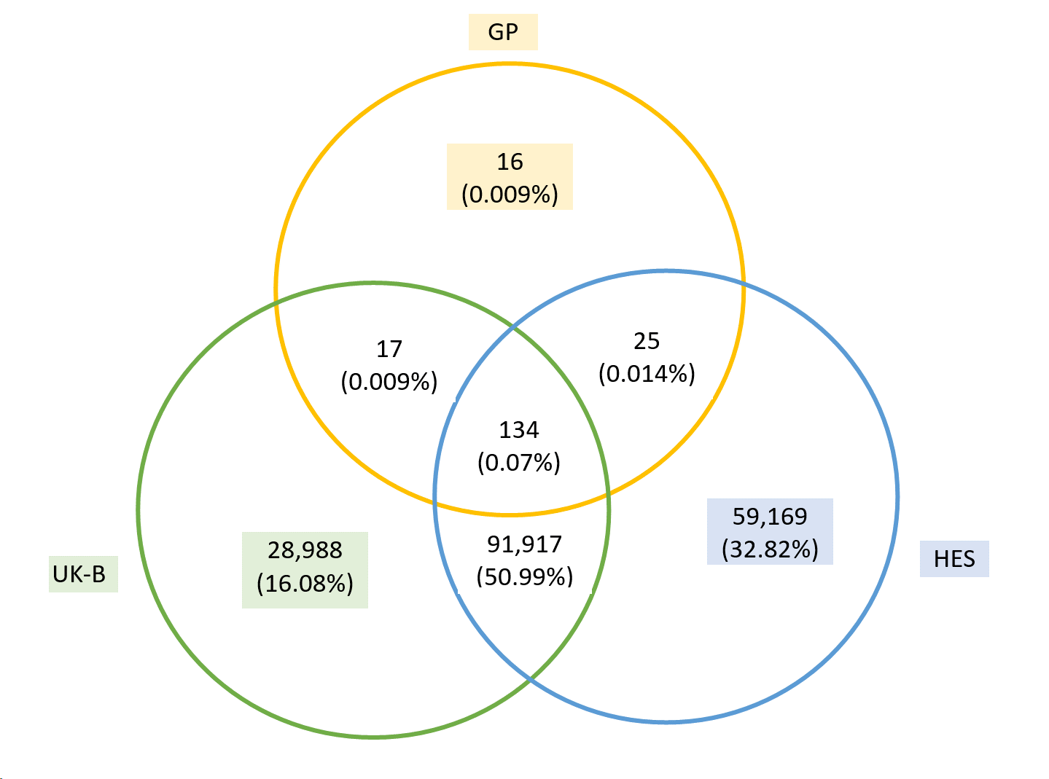
I119 |  | Hypertensive heart disease without (congestive) heart failure | 279
I12 |  | Hypertensive renal disease | 0
I120 |  | Hypertensive renal disease with renal failure | 1972
I129 |  | Hypertensive renal disease without renal failure | 387
I13 |  | Hypertensive heart and renal disease | 0
I130 |  | Hypertensive heart and renal disease with (congestive) heart failure | 30
I131 |  | Hypertensive heart and renal disease with renal failure | 17
I132 |  | Hypertensive heart and renal disease with both (congestive) heart failure and renal failure | 60
I139 |  | Hypertensive heart and renal disease, unspecified | 46
I15 |  | Secondary hypertension | 0
I150 |  | Renovascular hypertension | 25
I151 |  | Hypertension secondary to other renal disorders | 145
I152 |  | Hypertension secondary to endocrine disorders | 16
I158 |  | Other secondary hypertension | 19
I159 |  | Secondary hypertension, unspecified | 65
GP DATA
Read 2 code | Code | Description
G21.. | I119 | Hypertensive heart disease | 77
G210. | I119 | Malignant hypertensive heart disease | 1
G2100 | I119 | Malignant hypertensive heart disease without congestive cardiac failure | 0
G2101 | I110 | Malignant hypertensive heart disease with congestive cardiac failure | 0
G210z | I119 | Malignant hypertensive heart disease NOS | 0
G211. | I119 | Benign hypertensive heart disease | 2
G2110 | I119 | Benign hypertensive heart disease without congestive cardiac failure | 0
G2111 | I110 | Benign hypertensive heart disease with congestive cardiac failure | 0
G211z | I119 | Benign hypertensive heart disease NOS | 0
G21z. | I119 | Hypertensive heart disease NOS | 4
G21z0 | I119 | Hypertensive heart disease NOS without congestive cardic failure | 6
G21z1 | I110 | Hypertensive heart disease NOS with congestive cardiac failure | 1
G21zz | I119 | Hypertensive heart disease NOS | 1
G22.. | I129 | Hypertensive renal disease | 13
G220. | I129 | Malignant hypertensive renal disease | 2
G221. | I129 | Benign hypertensive renal disease | 2
G222. | I120 | Hypertensive renal disease with renal failure | 1
G22z. | I129 | Hypertensive renal disease NOS | 10
G23.. | I139 | Hypertensive heart and renal disease | 1
G230. | I139 | Malignant hypertensive heart and renal disease | 1
G231. | I139 | Benign hypertensive heart and renal disease | 0
G232. | I130 | Hypertensive heart and renal disease with (congestive) heart failure | 0
G233. | I131 | Hypertensive heart and renal disease with renal failure | 0
G234. | I132 | Hypertensive heart and renal disease with both (congestive) heart failure and renal failure | 0
G23z. | I139 | Hypertensive heart and renal disease NOS | 0
G24.. | I159 | Secondary hypertension | 132
G240. | I159 | Secondary malignant hypertension | 3
G2400 | I150 | Secondary malignant renovascular hypertension | 1
G240z | I159 | Secondary malignant hypertension NOS | 2
G241. | I159 | Secondary benign hypertension | 2
G2410 | I150 | Secondary benign renovascular hypertension | 1
G241z | I159 | Secondary benign hypertension NOS | 0
G244. | I152 | Hypertension secondary to endocrine disorders | 0
G24z. | I159 | Secondary hypertension NOS | 4
G24z0 | I150 | Secondary renovascular hypertension NOS | 4
G24z1 | I158 | Hypertension secondary to drug | 4
G24zz | I159 | Secondary hypertension NOS | 3
Gyu20 | I158 | [X]Other secondary hypertension | 0
Gyu21 | I151 | [X]Hypertension secondary to other renal disorders | 1
K138. | I129 | Vascular disorders of kidney | 5
K138. | I129 | Vascular disorders of kidney | 5
K1386 | I129 | Renal vascular disease | 0

IS
Ischaemic stroke |  |  | Logistic | SA_birth | SA_enrol
UK Biobank - Verbal Interview
Field | Code | Description
20002 | 1583 | Ischaemic stroke | 17 | Field 20009: Interpolated Year/age of the event | Eliminem aquesta gent
HES DATA
Code |  | Description |  |  |  | Logistic |  | Birth |  | Enrol
I63 |  | I63 Cerebral infarction | 0 |  |  | Ischaemic stroke | 9095 / 442,272 | Ischaemic stroke | 9095 / 442,272 | Ischaemic stroke | 7829 / 440,991
I630 |  | I63.0 Cerebral infarction due to thrombosis of precerebral arteries | 85 |  |  |  | 2.06% |  | 2.06% |  | 1.78%
I631 |  | I63.1 Cerebral infarction due to embolism of precerebral arteries | 22
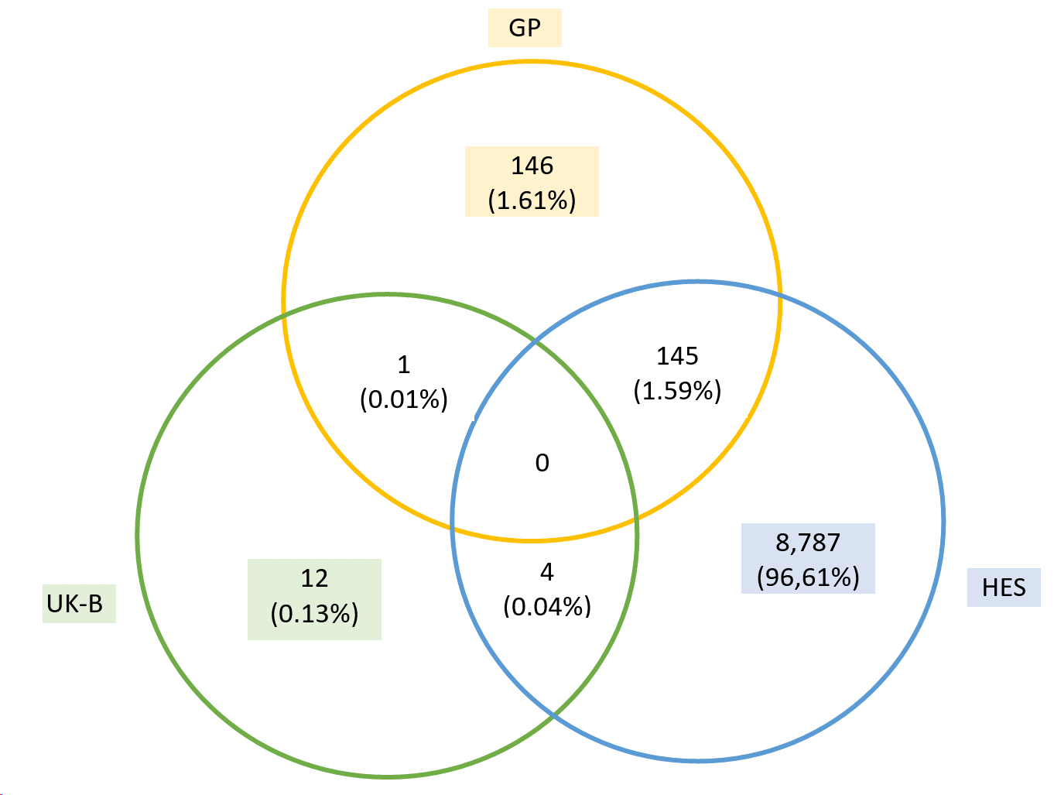
I632 |  | I63.2 Cerebral infarction due to unspecified occlusion or stenosis of precerebral arteries | 305
I633 |  | I63.3 Cerebral infarction due to thrombosis of cerebral arteries | 710
I634 |  | I63.4 Cerebral infarction due to embolism of cerebral arteries | 444
I635 |  | I63.5 Cerebral infarction due to unspecified occlusion or stenosis of cerebral arteries | 1937
I636 |  | I63.6 Cerebral infarction due to cerebral venous thrombosis, nonpyogenic | 13
I638 |  | I63.8 Other cerebral infarction | 603
I639 |  | I63.9 Cerebral infarction, unspecified | 5794
GP DATA
Read 2 code | Code | Description
G63y0 | I630 | Cerebral infarct due to thrombosis of precerebral arteries | 12
G63y1 | I631 | Cerebral infarction due to embolism of precerebral arteries | 4
G6400 | I633 | Cerebral infarction due to thrombosis of cerebral arteries | 13
G6410 | I634 | Cerebral infarction due to embolism of cerebral arteries | 8
G64z. | I639 | Cerebral infarction NOS | 235
G64z0 | I639 | Brainstem infarction | 7
G64z2 | I639 | Left sided cerebral infarction | 17
G64z3 | I639 | Right sided cerebral infarction | 26
G64z4 | I639 | Infarction of basal ganglia | 11
G6760 | I636 | Cerebral infarction due to cerebral venous thrombosis, nonpyogenic | 6
G6W.. | I632 | Cerebral infarction due to unspecified occlusion or stenosis of precerebral arteries | 3
G6X.. | I635 | Cerebral infarction due to unspecified occlusion or stenosis of cerebral arteries | 7
Gyu63 | I635 | [X]Cerebral infarction due to unspecified occlusion or stenosis of cerebral arteries | 4
Gyu64 | I638 | [X]Other cerebral infarction | 13
Gyu6G | I632 | [X]Cerebral infarction due to unspecified occlusion or stenosis of precerebral arteries | 2

MI
Myocardial infarction |  |  | Logistic | SA_birth | SA_enrol
UK Biobank - Touchscreen
Field | Code | Description
3894 |  | Age heart attack diagnosed | 11195 |  | Eliminem aquests pacients
UK Biobank - Verbal interview
Field | Code | Description
20002 | 1075 | Non-cancer illness code, self-reported - Heart attack/Myocardial infarction | 11502 | Field 20009: Interpolated Year/age of the event | Eliminem aquests pacients
HES DATA
Code |  | Description
I21 |  | Acute myocardial infarction | 0
I210 |  | Acute transmural myocardial infarction of anterior wall | 2953
I211 |  | Acute transmural myocardial infarction of inferior wall | 3588 |  |  |  |  | Logistic |  | Birth |  | Enrolment
I212 |  | Acute transmural myocardial infarction of other sites | 479 |  |  |  |  | Myocardial infarction | 22,498 / 442,272 | Myocardial infarction | 22,450 / 442,224 | Myocardial infarction | 10,613 / 430,372
I213 |  | Acute transmural myocardial infarction of unspecified site | 343 |  |  |  |  |  | 5,08% |  | 5,07% |  | 2,47%
I214 |  | Acute subendocardial myocardial infarction | 5261
I219 |  | Acute myocardial infarction, unspecified | 5461
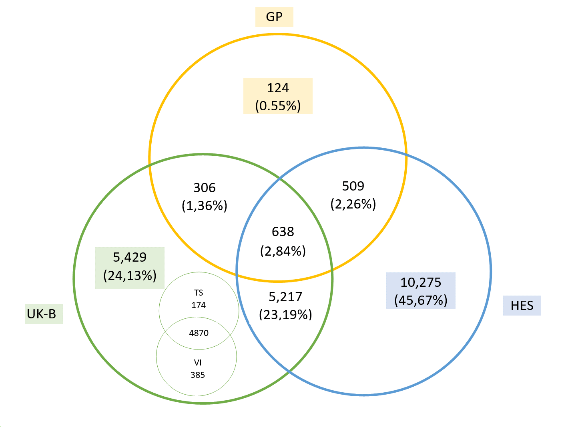
I22 |  | Subsequent myocardial infarction | 0
I220 |  | Subsequent myocardial infarction of anterior wall | 123
I221 |  | Subsequent myocardial infarction of inferior wall | 216
I228 |  | Subsequent myocardial infarction of other sites | 94
I229 |  | Subsequent myocardial infarction of unspecified site | 583
I23 |  | Certain current complications following acute myocardial infarction | 0 |  |  | ukb | 11590
I230 |  | Haemopericardium as current complication following acute myocardial infarction | 1 |  |  | hes | 16639
I231 |  | Atrial septal defect as current complication following acute myocardial infarction | 4 |  |  | gp | 1577
I232 |  | Ventricular septal defect as current complication following acute myocardial infarction | 13
I233 |  | Rupture of cardiac wall without haemopericardium as current complication following acute myocardial infarction | 1
I234 |  | Rupture of chordae tendineae as current complication following acute myocardial infarction | 0
I235 |  | Rupture of papillary muscle as current complication following acute myocardial infarction | 3
I236 |  | Thrombosis of atrium, auricular appendage, and ventricle as current complications following acute myocardial infarction | 16
I238 |  | Other current complications following acute myocardial infarction | 55
GP DATA
Read 2 code | Code | Description
G300. | I210 | Acute anterolateral infarction | 82
G301. | I210 | Other specified anterior myocardial infarction | 27
G3010 | I210 | Acute anteroapical infarction | 2
G3011 | I210 | Acute anteroseptal infarction | 27
G301z | I210 | Anterior myocardial infarction NOS | 176
G302. | I211 | Acute inferolateral infarction | 77
G303. | I211 | Acute inferoposterior infarction | 19
G304. | I212 | Posterior myocardial infarction NOS | 27
G305. | I212 | Lateral myocardial infarction NOS | 17
G306. | I212 | True posterior myocardial infarction | 3
G307. | I214 | Acute subendocardial infarction | 42
G3070 | I214 | Acute non-Q wave infarction | 5
G3071 | I214 | Acute non-ST segment elevation myocardial infarction | 498
G308. | I211 | Inferior myocardial infarction NOS | 428
G309. | I213 | Acute Q-wave infarct | 3
G30A. | I219 | Mural thrombosis | 4
G30B. | I212 | Acute posterolateral myocardial infarction | 0
G30X. | I213 | Acute transmural myocardial infarction of unspecified site | 1
G30X0 | I219 | Acute ST segment elevation myocardial infarction | 197
G30y. | I219 | Other acute myocardial infarction | 8
G30y0 | I219 | Acute atrial infarction | 1
G30y1 | I214 | Acute papillary muscle infarction | 0
G30y2 | I212 | Acute septal infarction | 1
G30yz | I211 | Other acute myocardial infarction NOS | 11
G30z. | I219 | Acute myocardial infarction NOS | 583
G35.. | I22 | Subsequent myocardial infarction | 8
G350. | I220 | Subsequent myocardial infarction of anterior wall | 0
G351. | I221 | Subsequent myocardial infarction of inferior wall | 1
G353. | I228 | Subsequent myocardial infarction of other sites | 0
G35X. | I229 | Subsequent myocardial infarction of unspecified site | 0
G36.. | I23 | Certain current complications following acute myocardial infarction | 0
G360. | I230 | Haemopericardium as current complication following acute myocardial infarction | 0
G361. | I231 | Atrial septal defect as current complication following acute myocardial infarction | 0
G362. | I232 | Ventricular septal defect as current complication following acute myocardial infarction | 0
G363. | I233 | Rupture of cardiac wall without haemopericardium as current complication following acute myocardial infarction | 0
G364. | I234 | Rupture of chordae tendinae as current complication following acute myocardial infarction | 0
G365. | I235 | Rupture of papillary muscle as current complication following acute myocardial infarction | 0
G366. | I236 | Thrombosis of atrium, auricular appendage, and ventricle as current complications following acute myocardial infarction | 1
G38.. | I21 | Postoperative myocardial infarction | 3
G380. | I210 | Postoperative transmural myocardial infarction of anterior wall | 0
G381. | I211 | Postoperative transmural myocardial infarction of inferior wall | 0
G382. | I212 | Postoperative transmural myocardial infarction of other sites | 0
G383. | I213 | Postoperative transmural myocardial infarction of unspecified site | 0
G384. | I214 | Postoperative subendocardial myocardial infarction | 2
G38z. | I219 | Postoperative myocardial infarction, unspecified | 0
G501. | I238 | Post infarction pericarditis | 0
Gyu31 | I238 | [X]Other current complications following acute myocardial infarction | 0
Gyu34 | I213 | [X]Acute transmural myocardial infarction of unspecified site | 2
Gyu35 | I228 | [X]Subsequent myocardial infarction of other sites | 0
Gyu36 | I229 | [X]Subsequent myocardial infarction of unspecified site | 0

T2DM
Type 2 diabetes |  |  |  | Logistic | SA_birth | SA_enrol
UK Biobank - Touchscreen
Field | Code | Description |  |  | Field: 2976 (Age diabetes diagnosed)
2443 |  | Diabetes diagnosed by a doctor |  | 23311 |  | Eliminem aquests pacients
UK Biobank - Verbal interview (Diagnostic) |  |  |  |  | Field 20009: Interpolated Year/age of the event
Field | Code | Description |  | 3180 |  | Eliminem aquests pacients
20002 | 1223 | Non-cancer illness code, self-reported - Type 2 diabetes |  |  |  |  | Logistic |  | Birth |  | Enrolment
UK Biobank - Verbal interview (Medicines) |  |  |  |  |  |  | T2DM | 45,877 / 442,272 | T2DM | 26,491 / 423,538 | T2DM | 17280 / 414,315
Field | Code | Description |  | 6443 | Eliminem als pacients que es prenguin aquestes medicines |  |  | 10,37% |  | 6,25% |  | 4,17%
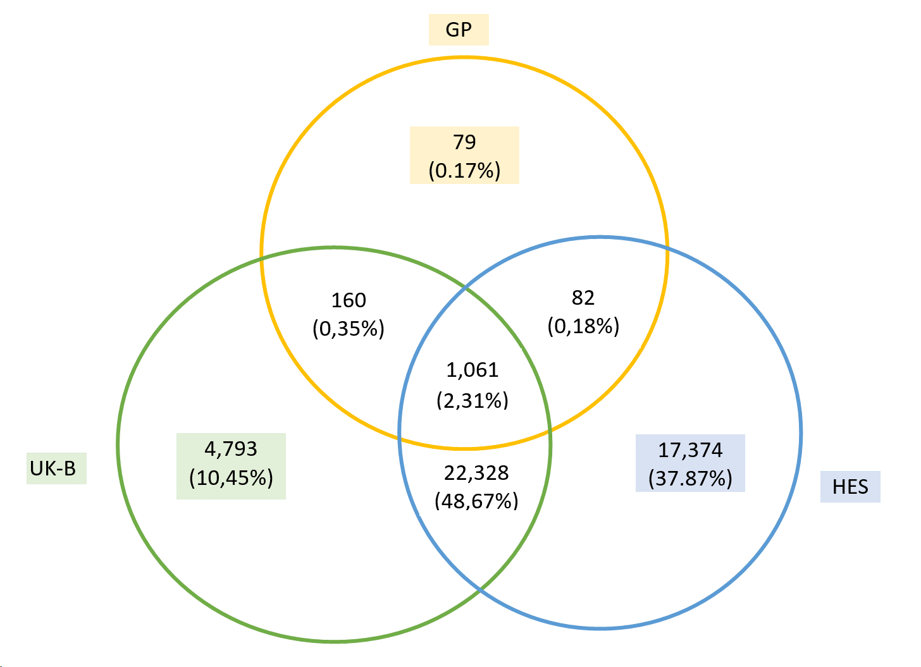
20003 | 1140874646 | Glipizide
20003 | 1140874664 | Tolazamide
20003 | 1140874674 | Tolbutamide
20003 | 1140874686 | Glucophage
20003 | 1140874706 | Chlorpropamide)
20003 | 1140874718 | Glibenclamide
20003 | 1140874744 | Gliclazide
20003 | 1141189090 | Rosiglitazone/Metformin
20003 | 1141171646 | Pioglitazone
20003 | 1140868902 | Acarbose
20003 | 1141168660 | Repaglinide
20003 | 1141152590 | Glimepiride
20003 | 1140874650 | Glibenese
20003 | 1140874652 | Minodiab
20003 | 1140874658 | Gliquidone
20003 | 1140874660 | Glurenorm
20003 | 1140874666 | Tolanase
20003 | 1140874678 | Glyconon
20003 | 1140874680 | Rastinon
20003 | 1140874690 | Orabet
20003 | 1140874712 | Diabinese
20003 | 1140874716 | Glymese
20003 | 1140874724 | Daonil
20003 | 1140874726 | Semi-Daonil
20003 | 1140874728 | Euglucon
20003 | 1140874732 | Malix
20003 | 1140874736 | Diabetamide
20003 | 1140874740 | Calabren
20003 | 1140874746 | Diamicron
20003 | 1141171652 | Actos
20003 | 1140868908 | Glucobay
20003 | 1141168668 | Novonorm
20003 | 1141157284 | Glipizide product
UK Biobank - Verbal interview (Biomarkers)
Field | Code | Description
30750 | HbA1c | HbA1c greater than 48 mmol/mol is diagnosed as diabetes |  | 16604 | Eliminem aquests pacients que tinguin HbA1c > 48
HES DATA
Code |  | Description
E11 |  | Non-insulin-dependent diabetes mellitus |  | 0
E110 |  | With coma |  | 160
E111 |  | With ketoacidosis |  | 444
E112 |  | With renal complications |  | 688
E113 |  | With ophthalmic complications |  | 3795
E114 |  | With neurological complications |  | 1417
E115 |  | With peripheral circulatory complications |  | 912
E116 |  | With other specified complications |  | 338
E117 |  | With multiple complications |  | 15
E118 |  | With unspecified complications |  | 122
E119 |  | Without complications |  | 40232
GP DATA
Read 2 code | Code | Description
C109. | E110 | Type 2 diabetes mellitus |  | 1557
C1001 | E119 | Diabetes mellitus, adult onset, with no mention of complication |  | 672
C1011 | E111 | Diabetes mellitus, adult onset, with ketoacidosis |  | 3
C1021 | E110 | Diabetes mellitus, adult onset, with hyperosmolar coma |  | 0
C1031 | E110 | Diabetes mellitus, adult onset, with ketoacidotic coma |  | 0
C1071 | E115 | Diabetes mellitus, adult onset, with peripheral circulatory disorder |  | 0
C1072 | E115 | Diabetes mellitus, adult with gangrene |  | 0
C1074 | E115 | NIDDM with peripheral circulatory disorder |  | 2
C1091 | E113 | Non-insulin-dependent diabetes mellitus with ophthalmic complications |  | 11
C1093 | E117 | Non-insulin-dependent diabetes mellitus with multiple complications |  | 11
C1094 | E115 | Non-insulin dependent diabetes mellitus with ulcer |  | 32
C1094 | E115 | Non-insulin dependent diabetes mellitus with ulcer |  | 32
C1095 | E115 | Non-insulin dependent diabetes mellitus with gangrene |  | 3
C1095 | E115 | Non-insulin dependent diabetes mellitus with gangrene |  | 3
C1097 | E119 | Non-insulin dependent diabetes mellitus - poor control |  | 241
C1097 | E119 | Non-insulin dependent diabetes mellitus - poor control |  | 241
C1099 | E119 | Non-insulin-dependent diabetes mellitus without complication |  | 4
C109D | E110 | Non-insulin dependent diabetes mellitus with hypoglycaemic coma |  | 0
C109J | E119 | Insulin treated Type 2 diabetes mellitus |  | 48
C109K | E119 | Hyperosmolar non-ketotic state in type 2 diabetes mellitus |  | 3
C10F3 | E117 | Type 2 diabetes mellitus with multiple complications |  | 0
C10F4 | E115 | Type 2 diabetes mellitus with ulcer |  | 0
C10F5 | E115 | Type 2 diabetes mellitus with gangrene |  | 0
C10F7 | E119 | Type 2 diabetes mellitus - poor control |  | 9
C10F8 | E116 | Reaven's syndrome |  | 0
C10F9 | E119 | Type 2 diabetes mellitus without complication |  | 7
C10FD | E110 | Type 2 diabetes mellitus with hypoglycaemic coma |  | 0
C10FJ | E119 | Insulin treated Type 2 diabetes mellitus |  | 157
C10FK | E119 | Hyperosmolar non-ketotic state in type 2 diabetes mellitus |  | 4
C10FN | E111 | Type 2 diabetes mellitus with ketoacidosis |  | 3
C10FP | E110 | Type 2 diabetes mellitus with ketoacidotic coma |  | 0
C10FS | E119 | Maternally inherited diabetes mellitus |  | 1
C10P1 | E119 | Type II diabetes mellitus in remission |  | 0
C10Q. | E119 | Maturity onset diabetes of the young type 5 |  | 0
C10y1 | E116 | Diabetes mellitus, adult onset, with other specified manifestation |  | 0
C10z1 | E118 | Diabetes mellitus, adult onset, with unspecified complication |  | 0
f36.. | Drugs | Glipizide |  | 0 | Eliminem als pacients que es prenguin aquestes medicines
f361. | Drugs | Glipizide | 5mg tablets | 0
f36y. | Drugs | Glipizide | *5mg tablets | 0
f36z. | Drugs | Glipizide | 2.5mg tablets | 0
f39.. | Drugs | Tolazamide |  | 0
f39y. | Drugs | Tolazamide | 100mg tablets | 0
f39z. | Drugs | Tolazamide | 250mg tablets | 0
f3a.. | Drugs | Tolbutamide |  | 0
f3a1. | Drugs | Tolbutamide | 500mg tablets | 0
f411. | Drugs | Glucophage | 500mg tablets | 0
f412. | Drugs | Glucophage | 850mg tablets | 0
f417. | Drugs | Glucophage | SR 500mg m/r tablets | 0
f419. | Drugs | Glucophage | SR 750mg m/r tablets | 0
f41A. | Drugs | Glucophage | SR 1000mg m/r tablets | 0
f41C. | Drugs | Glucophage | 500mg/sachet oral powder | 0
f41D. | Drugs | Glucophage | 1000mg/sachet oral powder | 0
f32.. | Drugs | Chlorpropamide |  | 0
f321. | Drugs | Chlorpropamide | 100ma tablets | 0
f322. | Drugs | Chlorpropamide | 250mg tablets | 0
f33.. | Drugs | Glibenclamide |  | 0
f331. | Drugs | Glibenclamide | 2.5mg tablets | 0
f332. | Drugs | Glibenclamide | 5mg tablets | 0
f35.. | Drugs | Gliclazide |  | 13
f35w. | Drugs | Gliclazide | 60mg m/r tablets | 0
f35x. | Drugs | Gliclazide | 40mg tablets | 0
f35y. | Drugs | Gliclazide | 30mg m/r tablets | 1
f35z. | Drugs | Gliclazide | 80mg tablets | 31
ft7.. | Drugs | Metformin | Metformin + Pioglitazone | 1
ft7z. | Drugs | Metformin | Metformin 850mg/Pioglitazone 15mg tablets | 0
ftb.. | Drugs | Metformin | Metformin + Vildagliptin | 0
ftby. | Drugs | Metformin | Vildagliptin/Metformin 50mg/1000mg tablets | 0
ftbz. | Drugs | Metformin | Vildagliptin/Metformin 50mg/850mg tablets | 0
fte.. | Drugs | Metformin | Metformin + Sitagliptin | 0
ftez. | Drugs | Metformin | Sitagliptin/Metformin Hydrochloride 50mg/1000mg tablets | 0
ftg.. | Drugs | Metformin | Metformin + Linagliptin | 0
ftg2. | Drugs | Metformin | Linagliptin/Metformin Hydrochloride 2.5mg/850mg tablets | 0
ftg4. | Drugs | Metformin | Linagliptin/Metformin Hydrochloride 2.5mg/1000mg tablets | 0
fti.. | Drugs | Metformin | Metformin + Saxagliptin | 0
ft4u. | Drugs | Rosiglitazone/Metformin | Rosiglitazone 2mg / Metformin 1000mg tablets | 0
ft4v. | Drugs | Rosiglitazone/Metformin | Rosiglitazone 4mg / Metformin 1000mg tablets | 0
ft4w. | Drugs | Rosiglitazone/Metformin | Rosiglitazone 2mg / Metformin 500mg tablets | 0
ft4x. | Drugs | Rosiglitazone/Metformin | Rosiglitazone 1mg / Metformin 500mg tablets | 0
ft5.. | Drugs | Pioglitazone |  | 10
ft5x. | Drugs | Pioglitazone | 45mg tablets | 0
ft5y. | Drugs | Pioglitazone | 30mg tablets | 0
ft5z. | Drugs | Pioglitazone | 15mg tablets | 0
ft7.. | Drugs | Pioglitazone | Metformin + Pioglitazone | 1
ft7z. | Drugs | Pioglitazone | Metformin 850mg/Pioglitazone 15mg tablets | 0
ft1.. | Drugs | Acarbose |  | 1
ft11. | Drugs | Acarbose | 50mg tablets | 0
ft12. | Drugs | Acarbose | 100mg tablets | 0
ft3.. | Drugs | Repaglinide |  | 0
ft31. | Drugs | Repaglinide | 0.5mg tablets | 0
ft32. | Drugs | Repaglinide | 1mg tablets | 0
ft33. | Drugs | Repaglinide | 2mg tablets | 0
f3A.. | Drugs | Glimepiride |  | 16
f3A1. | Drugs | Glimepiride | 2mg tablets | 0
f3A3. | Drugs | Glimepiride | 1mg tablets | 1
f3A4. | Drugs | Glimepiride | 3mg tablets | 0
f3A5. | Drugs | Glimepiride | 4mg tablets | 0
f362. | Drugs | Glibenese | *5mg tablets | 0
f363. | Drugs | Miniodiab | *2.5mg tablets | 0
f364. | Drugs | Miniodiab | 5mg tablets | 0
f37.. | Drugs | Gliquidone |  | 0
f37z. | Drugs | Gliquidone | *30mg tablets | 0
f371. | Drugs | Glurenorm | *30mg tablets | 0
f391. | Drugs | Tolanase | 100mg tablets | 0
f392. | Drugs | Tolanase | 250mg tablets | 0
f3a2. | Drugs | Glyconon | 500mg tablets | 0
f3a4. | Drugs | Rastinon | *500mg tablets | 0
f413. | Drugs | Orabet | *500mg tablets | 0
f414. | Drugs | Orabet | *850mg tablets | 0
f323. | Drugs | Diabinese | *100mg tablets | 0
f324. | Drugs | Diabinese | *250mg tablets | 0
f325. | Drugs | Glymese | 250mg tablets | 0
f333. | Drugs | Daonil | *5mg tablets | 0
f33b. | Drugs | Daonil | *CP 5mg tablets | 0
f334. | Drugs | Semi-Daonil | *2.5mg tablets | 0
f33c. | Drugs | Semi-Daonil | *CP 2.5mg tablets | 0
f335. | Drugs | Euglucon | *2.5mg tablets | 0
f336. | Drugs | Euglucon | *5mg tablets | 0
f339. | Drugs | Malix | *2.5mg tablets | 0
f33a. | Drugs | Malix | *5mg tablets | 0
f33d. | Drugs | Diabetamide | *2.5mg tablets | 0
f33e. | Drugs | Diabetamide | *5mg tablets | 0
f33f. | Drugs | Calabren | *2.5mg tablets | 0
f33g. | Drugs | Calabren | * 5mg tablets | 0
f351. | Drugs | Diamicron | 80mg tablets | 0
f354. | Drugs | Diamicron | MR 30mg m/r tablets | 0
ft51. | Drugs | Actos | 15mg tablets | 0
ft52. | Drugs | Actos | 30mg tablets | 0
ft53. | Drugs | Actos | 45mg tablets | 0
ft13. | Drugs | Glucobay | 50 tablets | 0
ft14. | Drugs | Glucobay | 100 tablets | 0
ft34. | Drugs | Novonorm | *0.5mg tablets | 1
ft35. | Drugs | Novonorm | *1mg tablets | 0
ft36. | Drugs | Novonorm | *2mg tablets | 0

