Sheet1
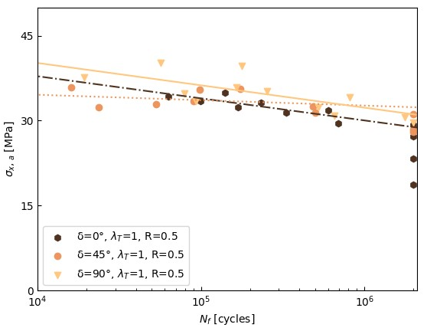
ANCOVA

R | 0.5 |  | 90 | R | 0.5 |  | 45 | R | 0.5 |  | 0

 | stress | numbers |  |  | stress | numbers |  |  | stress | numbers
 | 29.080191051 | 24352 |  |  | 37.936341825 | 158720 |  |  | 31.448299699 | 333330
 | 24.81408227 | 523208 |  |  | 32.527495807 | 483282 |  |  | 31.880717897 | 600465
 | 30.001941981 | 83716 |  |  | 35.481088681 | 98131 |  |  | 32.380264351 | 168787
 | 28.14131234 | 25256 |  |  | 26.108322437 | 640857 |  |  | 33.185093111 | 233455
 | 28.599347952 | 123174 |  |  | 34.186555033 | 8210 |  |  | 33.38138706 | 99020
 | 27.762217906 | 57463 |  |  | 32.859352339 | 53128 |  |  | 34.289613945 | 63407
 | 27.922775882 | 316735 |  |  | 33.406746927 | 90315 |  |  | 34.937584382 | 140662 |  | https://blog.minitab.com/en/adventures-in-statistics-2/understanding-analysis-of-variance-anova-and-the-f-test
 | 24.353838553 | 401972

 |  |  |  |  |  |  |  |  |  |  |  | http://vassarstats.net/vsancova.html

