Step-by-step
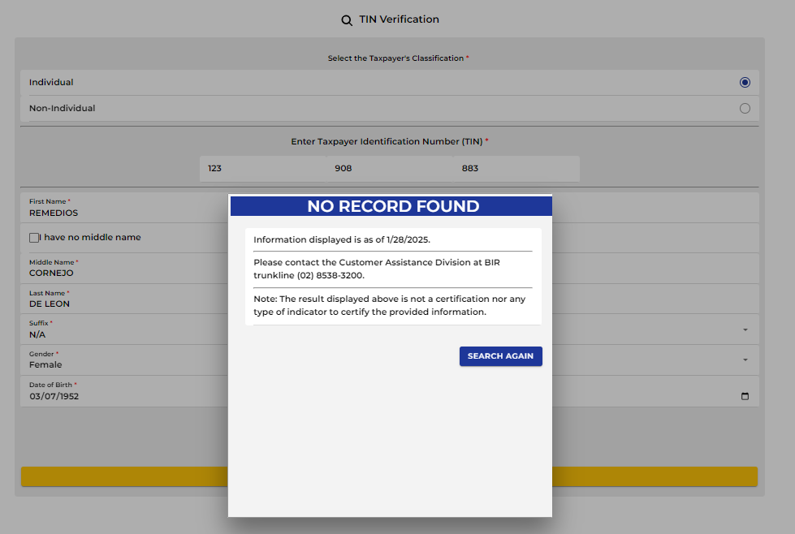
Step-by-step TIN verification.pdf | Remarks/TIN Verification
 | Please add remarks as "no record found" if couldn't be found at the orus link

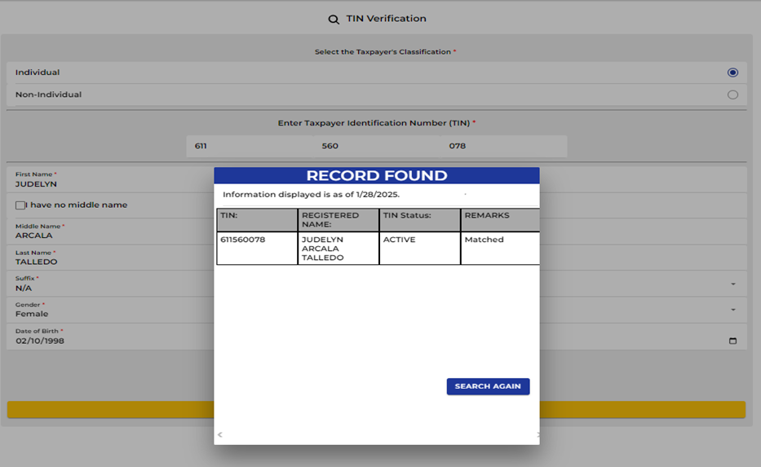
 | Please add remarks as "verified" if matched in the orus link

