mR
 | ID | ACOT9 | hsa-miR-574-3p | LINC01003
1 | PRKCE | 0.68870579291 | 0 | -0.5069006626
2 | ZNF226 | 0.6732486485 | -0.3102216469 | -0.4186857742
3 | ZNF791 | 0.66830878315 | 0 | 0
4 | ITGA11 | 0.65917505487 | 0 | 0
5 | ANKFN1 | 0.65169029497 | 0 | 0
6 | TAF8 | 0.6468588382 | 0 | -0.35880498485
7 | NTNG1 | 0.64443843297 | 0 | -0.34330445384
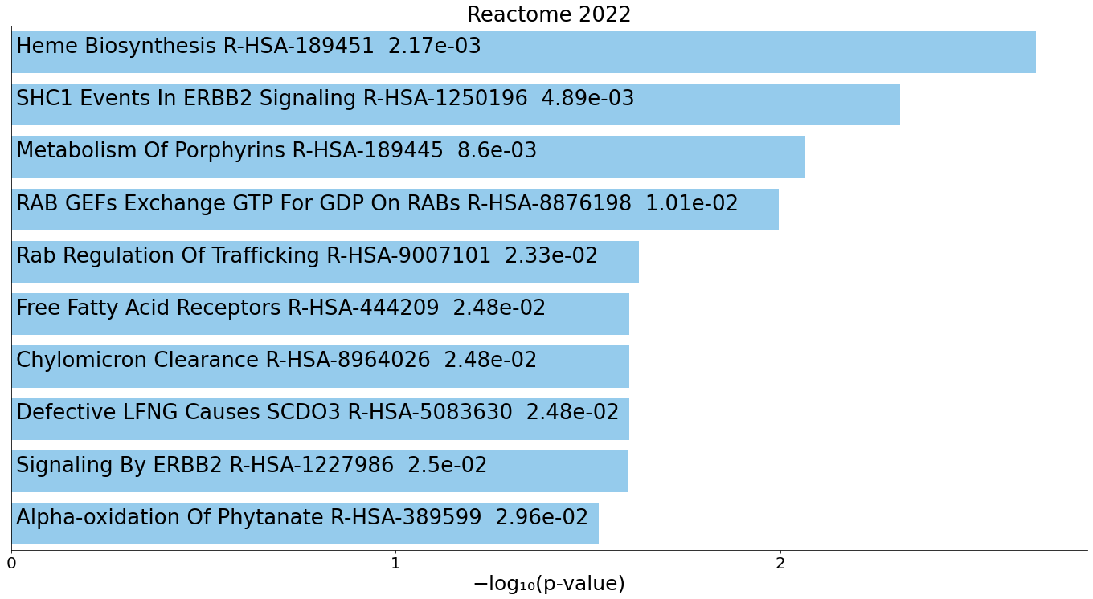
8 | UBE2E2 | 0.64434156174 | 0 | -0.32519398199
9 | ISG20L2 | 0.64081184329 | 0 | 0
10 | SNTB2 | 0.63746720794 | -0.35346909365 | 0
11 | ZNF813 | 0.63574271202 | 0 | 0
12 | SLC14A1 | 0.63191916146 | 0 | -0.30958357579
13 | FLII | -0.63170431504 | 0 | 0.38325977157
14 | BRPF1 | 0.63080187262 | -0.31491470423 | 0
15 | ALDH5A1 | 0.62805406949 | 0 | 0
16 | GPR155 | 0.62689811924 | -0.33519459719 | 0
17 | SLC4A1 | 0.62289817084 | 0 | 0
18 | ZNF605 | 0.62071155406 | 0 | -0.3514131016
19 | NANOG | 0.61976374074 | 0 | -0.31514014228
20 | SHE | 0.61752607503 | 0 | -0.33890399487
21 | YIPF4 | 0.61158746032 | 0 | 0
22 | DCTN5 | 0.60891193922 | 0 | -0.38778825352
23 | LDLR | 0.60762483987 | 0 | 0
24 | PAK3 | 0.6075815181 | 0 | -0.4326538972
25 | POC5 | 0.60206873715 | 0 | 0
26 | MTO1 | 0.60188036727 | 0 | 0
27 | KLHL34 | 0.59914826562 | -0.32911824015 | -0.34894644672
28 | ASTE1 | 0.59903204273 | 0 | 0
29 | C12orf43 | 0.59608557796 | 0 | 0
30 | ZNF419 | 0.5953300638 | 0 | 0
31 | SSTR2 | 0.59443615954 | 0 | 0
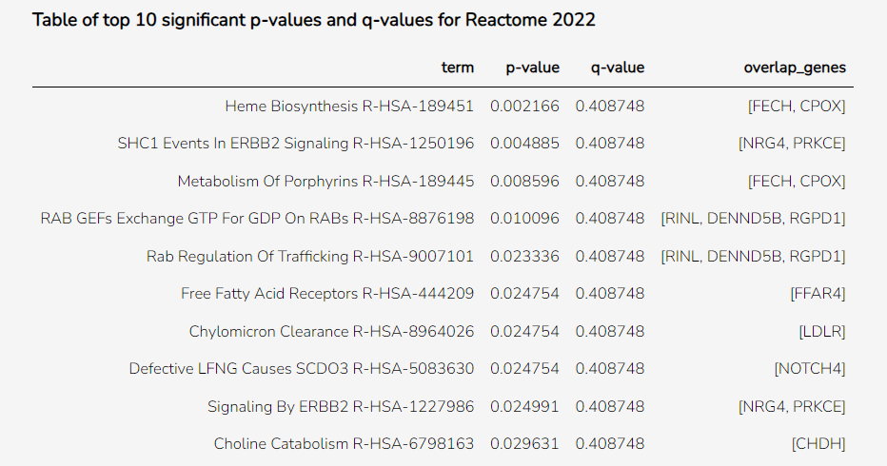
32 | ZNF534 | 0.5940361979 | 0 | 0
33 | SGCD | 0.59365055428 | -0.31879972152 | 0
34 | FARSB | 0.5854964967 | 0 | -0.31184874618
35 | GPATCH8 | 0.58343887064 | 0 | 0
36 | RINL | 0.57936742886 | 0 | -0.36975583878
37 | FGF14 | 0.57890912124 | 0 | 0
38 | TSPO2 | 0.57817642378 | 0 | 0
39 | TMEM231 | 0.57749425146 | -0.36457768616 | 0
40 | AGMAT | 0.57529183112 | 0 | 0
41 | ZNF555 | 0.57507592512 | 0 | -0.40713455866
42 | GALK2 | 0.57409664732 | 0 | 0
43 | EMP2 | 0.57373355989 | 0 | -0.32000686334
44 | NCAM2 | 0.57231869419 | 0 | 0
45 | GGT6 | 0.571431834 | 0 | 0
46 | SPRY3 | 0.56988189568 | 0 | 0
47 | CLDN18 | 0.56985089277 | 0 | 0
48 | DPH5 | 0.56888157299 | 0 | 0
49 | YBEY | 0.56837514984 | 0 | -0.36964562761
50 | C2 | 0.56777383159 | 0 | -0.38140112247
51 | ALDH6A1 | 0.56501675812 | 0 | 0
52 | CPOX | 0.56465947725 | 0 | -0.35944631035
53 | HTR3B | 0.5637590454 | 0 | 0
54 | TCEANC2 | 0.56365941398 | 0 | 0
55 | CHDH | 0.56095636349 | 0 | 0
56 | NRG4 | 0.56073591423 | 0 | 0
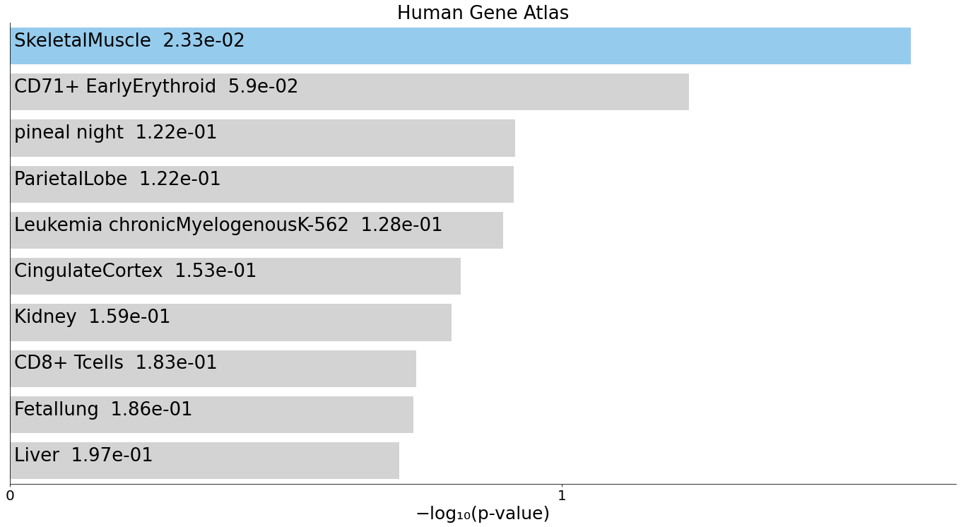
57 | ZNF665 | 0.55918921788 | 0 | 0
58 | GPLD1 | 0.55911650622 | 0 | -0.30556549199
59 | MYL1 | 0.55910693394 | 0 | 0
60 | GPR161 | 0.55907035538 | 0 | 0
61 | FLRT2 | 0.55791545903 | 0 | 0
62 | PECR | 0.55772188031 | 0 | 0
63 | PHYKPL | 0.55681159757 | 0 | -0.33452988687
64 | PTGR2 | 0.55668914872 | 0 | 0
65 | DENND5B | 0.55638192032 | 0 | 0
66 | HINFP | 0.5562553005 | -0.34427995735 | 0
67 | TMEM74 | 0.55584322717 | 0 | 0
68 | FECH | 0.55549548479 | 0 | 0
69 | GPBP1L1 | -0.55540743958 | 0 | 0.30693545698
70 | MNT | 0.55498441254 | 0 | -0.43525793267
71 | IKZF3 | 0.55465866822 | 0 | 0
72 | ZNF426 | 0.5539261111 | 0 | 0
73 | TIGAR | 0.55301211185 | 0 | -0.50073233735
74 | LOC107983981 | 0.55288963282 | 0 | 0
75 | HTR1E | 0.55256726803 | 0 | 0
76 | TMEM168 | 0.55225816478 | 0 | 0
77 | WDR12 | 0.55146224416 | 0 | 0
78 | KNOP1 | 0.55028424523 | -0.31834660031 | 0
79 | RPS6KA5 | 0.54966522064 | -0.35395966286 | -0.36795084078
80 | FEM1A | 0.54935322756 | 0 | 0
81 | RPUSD2 | 0.54807390117 | 0 | 0
82 | NPAS3 | 0.54797245313 | 0 | 0
83 | SOX6 | 0.54788069854 | -0.54429561499 | 0
84 | CHN1 | -0.54714467474 | 0 | 0
85 | MARVELD2 | 0.54709888355 | 0 | 0
86 | CDH23 | 0.54694161263 | -0.35890390966 | 0
87 | TCF23 | 0.54684513566 | 0 | -0.35165505106
88 | LOC107985692 | 0.54669384494 | -0.47208894626 | 0
89 | FFAR4 | 0.54609383359 | 0 | -0.31983359595
90 | MAP3K20 | 0.54474262815 | 0 | 0
91 | HILPDA | 0.54387999847 | 0 | 0
92 | ATP8B1 | 0.54215442759 | 0 | 0
93 | RGPD1 | 0.54191381802 | 0 | 0
94 | DIS3L | 0.54180520295 | 0 | -0.46047839049
95 | ZFP14 | 0.54102614366 | 0 | 0
96 | BDH1 | 0.54094698215 | 0 | 0
97 | KLF12 | 0.5407805963 | 0 | 0
98 | MCM9 | 0.53937268439 | 0 | 0
99 | RPAP2 | 0.5387351702 | 0 | 0
100 | NOTCH4 | 0.53826989903 | 0 | -0.35217692098

300
ID
PRKCE
ZNF226
ZNF791
ITGA11
ANKFN1
TAF8
NTNG1
UBE2E2
ISG20L2
SNTB2
ZNF813
SLC14A1
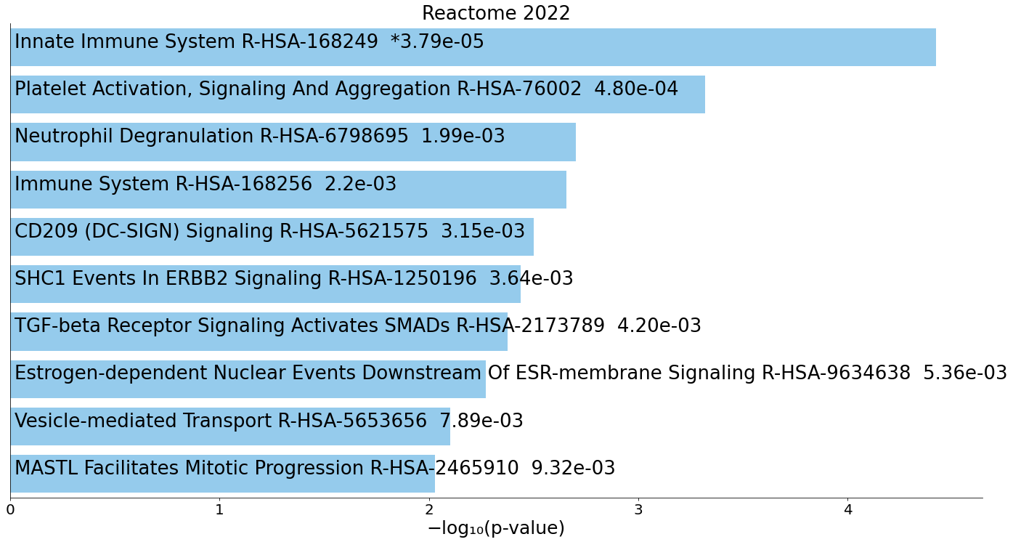
FLII
BRPF1
ALDH5A1
GPR155
SLC4A1
ZNF605
NANOG
SHE
YIPF4
DCTN5
LDLR
PAK3
POC5
MTO1
KLHL34
ASTE1
C12orf43
ZNF419
SSTR2
ZNF534
SGCD
FARSB
GPATCH8
RINL
FGF14
TSPO2
TMEM231
AGMAT
ZNF555
GALK2
EMP2
NCAM2
GGT6
SPRY3
CLDN18
DPH5
YBEY
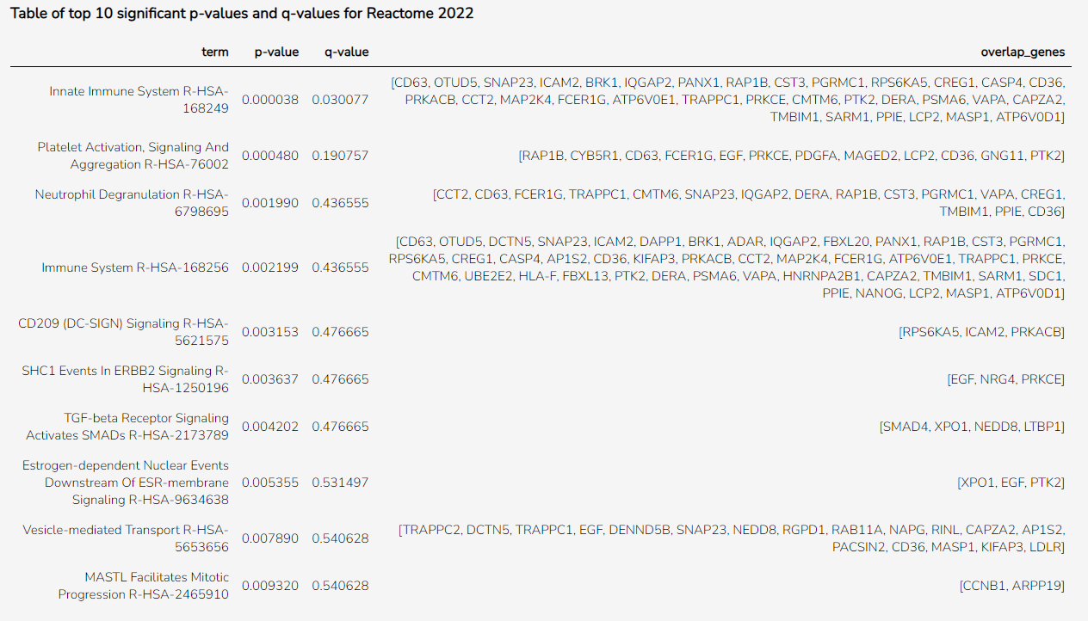
C2
ALDH6A1
CPOX
HTR3B
TCEANC2
CHDH
NRG4
ZNF665
GPLD1
MYL1
GPR161
FLRT2
PECR
PHYKPL
PTGR2
DENND5B
HINFP
TMEM74
FECH
GPBP1L1
MNT
IKZF3
ZNF426
TIGAR
LOC107983981
HTR1E
TMEM168
WDR12
KNOP1
RPS6KA5
FEM1A
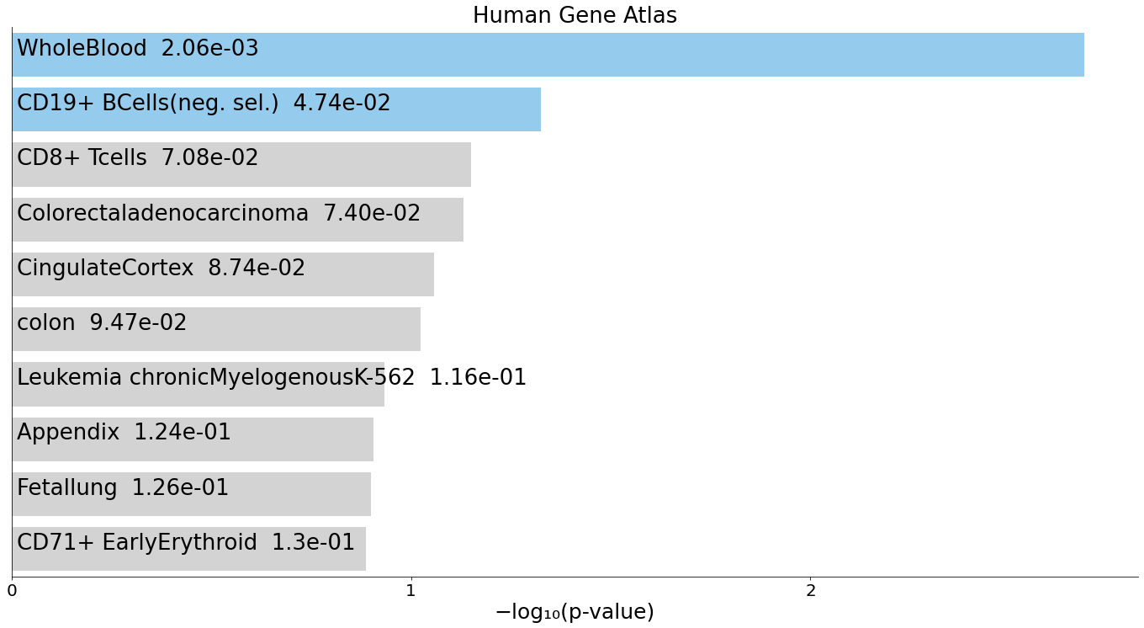
RPUSD2
NPAS3
SOX6
CHN1
MARVELD2
CDH23
TCF23
LOC107985692
FFAR4
MAP3K20
HILPDA
ATP8B1
RGPD1
DIS3L
ZFP14
BDH1
KLF12
MCM9
RPAP2
NOTCH4
EGF
PRKACB
SELP
SEPTIN1
DCAKD
NPTN
DYNLRB1
CDK2AP1
CDK14
ZFAND1
VAPA
USP12
AGPAT1
LEPROT
NXT2
PKIG
CD36
ILK
CCNB1
VCAN
VAPB
CST3
ARFGEF1
OST4
C12orf75
LSM14A
SECISBP2
DERA
NAPG
HTATIP2
UCHL3
ADD3
VEPH1
TMEM106C
FCER1G
ACRBP
XPO1
SUPT4H1
SENP6
BRK1
TRAPPC2
KIFAP3
TDRP
CGRRF1
MBNL1
SKAP2
EIF2AK1
GPX4
DIABLO
TNPO1
DAD1
FUNDC1
RAP1B
PCGF5
CCT2
LOC102723728
NCOA2
MAGED2
PGRMC1
ETFA
FBXL13
RAB11A
RDH11
AMFR
AP1S2
CREG1
ITM2B
TMED5
TMEM140
LTBP1
CHURC1
CDC42SE2
FRMD4B
ARPP19
DNAJC4
DAPP1
SNAP23
CCAR1
LIMS1
ELK3
USP33
TSPAN2
TRAPPC1
EMC3
PTCRA
EMP3
CLIC4
ICAM2
GPCPD1
RGCC
GNG11
ATP6V0E1
CEP70
DAZAP2
STK24
IQGAP2
PDZD8
MAP3K7CL
SCFD2
CAPZA2
SDC1
TTBK1
OTUD5
CLDN4
CD63
ALG8
INSRR
MED16
ASH2L
CDC73
MEOX2
TMED4
GTF3C6
ATP6V0D1
PLXNA3
RTN2
CNTNAP5
MMGT1
L3MBTL4
TBC1D23
LOC107984104
PSMA6
CWF19L2
APIP
NUBPL
YPEL2
WDR11
P2RY10
NFAT5
ZNF541
PTTG1IP
ARL2
PACSIN2
ACTR3B
NDUFA3
DERL1
NEDD8
CASP4
SYNCRIP
SDHA
LCP2
CTDSP1
KATNA1
EAF2
SOD2
EIF5A
PPIE
TLCD3B
PDGFA
ADAR
PRXL2B
WSB2
FBXL20
LYSMD3
SFN
NCOA3
ADGRG5
SLC35G3
CHRNA4
CMTM6
GRM6
TMBIM1
PTK2
CELF3
ESCO1
SESTD1
SMAD4
MR1
CD164
SARM1
PDE4B
CPSF6
TSPAN33
C1orf43
NBR1
MT1X
CBR4
HELQ
USP1
HLA-F
FHIT
EXOC6B
AHRR
PANX1
CARD19
HNRNPA2B1
CHRD
PIN1
ACP6
G6PD
MTHFSD
DRP2
MAP2K4
MASP1
SLC16A11
CSNK1A1
STK36
CLCN1
PHIP
CYB5R1

200_mR_miR
ID
PRKCE
ZNF226
ZNF791
ITGA11
ANKFN1
TAF8
NTNG1
UBE2E2
ISG20L2
SNTB2
ZNF813
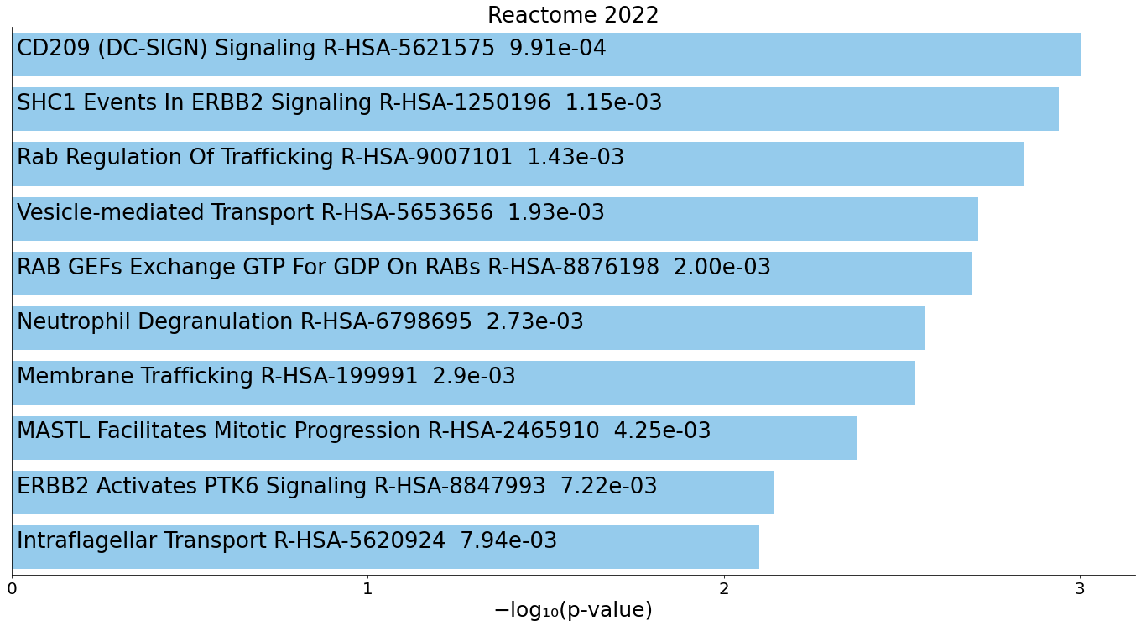
SLC14A1
FLII
BRPF1
ALDH5A1
GPR155
SLC4A1
ZNF605
NANOG
SHE
YIPF4
DCTN5
LDLR
PAK3
POC5
MTO1
KLHL34
ASTE1
C12orf43
ZNF419
SSTR2
ZNF534
SGCD
FARSB
GPATCH8
RINL
FGF14
TSPO2
TMEM231
AGMAT
ZNF555
GALK2
EMP2
NCAM2
GGT6
SPRY3
CLDN18
DPH5
YBEY
C2
ALDH6A1
CPOX
HTR3B
TCEANC2
CHDH
NRG4
ZNF665
GPLD1
MYL1
GPR161
FLRT2
PECR
PHYKPL
PTGR2
DENND5B
HINFP
TMEM74
FECH
GPBP1L1
MNT
IKZF3
ZNF426
TIGAR
LOC107983981
HTR1E
TMEM168
WDR12
KNOP1
RPS6KA5
FEM1A
RPUSD2
NPAS3
SOX6
CHN1
MARVELD2
CDH23
TCF23
LOC107985692
FFAR4
MAP3K20
HILPDA
ATP8B1
RGPD1
DIS3L
ZFP14
BDH1
KLF12
MCM9
RPAP2
NOTCH4
EGF
PRKACB
SELP
SEPTIN1
DCAKD
NPTN
DYNLRB1
CDK2AP1
CDK14
ZFAND1
VAPA
USP12
AGPAT1
LEPROT
NXT2
PKIG
CD36
ILK
CCNB1
VCAN
VAPB
CST3
ARFGEF1
OST4
C12orf75
LSM14A
SECISBP2
DERA
NAPG
HTATIP2
UCHL3
ADD3
VEPH1
TMEM106C
FCER1G
ACRBP
XPO1
SUPT4H1
SENP6
BRK1
TRAPPC2
KIFAP3
TDRP
CGRRF1
MBNL1
SKAP2
EIF2AK1
GPX4
DIABLO
TNPO1
DAD1
FUNDC1
RAP1B
PCGF5
CCT2
LOC102723728
NCOA2
MAGED2
PGRMC1
ETFA
FBXL13
RAB11A
RDH11
AMFR
AP1S2
CREG1
ITM2B
TMED5
TMEM140
LTBP1
CHURC1
CDC42SE2
FRMD4B
ARPP19
DNAJC4
DAPP1
SNAP23
CCAR1
LIMS1
ELK3
USP33
TSPAN2
TRAPPC1
EMC3
PTCRA
EMP3
CLIC4
ICAM2
GPCPD1
RGCC
GNG11
ATP6V0E1
CEP70
DAZAP2
STK24
IQGAP2
PDZD8
MAP3K7CL
SCFD2
CAPZA2

miR
 | ID | ACOT9 | hsa-miR-574-3p | LINC01003
1 | EGF | 0 | 0.72599844567 | 0
2 | PRKACB | 0 | 0.70301874055 | 0
3 | SELP | 0 | 0.70198646868 | 0
4 | SEPTIN1 | 0 | 0.69920254538 | 0
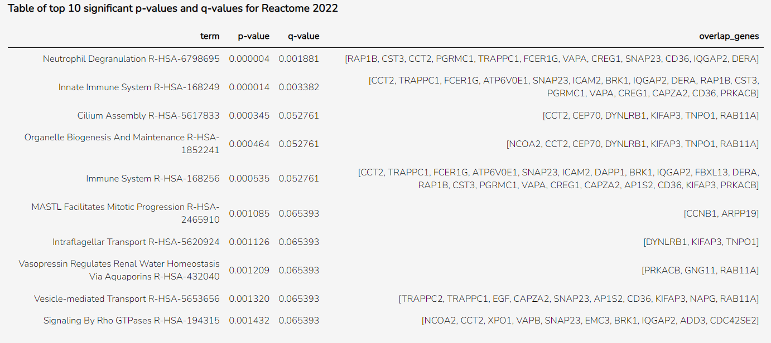
5 | DCAKD | 0 | 0.69508842795 | 0
6 | NPTN | 0 | 0.69172980146 | 0
7 | DYNLRB1 | 0 | 0.69039585001 | 0.36688561531
8 | CDK2AP1 | 0 | 0.69031878639 | 0.33530776565
9 | CDK14 | 0 | 0.68985410471 | 0
10 | ZFAND1 | 0 | 0.68973293615 | 0
11 | VAPA | 0 | 0.68868945819 | 0.4674426367
12 | USP12 | 0 | 0.68681123361 | 0
13 | AGPAT1 | 0 | 0.68643104966 | 0.33172500442
14 | LEPROT | 0 | 0.6858134847 | 0.39150510731
15 | NXT2 | 0 | 0.6852133132 | 0.3229224954
16 | PKIG | 0 | 0.6838333389 | 0
17 | CD36 | -0.31697099507 | 0.68381555435 | 0
18 | ILK | 0 | 0.68344485823 | 0.30548261954
19 | CCNB1 | 0 | 0.68240829111 | 0
20 | VCAN | 0 | -0.67859263234 | 0
21 | VAPB | 0 | 0.67835086209 | 0.33143147109
22 | CST3 | 0 | 0.67677524045 | 0.33174789527
23 | ARFGEF1 | -0.37416813195 | 0.67654239153 | 0.3180107651
24 | OST4 | 0 | 0.67576078811 | 0.3490064622
25 | C12orf75 | 0 | 0.67537407121 | 0
26 | LSM14A | 0 | 0.6745714056 | 0.45054145428
27 | SECISBP2 | 0 | 0.67389649333 | 0.43732747939
28 | DERA | 0 | 0.6721672461 | 0
29 | NAPG | 0 | 0.67082984643 | 0
30 | HTATIP2 | 0 | 0.67057495735 | 0.31229752252
31 | UCHL3 | 0 | 0.66946851798 | 0
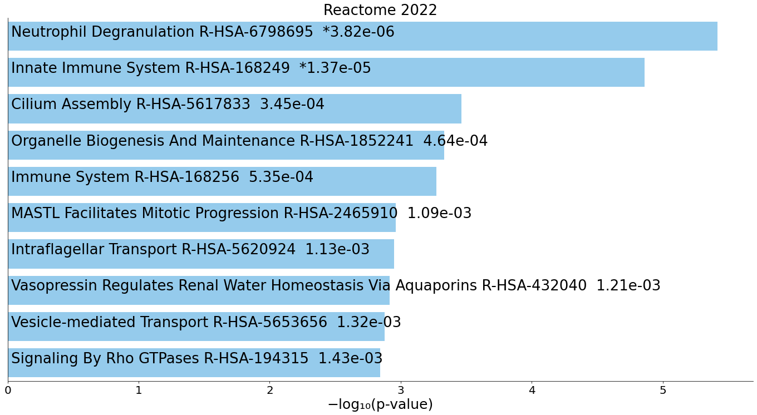
32 | ADD3 | -0.3255405696 | 0.66789974094 | 0.35101449412
33 | VEPH1 | 0 | 0.66776606146 | 0
34 | TMEM106C | 0 | 0.66724283847 | 0.33562737978
35 | FCER1G | 0 | 0.66710661347 | 0.40079614679
36 | ACRBP | -0.30771920112 | 0.6667642744 | 0.39405198
37 | XPO1 | 0 | 0.66485256748 | 0.4136433305
38 | SUPT4H1 | 0 | 0.66443324772 | 0.31980326462
39 | SENP6 | 0 | 0.66410430426 | 0
40 | BRK1 | 0 | 0.6639835618 | 0.31946437237
41 | TRAPPC2 | 0 | 0.6633712548 | 0.33233119785
42 | KIFAP3 | 0 | 0.6632138749 | 0
43 | TDRP | 0 | 0.6620220818 | 0
44 | CGRRF1 | 0 | 0.66164727628 | 0.36480474553
45 | MBNL1 | 0 | 0.66131470598 | 0.3776174238
46 | SKAP2 | -0.3091662148 | 0.66113069265 | 0.35054556307
47 | EIF2AK1 | 0 | 0.66035756168 | 0
48 | GPX4 | -0.33110291307 | 0.66014040437 | 0.3121984732
49 | DIABLO | 0 | 0.66013635514 | 0
50 | TNPO1 | 0 | 0.66008151345 | 0
51 | DAD1 | 0 | 0.65951749564 | 0.45845856647
52 | FUNDC1 | 0 | 0.65942938455 | 0.34503669306
53 | RAP1B | -0.31142957347 | 0.65904498534 | 0.40409063487
54 | PCGF5 | 0 | 0.65866939853 | 0
55 | CCT2 | 0 | 0.65847564015 | 0.31038726634
56 | LOC102723728 | 0 | 0.65841858794 | 0
57 | NCOA2 | 0 | 0.65827238752 | 0.32069430113
58 | MAGED2 | 0 | 0.65812817125 | 0.32694003471
59 | PGRMC1 | 0 | 0.65780513701 | 0
60 | ETFA | 0 | 0.65659006923 | 0.34308758021
61 | FBXL13 | 0 | 0.65636484666 | 0
62 | RAB11A | 0 | 0.65457939416 | 0.30442691168
63 | RDH11 | 0 | 0.65417149251 | 0.36461072175
64 | AMFR | -0.39648614958 | 0.65392992432 | 0
65 | AP1S2 | 0 | 0.65362192902 | 0.34264319981
66 | CREG1 | 0 | 0.6531655898 | 0
67 | ITM2B | 0 | 0.65249360958 | 0.31064248703
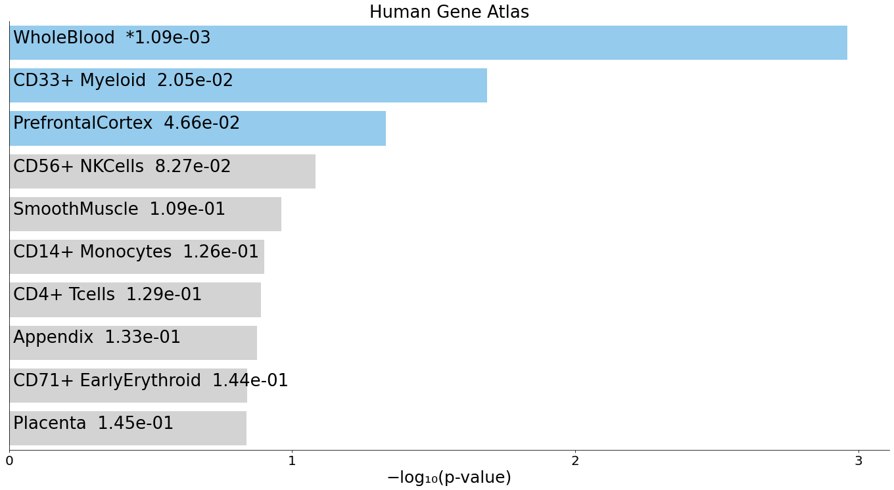
68 | TMED5 | 0 | 0.65225345144 | 0.41413607761
69 | TMEM140 | 0 | 0.65214771241 | 0.3746150369
70 | LTBP1 | 0 | 0.65158444314 | 0
71 | CHURC1 | 0 | 0.65130779968 | 0.32411087365
72 | CDC42SE2 | 0 | 0.65101675712 | 0.38634982752
73 | FRMD4B | 0 | 0.65025461259 | 0.32865452135
74 | ARPP19 | -0.32173997092 | 0.6496867186 | 0.35471306012
75 | DNAJC4 | 0 | 0.64940754237 | 0.40771676415
76 | DAPP1 | -0.33941437444 | 0.64919133295 | 0.34856712552
77 | SNAP23 | -0.33896499577 | 0.64908478695 | 0.40227415978
78 | CCAR1 | 0 | 0.64885592444 | 0
79 | LIMS1 | 0 | 0.64717571459 | 0.43511447513
80 | ELK3 | 0 | 0.64672465845 | 0.37976598449
81 | USP33 | 0 | 0.64670152201 | 0
82 | TSPAN2 | 0 | 0.64608575602 | 0
83 | TRAPPC1 | 0 | 0.64576236587 | 0
84 | EMC3 | 0 | 0.64509908006 | 0.4125609817
85 | PTCRA | -0.32556844242 | 0.64481443315 | 0.49942499461
86 | EMP3 | 0 | 0.64466257344 | 0
87 | CLIC4 | 0 | 0.64443495187 | 0.42862928502
88 | ICAM2 | 0 | 0.64425640639 | 0
89 | GPCPD1 | 0 | 0.64411209652 | 0
90 | RGCC | 0 | 0.64283160302 | 0
91 | GNG11 | 0 | 0.64276984675 | 0.33826366978
92 | ATP6V0E1 | 0 | 0.64262193324 | 0.3991946531
93 | CEP70 | -0.33536698896 | 0.64226529253 | 0.32471677048
94 | DAZAP2 | -0.31787754265 | 0.64112858051 | 0.39046217402
95 | STK24 | 0 | 0.64027256801 | 0.38770933874
96 | IQGAP2 | 0 | 0.64016920535 | 0.44141759359
97 | PDZD8 | 0 | 0.64016767898 | 0
98 | MAP3K7CL | 0 | 0.63976048629 | 0
99 | SCFD2 | 0 | 0.63966619565 | 0.34971336703
100 | CAPZA2 | 0 | 0.63936098722 | 0.39158535157

miR_lncR_200
ID
EGF
PRKACB
SELP
SEPTIN1
DCAKD
NPTN
DYNLRB1
CDK2AP1
CDK14
ZFAND1
VAPA
USP12
AGPAT1
LEPROT
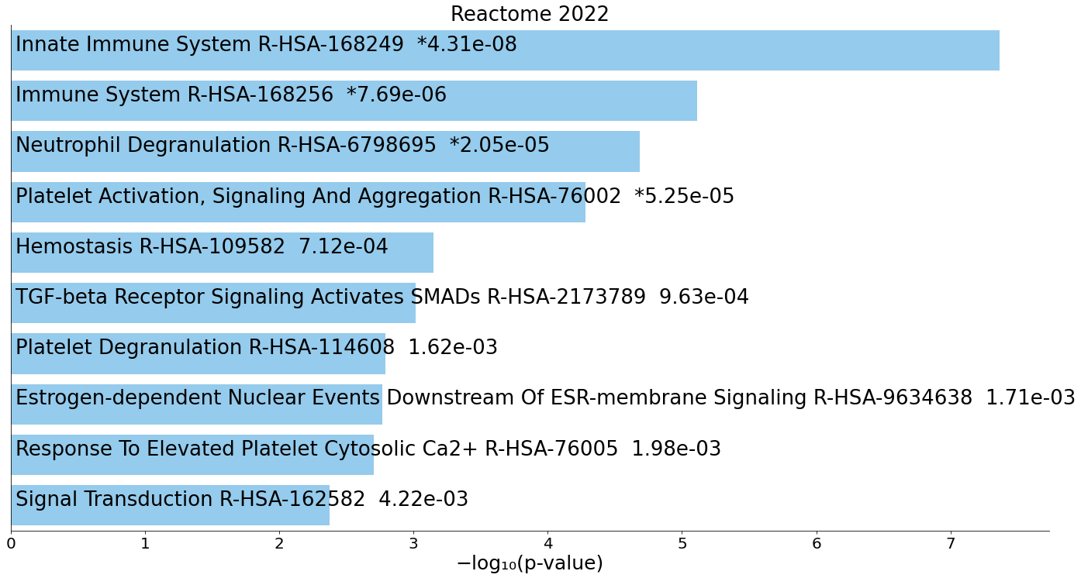
NXT2
PKIG
CD36
ILK
CCNB1
VCAN
VAPB
CST3
ARFGEF1
OST4
C12orf75
LSM14A
SECISBP2
DERA
NAPG
HTATIP2
UCHL3
ADD3
VEPH1
TMEM106C
FCER1G
ACRBP
XPO1
SUPT4H1
SENP6
BRK1
TRAPPC2
KIFAP3
TDRP
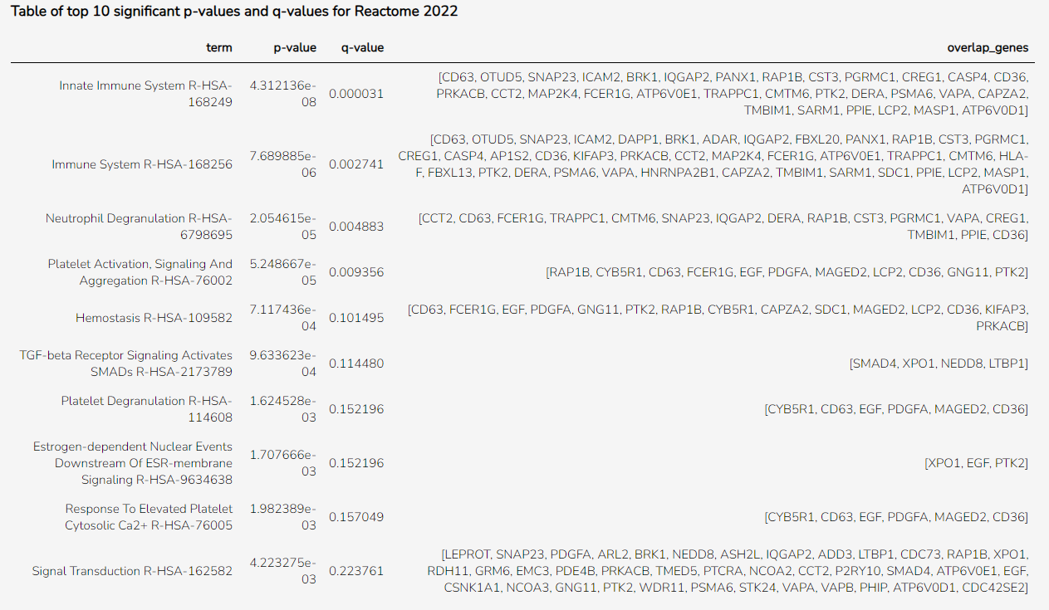
CGRRF1
MBNL1
SKAP2
EIF2AK1
GPX4
DIABLO
TNPO1
DAD1
FUNDC1
RAP1B
PCGF5
CCT2
LOC102723728
NCOA2
MAGED2
PGRMC1
ETFA
FBXL13
RAB11A
RDH11
AMFR
AP1S2
CREG1
ITM2B
TMED5
TMEM140
LTBP1
CHURC1
CDC42SE2
FRMD4B
ARPP19
DNAJC4
DAPP1
SNAP23
CCAR1
LIMS1
ELK3
USP33
TSPAN2
TRAPPC1
EMC3
PTCRA
EMP3
CLIC4
ICAM2
GPCPD1
RGCC
GNG11
ATP6V0E1
CEP70
DAZAP2
STK24
IQGAP2
PDZD8
MAP3K7CL
SCFD2
CAPZA2
SDC1
TTBK1
OTUD5
CLDN4
CD63
ALG8
INSRR
MED16
ASH2L
CDC73
MEOX2
TMED4
GTF3C6
ATP6V0D1
PLXNA3
RTN2
CNTNAP5
MMGT1
L3MBTL4
TBC1D23
LOC107984104
PSMA6
CWF19L2
APIP
NUBPL
YPEL2
WDR11
P2RY10
NFAT5
ZNF541
PTTG1IP
ARL2
PACSIN2
ACTR3B
NDUFA3
DERL1
NEDD8
CASP4
SYNCRIP
SDHA
LCP2
CTDSP1
KATNA1
EAF2
SOD2
EIF5A
PPIE
TLCD3B
PDGFA
ADAR
PRXL2B
WSB2
FBXL20
LYSMD3
SFN
NCOA3
ADGRG5
SLC35G3
CHRNA4
CMTM6
GRM6
TMBIM1
PTK2
CELF3
ESCO1
SESTD1
SMAD4
MR1
CD164
SARM1
PDE4B
CPSF6
TSPAN33
C1orf43
NBR1
MT1X
CBR4
HELQ
USP1
HLA-F
FHIT
EXOC6B
AHRR
PANX1
CARD19
HNRNPA2B1
CHRD
PIN1
ACP6
G6PD
MTHFSD
DRP2
MAP2K4
MASP1
SLC16A11
CSNK1A1
STK36
CLCN1
PHIP
CYB5R1

mR_lncR_200
ID
SDC1
TTBK1
OTUD5
CLDN4
CD63
ALG8
INSRR
MED16
ASH2L
CDC73
MEOX2
TMED4
GTF3C6
ATP6V0D1
PLXNA3
RTN2
CNTNAP5
MMGT1
L3MBTL4
TBC1D23
LOC107984104
PSMA6
CWF19L2
APIP
NUBPL
YPEL2
WDR11
P2RY10
NFAT5
ZNF541
PTTG1IP
ARL2
PACSIN2
ACTR3B
NDUFA3
DERL1
NEDD8
CASP4
SYNCRIP
SDHA
LCP2
CTDSP1
KATNA1
EAF2
SOD2
EIF5A
PPIE
TLCD3B
PDGFA
ADAR
PRXL2B
WSB2
FBXL20
LYSMD3
SFN
NCOA3
ADGRG5
SLC35G3
CHRNA4
CMTM6
GRM6
TMBIM1
PTK2
CELF3
ESCO1
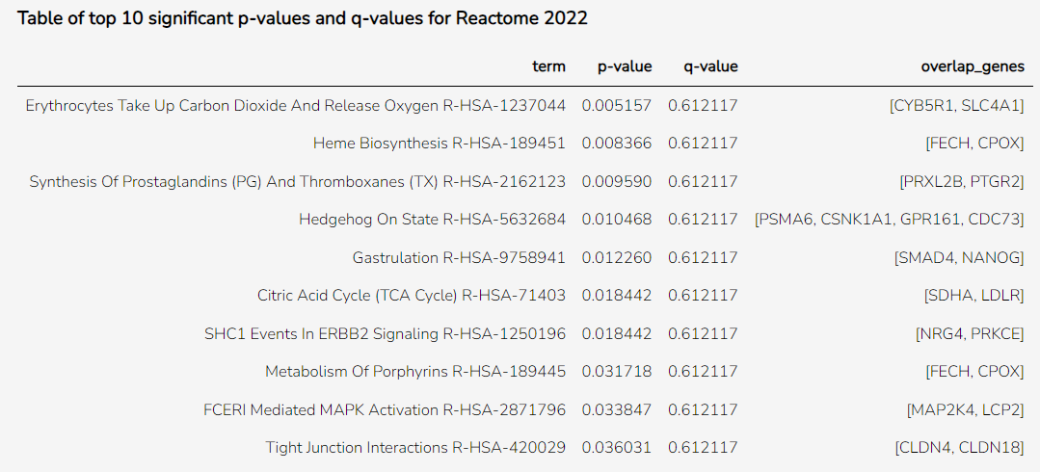
SESTD1
SMAD4
MR1
CD164
SARM1
PDE4B
CPSF6
TSPAN33
C1orf43
NBR1
MT1X
CBR4
HELQ
USP1
HLA-F
FHIT
EXOC6B
AHRR
PANX1
CARD19
HNRNPA2B1
CHRD
PIN1
ACP6
G6PD
MTHFSD
DRP2
MAP2K4
MASP1
SLC16A11
CSNK1A1
STK36
CLCN1
PHIP
CYB5R1
PRKCE
ZNF226
ZNF791
ITGA11
ANKFN1
TAF8
NTNG1
UBE2E2
ISG20L2
SNTB2
ZNF813
SLC14A1
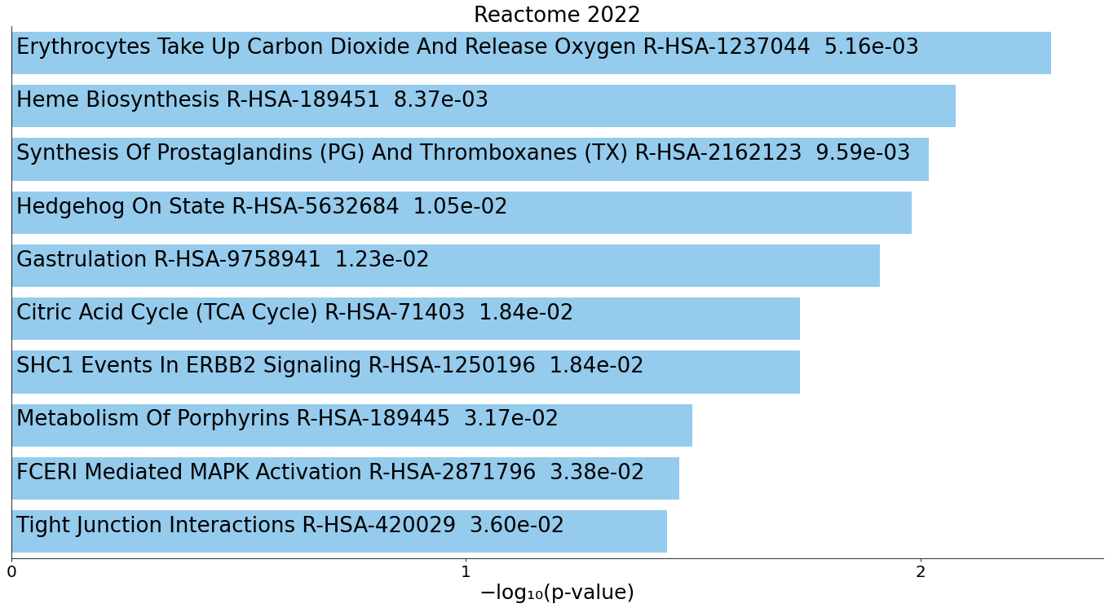
FLII
BRPF1
ALDH5A1
GPR155
SLC4A1
ZNF605
NANOG
SHE
YIPF4
DCTN5
LDLR
PAK3
POC5
MTO1
KLHL34
ASTE1
C12orf43
ZNF419
SSTR2
ZNF534
SGCD
FARSB
GPATCH8
RINL
FGF14
TSPO2
TMEM231
AGMAT
ZNF555
GALK2
EMP2
NCAM2
GGT6
SPRY3
CLDN18
DPH5
YBEY
C2
ALDH6A1
CPOX
HTR3B
TCEANC2
CHDH
NRG4
ZNF665
GPLD1
MYL1
GPR161
FLRT2
PECR
PHYKPL
PTGR2
DENND5B
HINFP
TMEM74
FECH
GPBP1L1
MNT
IKZF3
ZNF426
TIGAR
LOC107983981
HTR1E
TMEM168
WDR12
KNOP1
RPS6KA5
FEM1A
RPUSD2
NPAS3
SOX6
CHN1
MARVELD2
CDH23
TCF23
LOC107985692
FFAR4
MAP3K20
HILPDA
ATP8B1
RGPD1
DIS3L
ZFP14
BDH1
KLF12
MCM9
RPAP2
NOTCH4

lncR
 | ID | ACOT9 | hsa-miR-574-3p | LINC01003
1 | SDC1 | 0 | -0.31033917473 | -0.65654996949
2 | TTBK1 | 0.33890888405 | -0.35997995566 | -0.64645136796
3 | OTUD5 | 0 | 0 | 0.64184762243
4 | CLDN4 | 0 | 0 | -0.63139784011
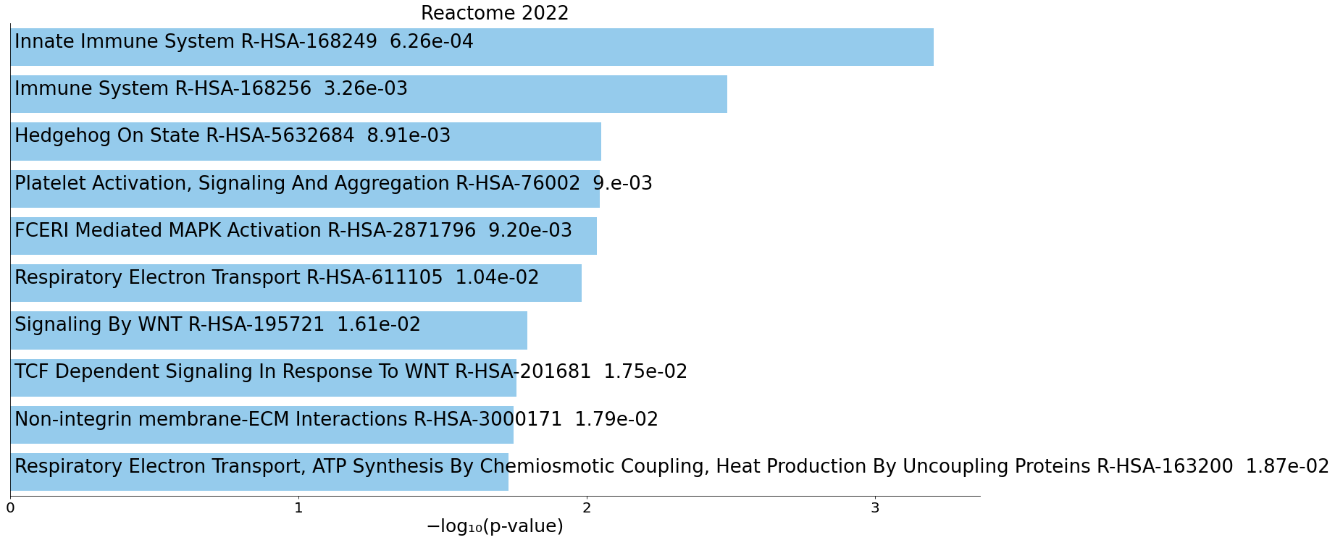
5 | CD63 | -0.32418724751 | 0.40983482065 | 0.6304391037
6 | ALG8 | 0 | 0 | 0.62854384945
7 | INSRR | 0 | 0 | -0.62400173921
8 | MED16 | 0 | 0 | 0.62213563812
9 | ASH2L | 0 | 0.33320355551 | 0.61934781015
10 | CDC73 | 0 | 0 | 0.61769505995
11 | MEOX2 | 0 | 0 | 0.61698980475
12 | TMED4 | 0 | 0 | 0.61432554734
13 | GTF3C6 | 0 | 0 | 0.61098504318
14 | ATP6V0D1 | -0.40837059063 | 0 | 0.61029880454
15 | PLXNA3 | 0.50499434216 | 0 | -0.61005336796
16 | RTN2 | 0 | 0 | 0.60952681155
17 | CNTNAP5 | 0 | -0.3195153366 | -0.60706301938
18 | MMGT1 | 0 | 0.38490426882 | 0.60331878874
19 | L3MBTL4 | 0 | 0 | -0.60061341808
20 | TBC1D23 | 0 | 0.52231826932 | 0.60059496975
21 | LOC107984104 | 0 | 0 | -0.5978359241
22 | PSMA6 | 0 | 0 | 0.59754623809
23 | CWF19L2 | -0.33758739512 | 0 | 0.59686951217
24 | APIP | 0 | 0 | 0.59586616309
25 | NUBPL | 0 | 0 | -0.59458397378
26 | YPEL2 | 0 | 0 | 0.59314424786
27 | WDR11 | 0 | 0.44572163584 | 0.59223451512
28 | P2RY10 | 0 | 0.36824906882 | 0.58950663022
29 | NFAT5 | 0 | 0.35074023044 | 0.5891519768
30 | ZNF541 | 0 | 0 | -0.58897921097
31 | PTTG1IP | 0 | 0 | 0.58875479125
32 | ARL2 | 0 | 0.46171691316 | 0.58796670867
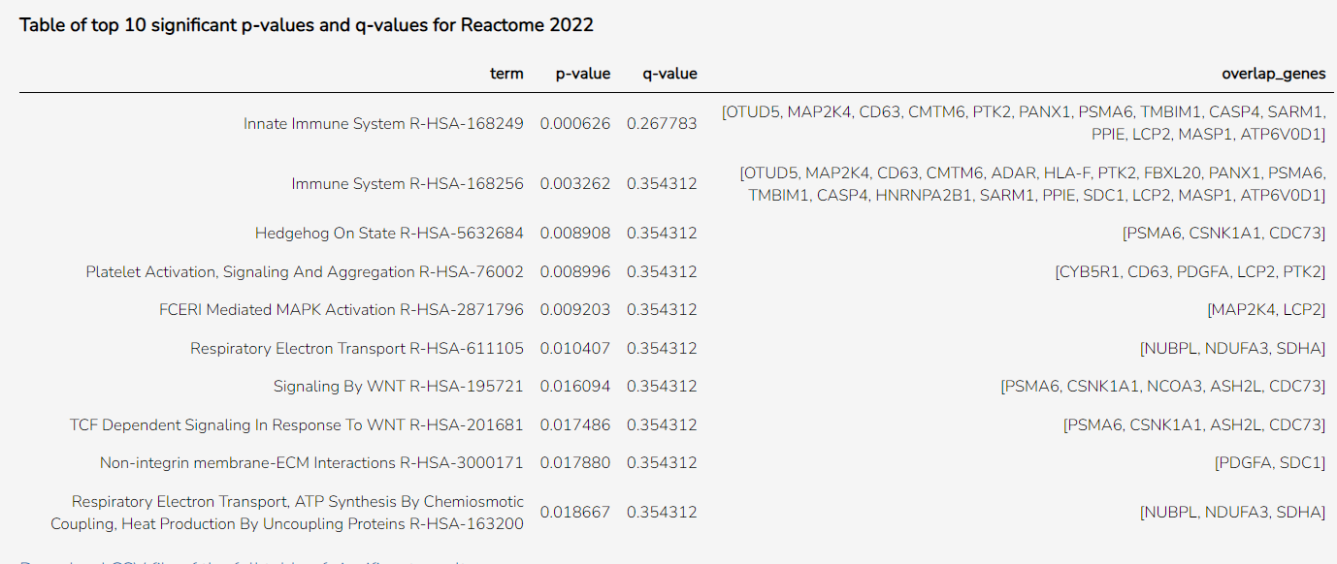
33 | PACSIN2 | -0.39715180876 | 0.37734211221 | 0.58716653297
34 | ACTR3B | 0 | 0.36675942065 | 0.58575835435
35 | NDUFA3 | 0 | 0.41429636551 | 0.58532901499
36 | DERL1 | 0 | 0.3518057733 | 0.58457401094
37 | NEDD8 | 0 | 0.334685796 | 0.58005221818
38 | CASP4 | 0 | 0.3470482907 | 0.57819722108
39 | SYNCRIP | 0 | 0 | 0.57748142999
40 | SDHA | 0 | 0 | 0.5766782807
41 | LCP2 | 0 | 0 | 0.57504462157
42 | CTDSP1 | -0.30956883517 | 0.39853767227 | 0.57341951066
43 | KATNA1 | 0 | 0 | 0.57308521483
44 | EAF2 | 0 | 0.44256217328 | 0.57267333016
45 | SOD2 | -0.39930263043 | 0.53697151227 | 0.57162352759
46 | EIF5A | 0 | 0.34568047045 | 0.57138133075
47 | PPIE | 0 | 0 | 0.57002761442
48 | TLCD3B | 0 | 0 | -0.56923502164
49 | PDGFA | 0 | 0.39454571122 | 0.56850369342
50 | ADAR | 0 | 0 | 0.56728268888
51 | PRXL2B | 0 | 0 | 0.56674088363
52 | WSB2 | 0 | 0.41065658558 | 0.56592427232
53 | FBXL20 | 0.35356003504 | 0 | -0.56548584026
54 | LYSMD3 | 0 | 0.34520248161 | 0.56513663797
55 | SFN | 0 | 0 | -0.56476618682
56 | NCOA3 | 0 | 0.51708937328 | 0.56437664738
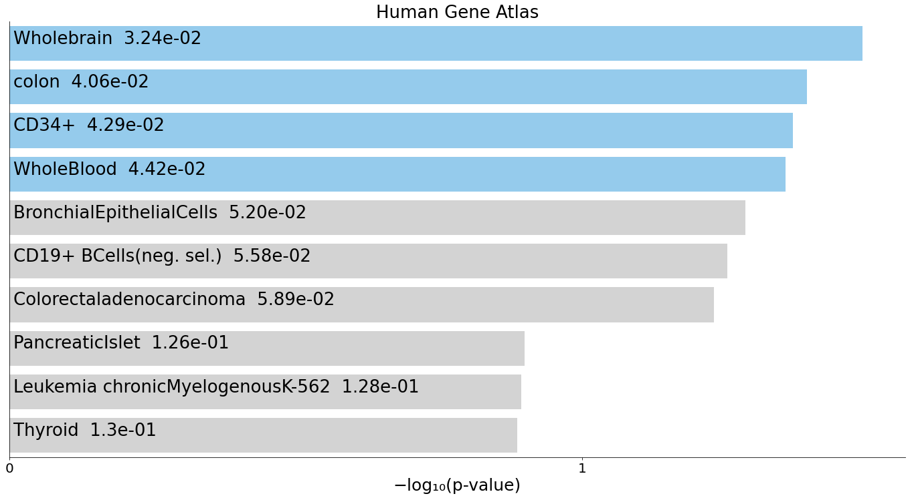
57 | ADGRG5 | 0 | 0 | -0.5618044499
58 | SLC35G3 | 0.43002836383 | 0 | -0.56079223199
59 | CHRNA4 | 0 | 0 | -0.56056154662
60 | CMTM6 | -0.34029205737 | 0.43226547219 | 0.56048722432
61 | GRM6 | 0 | 0 | -0.56036824259
62 | TMBIM1 | -0.35824631068 | 0.38315505046 | 0.55994455883
63 | PTK2 | 0 | 0.3832799274 | 0.5599054319
64 | CELF3 | 0 | 0 | -0.55906013838
65 | ESCO1 | 0 | 0.39298700427 | 0.55839117615
66 | SESTD1 | 0 | 0.35226655851 | 0.55749499628
67 | SMAD4 | 0 | 0.40036200553 | 0.55551996727
68 | MR1 | 0.52000092445 | 0 | -0.55530286999
69 | CD164 | -0.33383960703 | 0.38414223615 | 0.5549463578
70 | SARM1 | 0 | 0 | -0.55492056371
71 | PDE4B | 0 | 0 | 0.5532816065
72 | CPSF6 | 0 | 0 | 0.55243456164
73 | TSPAN33 | 0 | 0.3188696393 | 0.55176900261
74 | C1orf43 | 0 | 0.41464745342 | 0.55175888511
75 | NBR1 | 0 | 0.30786111578 | 0.55143448091
76 | MT1X | 0 | 0.37880800188 | 0.55017395523
77 | CBR4 | 0 | 0.41852632229 | 0.5495079372
78 | HELQ | 0 | 0 | 0.5488444619
79 | USP1 | 0 | 0.44886773198 | 0.54874235568
80 | HLA-F | 0 | 0.34606667178 | 0.54872015191
81 | FHIT | 0.41340228883 | 0 | -0.5486655551
82 | EXOC6B | 0 | 0.42446532772 | 0.54823736686
83 | AHRR | 0 | 0 | -0.54823413854
84 | PANX1 | 0 | 0.34877712499 | 0.54788682506
85 | CARD19 | 0 | 0 | 0.54748944585
86 | HNRNPA2B1 | -0.35813376282 | 0.39572733295 | 0.54699518369
87 | CHRD | 0 | 0 | -0.54658463725
88 | PIN1 | 0 | 0.44056987834 | 0.5456817625
89 | ACP6 | 0.45620765746 | 0 | -0.54522569784
90 | G6PD | 0 | 0.43212005446 | 0.54460741394
91 | MTHFSD | 0 | 0 | -0.54428370568
92 | DRP2 | 0 | -0.31397075 | -0.54416094004
93 | MAP2K4 | -0.33774251971 | 0 | 0.54230939314
94 | MASP1 | 0.44364305185 | 0 | -0.54205516919
95 | SLC16A11 | 0.3145818992 | 0 | -0.54204533686
96 | CSNK1A1 | 0 | 0.43788845217 | 0.54154097936
97 | STK36 | 0 | 0 | -0.54013200706
98 | CLCN1 | 0 | 0 | -0.53909632912
99 | PHIP | 0 | 0.39223494181 | 0.53884810433
100 | CYB5R1 | 0 | 0.33752458509 | 0.53786628471

mR_lncR_miR
 | ID
1 | ABCB9
2 | ACRBP
3 | ACTB
4 | ADD3
5 | ALDH8A1
6 | ALDOA
7 | ANGPT1
8 | AP2M1
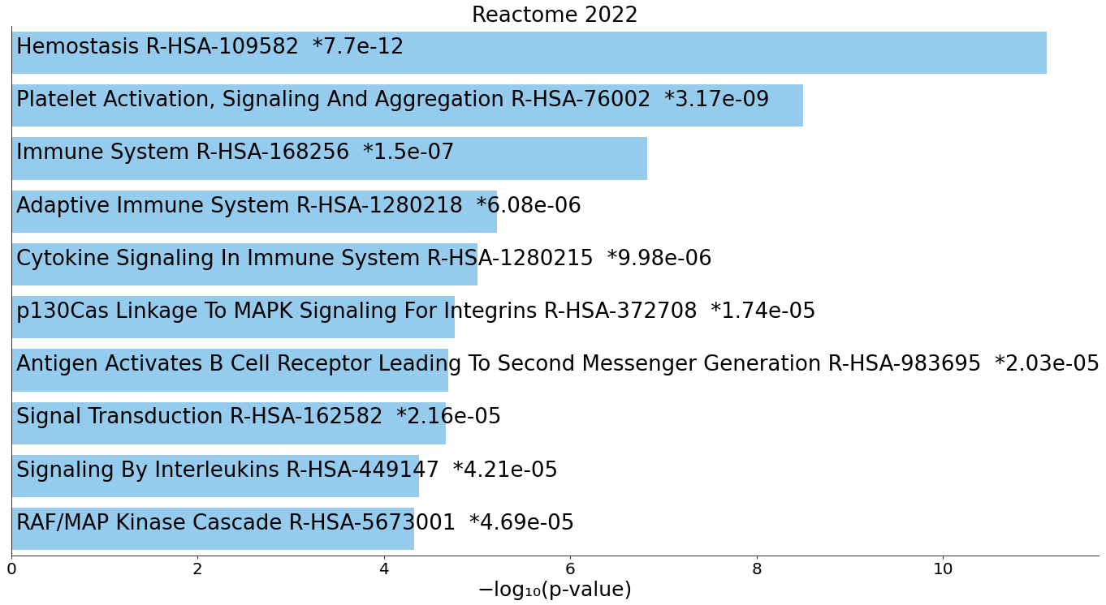
9 | ARF3
10 | ARFGEF1
11 | ARHGAP5
12 | ARHGAP6
13 | ARPP19
14 | ARRB1
15 | ASAP1
16 | ASTN1
17 | ATL1
18 | ATP2A3
19 | ATP5MC3
20 | BICD2
21 | BNIP2
22 | BROX
23 | BRWD3
24 | C12orf76
25 | C15orf40
26 | C1orf198
27 | C2orf88
28 | CA2
29 | CALM3
30 | CAPN2
31 | CCL5
32 | CCNY
33 | CCZ1B
34 | CD164
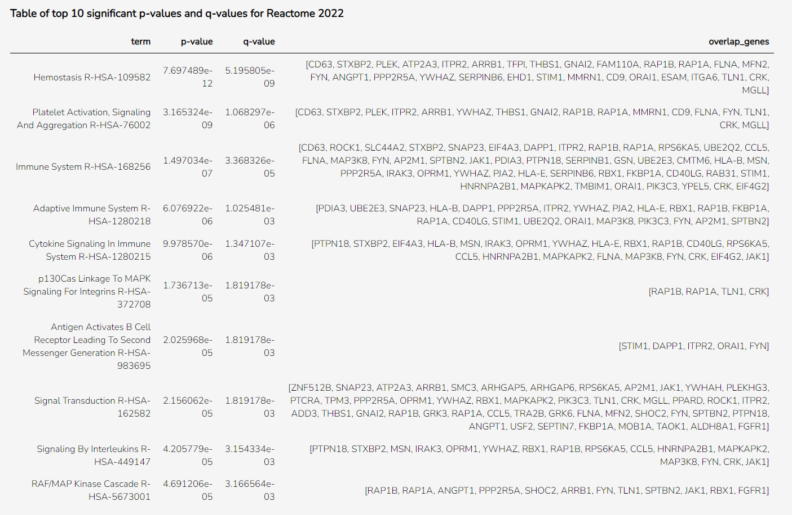
35 | CD40LG
36 | CD63
37 | CD9
38 | CEP162
39 | CEP70
40 | CMIP
41 | CMTM6
42 | CORO1C
43 | CPNE5
44 | CRK
45 | CSMD2
46 | CTDNEP1
47 | CTDSP1
48 | CUX1
49 | DAPP1
50 | DAZAP2
51 | DEDD
52 | DEK
53 | DYNLT3
54 | EHD1
55 | EIF4A3
56 | EIF4G2
57 | ELN
58 | ESAM
59 | EXT2
60 | FAM110A
61 | FAM32A
62 | FGFR1
63 | FKBP1A
64 | FLNA
65 | FYN
66 | GABPB2
67 | GAS2L1
68 | GNAI2
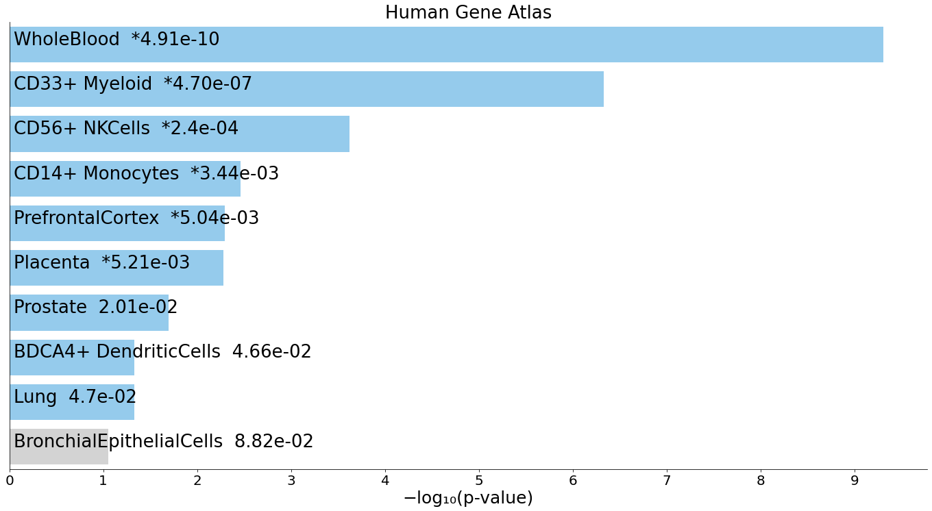
69 | GP1BB
70 | GPD1L
71 | GPX1
72 | GPX4
73 | GRK3
74 | GRK6
75 | GSN
76 | HCFC1R1
77 | HIPK2
78 | HLA-B
79 | HLA-E
80 | HNRNPA2B1
81 | HNRNPLL
82 | IDS
83 | IGF2BP3
84 | IRAK3
85 | ITGA6
86 | ITPR2
87 | JAK1
88 | KLHL34
89 | KLHL8
90 | KMT2B
91 | KMT2C
92 | LGALS12
93 | LUZP6
94 | MAP3K8
95 | MAPKAPK2
96 | MCTP1
97 | MCUR1
98 | MFN2
99 | MGLL
100 | MICU1
101 | MMP24OS
102 | MMRN1
103 | MOB1A
104 | MORF4L1
105 | MPC1
106 | MSN
107 | MTHFD2
108 | MTPN
109 | MYCBP2
110 | MYL12A
111 | MYO5B
112 | MZT1
113 | NBAS
114 | NCOA4
115 | NEXN
116 | NGLY1
117 | NUDT21
118 | OAZ1
119 | ONECUT3
120 | OPRM1
121 | ORAI1
122 | OXCT1
123 | P4HA1
124 | PACSIN2
125 | PAIP2
126 | PDIA3
127 | PDXDC1
128 | PHF20L1
129 | PIK3C3
130 | PJA2
131 | PLEK
132 | PLEKHG3
133 | PPARD
134 | PPIF
135 | PPP2R5A
136 | PPP4R3B
137 | PRDX3
138 | PRDX6
139 | PRKRIP1
140 | PRXL2A
141 | PSAP
142 | PTCRA
143 | PTPN18
144 | QKI
145 | RAB28
146 | RAB31
147 | RAB32
148 | RAB3GAP2
149 | RALY
150 | RAP1A
151 | RAP1B
152 | RAP2A
153 | RBAK
154 | RBFOX1
155 | RBX1
156 | RNF168
157 | ROCK1
158 | RPS6KA5
159 | RRP8
160 | RSF1
161 | RSU1
162 | RUFY1
163 | SCLT1
164 | SCP2
165 | SEC14L1
166 | SELENOT
167 | SEPTIN7
168 | SERPINB1
169 | SERPINB6
170 | SH3BGRL3
171 | SHOC2
172 | SIX4
173 | SKAP2
174 | SLC44A2
175 | SLMAP
176 | SMC3
177 | SMNDC1
178 | SNAP23
179 | SNN
180 | SOD2
181 | SPART
182 | SPG7
183 | SPTBN2
184 | SPTSSA
185 | SSR3
186 | STIM1
187 | STXBP2
188 | SWI5
189 | TACC1
190 | TAF7L
191 | TAL1
192 | TAOK1
193 | TAPT1
194 | TFPI
195 | THBS1
196 | TLK1
197 | TLN1
198 | TMBIM1
199 | TMEM219
200 | TMEM50A
201 | TMEM71
202 | TPM3
203 | TRA2B
204 | TSC22D1
205 | TSC22D3
206 | TTBK1
207 | TUBB1
208 | UBE2E3
209 | UBE2Q2
210 | USF2
211 | YPEL5
212 | YWHAH
213 | YWHAZ
214 | ZEB2
215 | ZFAND3
216 | ZNF226
217 | ZNF429
218 | ZNF462
219 | ZNF512B

