Finance
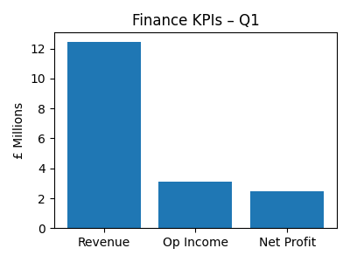
Metric | Value | Notes
Revenue | 12450000 | Strong
Operating Income | 3120000 | Stable
Net Profit | 2480000 | Healthy

