Headcount
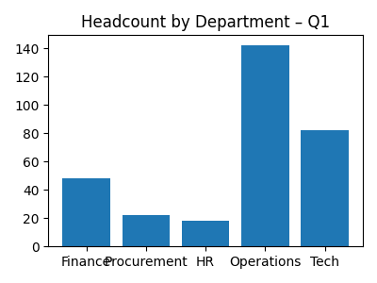
Department | Headcount
Finance | 48
Procurement | 22
HR | 18
Operations | 142
Tech | 82

