Maintenance
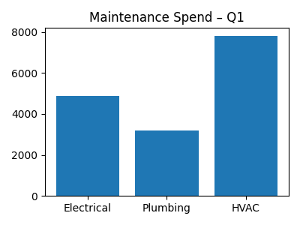
Service | Spend
Electrical | 4860
Plumbing | 3200
HVAC | 7800

