Spend
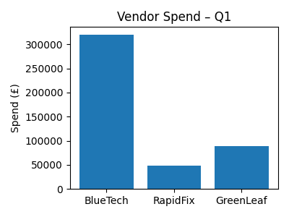
Vendor | Spend
BlueTech | 320000
RapidFix | 48600
GreenLeaf | 89500

