Admissions
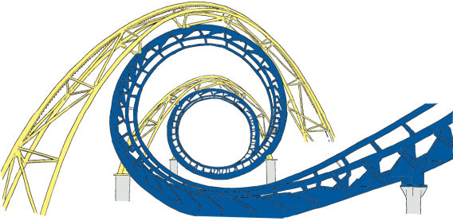


Captain Jack's Water Park
Admissions

Ticket sales: | $41
Junior Discount: | $15
(0 - 12 years old)

Your Name:
Your Age:
Discount: | $0
Total Price:

