A3 Summary
EK-2905 HYUNDAI BC3H BENZİN DEPO KAPAĞI KALIBI YÜKSEK FİRE PROBLEMİ PPS

VAKA BİLGİLERİ |  |  |  |  |  |  |  |  |  |  | VAKA BİLGİLERİ — DEVAM
PPS ID | PPS-001 | Problem Başlığı | EK-2905 Kalıbı Yüksek Fire Oranı |  |  |  |  | Problem Lideri | Gökhan Özen |  | Müşteri / Tesis | T2 Tesisi |  | Hat / Makine | E-91 / 600T |  |  |  |  | Öncelik | Yüksek
Bölüm | Proses Geliştirme | Parça / Proses | BC3H Benzin Depo Kapağı (2305688) |  |  |  |  | Açılış Tarihi | 2026-08-01 |  | Revizyon | 0 |  | Hedef Kapanış | 2026-09-04 |  |  |  |  | Genel RAG | Kırmızı

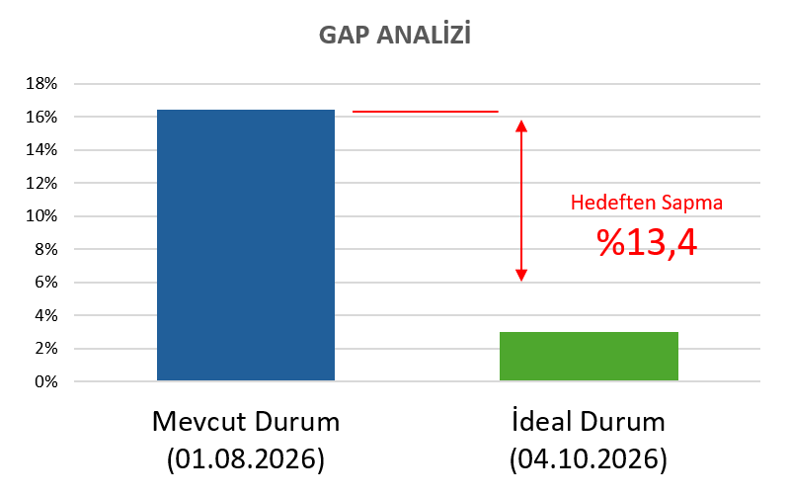
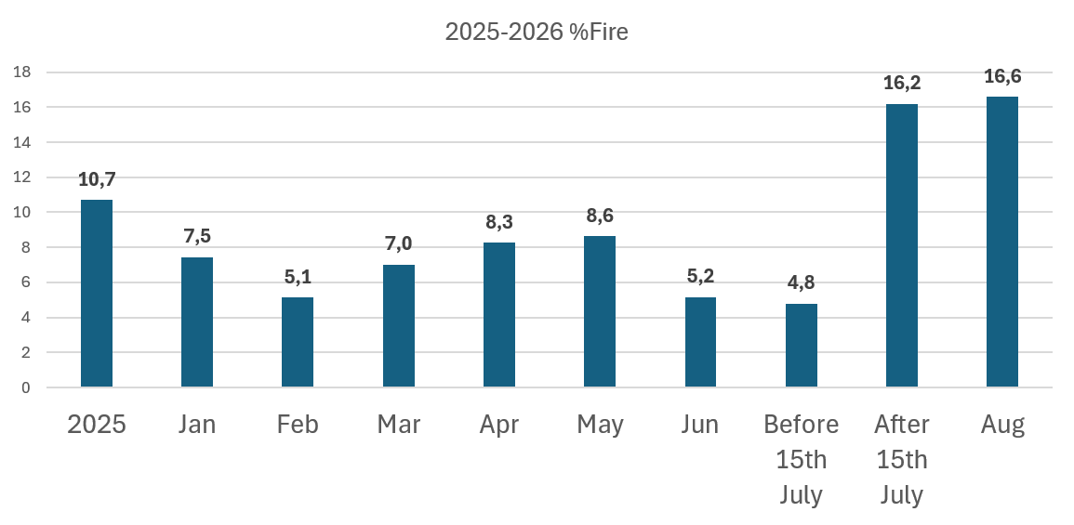
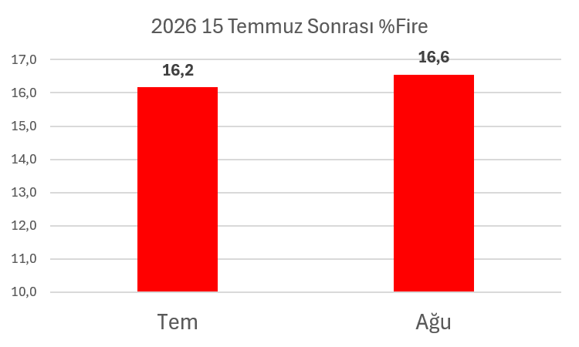
ADIM 1 — PROBLEM TANIMI |  |  |  |  |  |  |  |  |  |  | ADIM 4 — KÖK NEDEN ANALİZİ
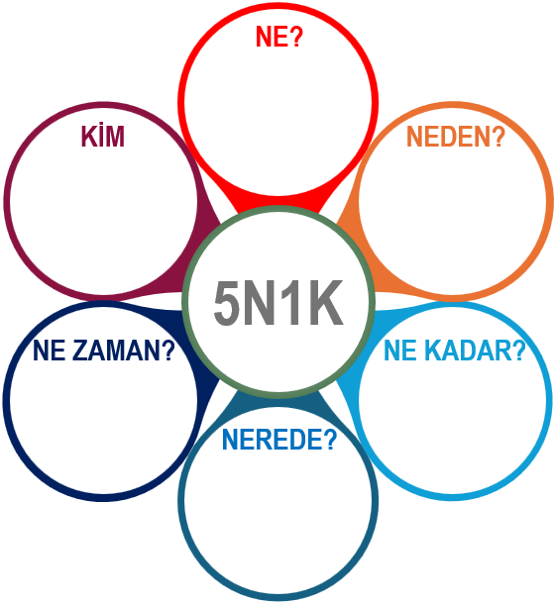
EK-2905 Kalıbında Yüksek Fire
KN1

T2 Üretim Tesisi
Enjeksiyon Problemleri Nedeniyle

15.07.2026
Enj. Makinesi Değişikliği ile
%16 Yüksek Fire Oranında
İdeal Durum: 04.09.2026'dan itibaren
EK-2905 enjeksiyon fire oranının %3'ten düşük olması
Mevcut Durum: 15.07.2026'dan itibaren
EK-2905 enjeksiyon fire oranı ortalama %16,4
15 Temmuz sonrasında oluşan firelerin toplam maliyeti: Parça Birim Maliyeti : 63,34 TL Fire Edilen Parça Sayısı : 1.687 adet
FireMaliyeti (15.07/05.08) : 106.854,58 TL / 20 gün
Fire Maliyeti (2026) : 398.345,26 TL
2026 İlk 7 Aylık Kayıp
2.769 €
600T E-91 Enjeksiyon Makinesinde
Problem Tanımı: İdeal durum ile mevcut durum arasında %13,4'lük bir sapma bulunmaktadır.

ADIM 2 — PROBLEMİ PARÇALARA AYIRMA
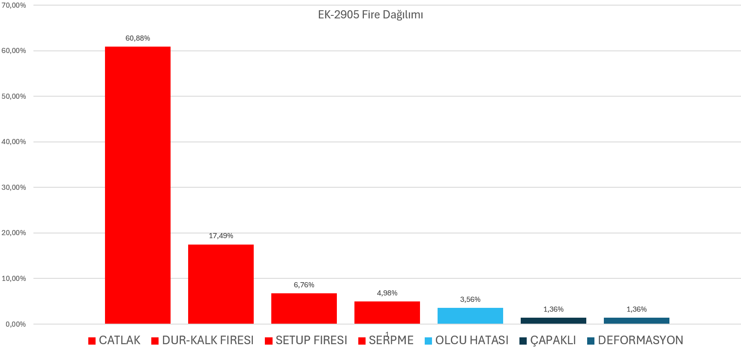
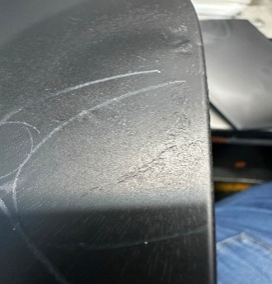

Bu 4 hata modunun toplam firedeki oranı:
%90,11
Ortalama %16,4 fire oranının %14,8'i

KN2
SERPME PROBLEMİ
(%4,96 fire oranı)
ÇATLAK PROBLEMİ
(%60,90 fire oranı)
ÇAPAK PROBLEMİ
(%1,36 Çapak Alma İşlemi Sonrası)
KN3

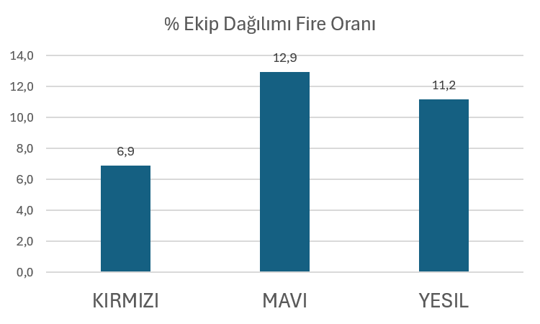
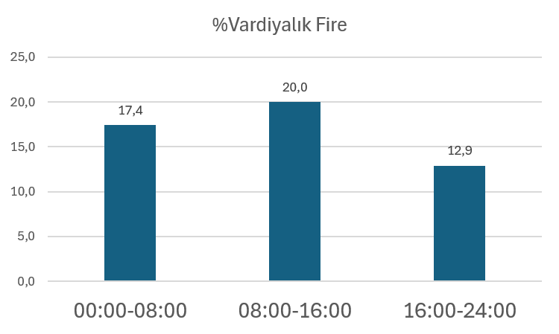
Kalıp alıştırma hattı deformasyon
 |  |  |  |  |  |  |  |  |  |  | ADIM 5 — UYGULAMA PLANI
 |  |  |  |  |  |  |  |  |  |  | KN ID | KÖ ID | Karşı Önlem / Aksiyon |  |  |  | Etkisi | Maliyeti | Süresi | Öncelik Puanı | Sorumlu | Termin
 |  |  |  |  |  |  |  |  |  |  | KN1-KN4 | KÖ1 | Mevcut lokma, daha yüksek mukavemetli çelikten yeniden üretilerek değiştirilecek ve önüne geçilecektir. |  |  |  | 5 | 4 | 4 | 80 | Ceyhun Benli | Week 36
 |  |  |  |  |  |  |  |  |  |  | KN2 | KÖ2 | Parting line bölgesindeki açıların boya prosesine uygun hale getirilecek şekilde tasarım değişikliği ve kalıp modifikasyonu |  |  |  | 5 | 1 | 1 | 5 | Ürge | -
 |  |  |  |  |  |  |  |  |  |  | KN3 | KÖ3 | Lokma yenilendikten sonra proses parametreleri optimize edilerek proses doğrulaması gerçekleştirilecektir. |  |  |  | 5 | 5 | 5 | 125 | Gökhan Özen | Week 34
Alt Problem |  |  |  | Etki | Öncelik | Kanıt / Kaynak
Çatlak Firesi |  |  |  | 60.9% | 1 | Kalite fire oranları pareto dokümanı |  |  |  |  | ADIM 6 — ÇÖZÜMLERİ UYGULAMA
Dur kalk Firesi |  |  |  | 17.5% | 2 | Kalite fire oranları pareto dokümanı |  |  |  |  | Karşı Önlem ID |  | Aksiyon ID | Uygulama / tamamlanma kanıtı |  |  |  |  | Tarih |  | Sorun / Sapma
Setup Firesi |  |  |  | 6.8% | 3 | Kalite fire oranları pareto dokümanı
Serpme Firesi |  |  |  | 5.0% | 4 | Kalite fire oranları pareto dokümanı |  |  |  |  | ADIM 7 — SONUÇLARI İZLEME
ADIM 3 — HEDEF BELİRLEME |  |  |  |  |  |  |  |  |  |  | KPI |  | Önce |  | Hedef |  | Sonra |  | Sürdürme |  | Sonuç
SMART hedef ve beklenen durum |  |  |  |  |  |  | Başlangıç |  | Hedef |  | Fire Oranı |  | 16% |  | 3%
EK-2905 kalıbındaki fire oranını %3'ün altına düşürmek. |  |  |  |  |  |  | Week 36 |  | <3%
 |  |  |  |  |  |  |  |  |  |  | ADIM 8 — STANDARDİZASYON / KURUMSALLAŞTIRMA
 |  |  |  |  |  |  |  |  |  |  | Standart / doküman |  |  |  | Güncellendi? |  | Sorumlu / tarih |  |  | Yatay yayılım / ders

Hedef tarihi / takip sıklığı / veri kaynağı:
Hazırlayan |  | İmza |  | Tarih | Kontrol Eden |  |  | İmza |  | Tarih | Onaylayan |  |  | İmza |  | Tarih | Kapanış kararı |  |  | Onay
Gökhan Özen |  |  |  |  | Barış Gövem

Problem Definition
PROBLEM DEFINITION
Clarify the gap before analysing causes. Use facts from gemba and traceable data.
5W2H / SCOPE
Field | Entry | Evidence / source
What
Where
When / frequency
Who affected
How many / magnitude
How much cost / risk

IS / IS NOT |  |  |  |  |  | GEMBA OBSERVATION
Dimension | IS | IS NOT | Boundary / implication
Product
Process step
Location
Time
Population

PROBLEM BREAKDOWN / PRIORITISATION
Segment | Measure | Baseline | Defects | Volume | Rate | Share | Priority | Selected? | Evidence | Owner | Notes
Product
Process
Shift
Machine
Supplier lot
Customer
Other

GAP ANALİZİ
 | Mevcut Durum (01.08.2026) | İdeal Durum (04.10.2026)
Fire Oranı (fire per Lot) | 16% | 3%

Hedeften Sapma %13,4

Data Analysis
DATA ANALYSIS
Enter chronological KPI observations. The chart updates from the table.
Date | KPI | Actual | Target | Unit | Phase | Product / Line | Source / Evidence | Defects | Volume | Rate | Comment
 | Primary KPI |  |  |  | Baseline
 | Primary KPI |  |  |  | Baseline
 | Primary KPI |  |  |  | Baseline
 | Primary KPI |  |  |  | Baseline
 | Primary KPI |  |  |  | Baseline
 | Primary KPI |  |  |  | Baseline
 | Primary KPI |  |  |  | Baseline
 | Primary KPI |  |  |  | Baseline
 | Primary KPI |  |  |  | Baseline
 | Primary KPI |  |  |  | Baseline
 | Primary KPI |  |  |  | Baseline
 | Primary KPI |  |  |  | Baseline
 | Primary KPI |  |  |  | Baseline
 | Primary KPI |  |  |  | Baseline
 | Primary KPI |  |  |  | Baseline
 | Primary KPI |  |  |  | Baseline
 | Primary KPI |  |  |  | Baseline
 | Primary KPI |  |  |  | Baseline
 | Primary KPI |  |  |  | Baseline
 | Primary KPI |  |  |  | Baseline
 | Primary KPI |  |  |  | Baseline
 | Primary KPI |  |  |  | Baseline
 | Primary KPI |  |  |  | Baseline
 | Primary KPI |  |  |  | Baseline

Actual vs Target KPI Trend
 | KPI | Actual | Target
 | 0
 | 0
 | 0
 | 0
 | 0
 | 0
 | 0
 | 0
 | 0
 | 0
 | 0
 | 0
 | 0
 | 0
 | 0
 | 0
 | 0
 | 0
 | 0
 | 0
 | 0
 | 0
 | 0
 | 0

Effectiveness Check
EFFECTIVENESS CHECK
Confirm that results are sustained, not merely improved immediately after implementation.
KPI VERIFICATION
KPI | Definition | Baseline | Target | Post-action | Sustain | Unit | Improvement % | Target met? | Verification window | Evidence URL / ref | Conclusion
Primary KPI
Secondary KPI 1
Secondary KPI 2
Customer escapes
Scrap / rework
Process capability
Detection effectiveness
Other

SUSTAINMENT AUDITS
Audit date | Area / line | Standard checked | Sample size | Conforming | Nonconforming | Compliance % | Auditor | Finding | Reaction action ID | Next audit | Status
 |  |  |  |  |  |  |  |  |  |  | Planned
 |  |  |  |  |  |  |  |  |  |  | Planned
 |  |  |  |  |  |  |  |  |  |  | Planned
 |  |  |  |  |  |  |  |  |  |  | Planned
 |  |  |  |  |  |  |  |  |  |  | Planned
 |  |  |  |  |  |  |  |  |  |  | Planned
 |  |  |  |  |  |  |  |  |  |  | Planned
 |  |  |  |  |  |  |  |  |  |  | Planned

Before / Target / After / Sustain
KPI | Baseline | Target | Post-action | Sustain
Primary KPI | 0 | 0 | 0 | 0
Secondary KPI 1 | 0 | 0 | 0 | 0
Secondary KPI 2 | 0 | 0 | 0 | 0
Customer escapes | 0 | 0 | 0 | 0
Scrap / rework | 0 | 0 | 0 | 0

