Sheet3
layer | value | count | percentage |  |  | class |  |  | layer | value | count | percentage
1 | 501 | 73006 | 15.43 |  |  | 1 | 1 |  | 1 | 505 | 41750 | 8.83
2 | 502 | 59499 | 12.58 |  |  | 2 | 2 |  | 2 | 503 | 38014 | 8.04
3 | 303 | 49390 | 10.44 |  |  | 101 | 3 |  | 3 | 502 | 59499 | 12.58
4 | 505 | 41750 | 8.83 |  |  | 102 | 4 |  | 4 | 501 | 73006 | 15.43
5 | 503 | 38014 | 8.04 |  |  | 103 | 5 |  | 5 | 303 | 49390 | 10.44
6 | 301 | 31300 | 6.62 | 61.94 |  | 104 | 6 |  | 6 | 302 | 24370 | 5.15
7 | 302 | 24370 | 5.15 |  |  | 105 | 7 |  | 7 | 301 | 31300 | 6.62
7 | 201 | 18842 | 3.98 |  |  | 201 | 8
7 | 504 | 18110 | 3.83 |  |  | 202 | 9
7 | 402 | 13916 | 2.94 |  |  | 203 | 10
7 | 401 | 13341 | 2.82 |  |  | 204 | 11
7 | 403 | 12812 | 2.71 |  |  | 205 | 12
7 | 202 | 12550 | 2.65 |  |  | 302 | 13
7 | 304 | 12019 | 2.54 |  |  | 304 | 14
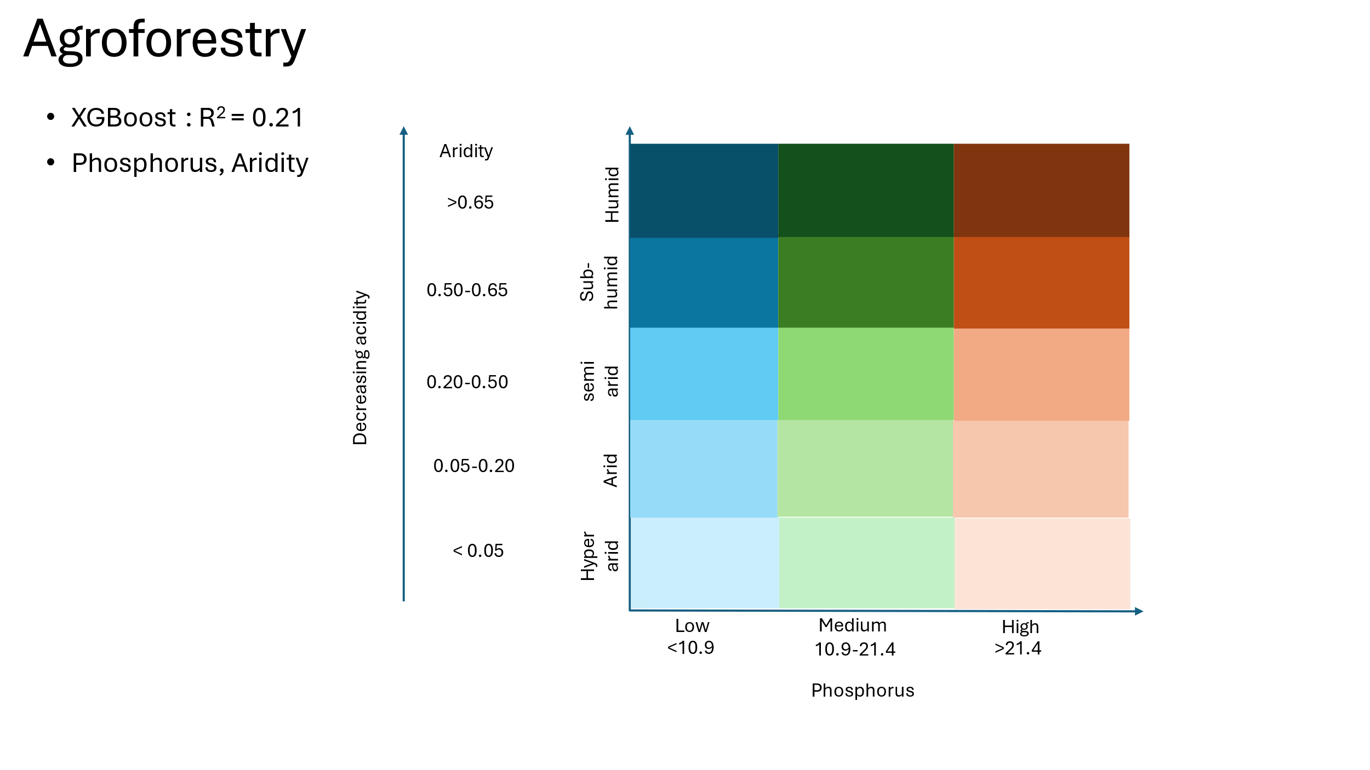
7 | 305 | 11822 | 2.50 |  |  | 305 | 15
7 | 405 | 11242 | 2.38 |  |  | 401 | 16
7 | 101 | 9635 | 2.04 |  |  | 402 | 17
7 | 404 | 9585 | 2.03 |  |  | 403 | 18
7 | 203 | 6515 | 1.38 |  |  | 404 | 19
7 | 102 | 2418 | 0.51 |  |  | 405 | 20
7 | 205 | 1465 | 0.31 |  |  | 504 | 21
7 | 204 | 1036 | 0.22
7 | 103 | 176 | 0.04
7 | 1 | 157 | 0.03
7 | 104 | 28 | 0.01 |  |  | p_classification_matrix <- matrix(c(
7 | 2 | 7 | 0.00 |  |  | 0, 5, 1, # Values 0-25 -> 1
7 | 105 | 1 | 0.00 |  |  | 5, 10, 2, # Values 25-50 -> 2
 |  |  |  |  |  | 10, 20, 3, # Values 50-75 -> 3
 |  |  |  |  |  | 20, 30, 4, # Values 50-75 -> 4
layer | value | count | percentage | Label |  | 30, 200, 5 # Values 50-75 -> 4
7 | 301 | 31300 | 6.62 | Semi-arid_very low P |  | ), ncol = 3, byrow = TRUE)
5 | 303 | 49390 | 10.44 | Semi-arid_medium P
4 | 501 | 73006 | 15.43 | Humid_very low P |  | Olsen P (mg/kg or ppm) | Classification | Agronomic Interpretation
3 | 502 | 59499 | 12.58 | Humid_low P |  | < 5 | Very Low | Deficient; strong P response expected. P fertilization essential.
2 | 503 | 38014 | 8.04 | Humid_medium P |  | 5 – 10 | Low | Likely deficient; moderate to strong response to P fertilization.
1 | 505 | 41750 | 8.83 | Humid_very high P |  | 10 – 20 | Medium | May be sufficient for some crops; minor P response expected.
6 | 999 | 24370 | 5.15 | other_Aridirty_P level |  | 20 – 30 | High | Adequate for most crops; little or no response to additional P.
 |  |  |  |  |  | > 30 | Very High | Excessive; no response to added P; may risk environmental losses.

Semi-arid_very low P | Semi-arid_medium P | Humid_very low P | Humid_low P | Humid_medium P | Humid_very high P | other_Aridirty_P level

