QueryResults
MonthStart | Month Year | Cumulative Unanswered Questions | Cumulative No Answers At All | New Questions | Newly Answered Questions | NewlyGotFirstAnswer | NetChangeInUnanswered | NetChangeInNoAnswersAtAll
2016-08-01 | Aug-16 | 578 | 432 | 1,897 | 1,319 | 1,465 | 578 | 432
2016-09-01 | Sep-16 | 1,048 | 753 | 1,848 | 1,378 | 1,527 | 470 | 321
2016-10-01 | Oct-16 | 1,578 | 1,088 | 2,079 | 1,549 | 1,744 | 530 | 335
2016-11-01 | Nov-16 | 2,027 | 1,365 | 2,033 | 1,584 | 1,756 | 449 | 277
2016-12-01 | Dec-16 | 2,480 | 1,694 | 1,858 | 1,405 | 1,529 | 453 | 329
2017-01-01 | Jan-17 | 2,959 | 1,983 | 2,206 | 1,727 | 1,917 | 479 | 289
2017-02-01 | Feb-17 | 3,437 | 2,288 | 1,866 | 1,388 | 1,561 | 478 | 305
2017-03-01 | Mar-17 | 4,129 | 2,717 | 2,445 | 1,753 | 2,016 | 692 | 429
2017-04-01 | Apr-17 | 4,669 | 3,041 | 1,978 | 1,438 | 1,654 | 540 | 324
2017-05-01 | May-17 | 5,330 | 3,403 | 2,450 | 1,789 | 2,088 | 661 | 362
2017-06-01 | Jun-17 | 6,024 | 3,852 | 2,569 | 1,875 | 2,120 | 694 | 449
2017-07-01 | Jul-17 | 6,710 | 4,290 | 2,483 | 1,797 | 2,045 | 686 | 438
2017-08-01 | Aug-17 | 7,379 | 4,694 | 2,728 | 2,059 | 2,324 | 669 | 404
2017-09-01 | Sep-17 | 8,085 | 5,135 | 2,678 | 1,972 | 2,237 | 706 | 441
2017-10-01 | Oct-17 | 8,955 | 5,693 | 3,128 | 2,258 | 2,570 | 870 | 558
2017-11-01 | Nov-17 | 9,768 | 6,217 | 2,685 | 1,872 | 2,161 | 813 | 524
2017-12-01 | Dec-17 | 10,379 | 6,553 | 2,133 | 1,522 | 1,797 | 611 | 336
2018-01-01 | Jan-18 | 11,043 | 6,918 | 2,324 | 1,660 | 1,959 | 664 | 365
2018-02-01 | Feb-18 | 11,645 | 7,282 | 2,027 | 1,425 | 1,663 | 602 | 364
2018-03-01 | Mar-18 | 12,221 | 7,608 | 2,242 | 1,666 | 1,916 | 576 | 326
2018-04-01 | Apr-18 | 12,917 | 8,034 | 2,338 | 1,642 | 1,912 | 696 | 426
2018-05-01 | May-18 | 13,725 | 8,526 | 2,673 | 1,865 | 2,181 | 808 | 492
2018-06-01 | Jun-18 | 14,498 | 9,001 | 2,427 | 1,654 | 1,952 | 773 | 475
2018-07-01 | Jul-18 | 15,093 | 9,331 | 2,156 | 1,561 | 1,826 | 595 | 330
2018-08-01 | Aug-18 | 15,825 | 9,740 | 2,302 | 1,570 | 1,893 | 732 | 409
2018-09-01 | Sep-18 | 16,468 | 10,126 | 2,041 | 1,398 | 1,655 | 643 | 386
2018-10-01 | Oct-18 | 17,072 | 10,397 | 2,035 | 1,431 | 1,764 | 604 | 271
2018-11-01 | Nov-18 | 17,612 | 10,659 | 1,856 | 1,316 | 1,594 | 540 | 262
2018-12-01 | Dec-18 | 17,995 | 10,843 | 1,490 | 1,107 | 1,306 | 383 | 184
2019-01-01 | Jan-19 | 18,378 | 11,062 | 1,517 | 1,134 | 1,298 | 383 | 219
2019-02-01 | Feb-19 | 18,761 | 11,248 | 1,611 | 1,228 | 1,425 | 383 | 186
2019-03-01 | Mar-19 | 19,263 | 11,499 | 2,040 | 1,538 | 1,789 | 502 | 251
2019-04-01 | Apr-19 | 19,876 | 11,835 | 2,061 | 1,448 | 1,725 | 613 | 336
2019-05-01 | May-19 | 20,544 | 12,162 | 2,214 | 1,546 | 1,887 | 668 | 327
2019-06-01 | Jun-19 | 20,949 | 12,339 | 1,479 | 1,074 | 1,302 | 405 | 177
2019-07-01 | Jul-19 | 21,442 | 12,581 | 1,712 | 1,219 | 1,470 | 493 | 242
2019-08-01 | Aug-19 | 21,899 | 12,800 | 1,552 | 1,095 | 1,333 | 457 | 219
2019-09-01 | Sep-19 | 22,282 | 12,965 | 1,344 | 961 | 1,179 | 383 | 165
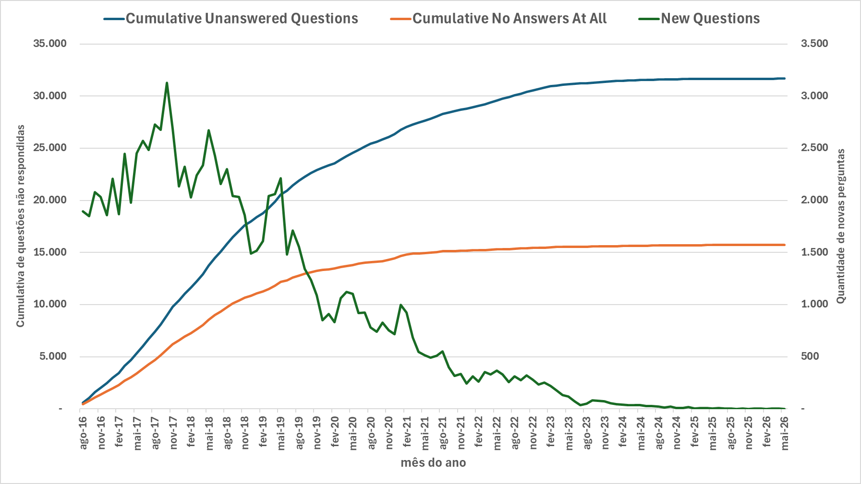
2019-10-01 | Oct-19 | 22,626 | 13,106 | 1,239 | 895 | 1,098 | 344 | 141
2019-11-01 | Nov-19 | 22,927 | 13,250 | 1,090 | 789 | 946 | 301 | 144
2019-12-01 | Dec-19 | 23,132 | 13,332 | 851 | 646 | 769 | 205 | 82
2020-01-01 | Jan-20 | 23,348 | 13,389 | 911 | 695 | 854 | 216 | 57
2020-02-01 | Feb-20 | 23,564 | 13,471 | 834 | 618 | 752 | 216 | 82
2020-03-01 | Mar-20 | 23,899 | 13,603 | 1,061 | 726 | 929 | 335 | 132
2020-04-01 | Apr-20 | 24,245 | 13,723 | 1,124 | 778 | 1,004 | 346 | 120
2020-05-01 | May-20 | 24,561 | 13,816 | 1,102 | 786 | 1,009 | 316 | 93
2020-06-01 | Jun-20 | 24,855 | 13,928 | 920 | 626 | 808 | 294 | 112
2020-07-01 | Jul-20 | 25,176 | 14,007 | 924 | 603 | 845 | 321 | 79
2020-08-01 | Aug-20 | 25,416 | 14,051 | 780 | 540 | 736 | 240 | 44
2020-09-01 | Sep-20 | 25,629 | 14,104 | 741 | 528 | 688 | 213 | 53
2020-10-01 | Oct-20 | 25,842 | 14,180 | 826 | 613 | 750 | 213 | 76
2020-11-01 | Nov-20 | 26,099 | 14,294 | 752 | 495 | 638 | 257 | 114
2020-12-01 | Dec-20 | 26,368 | 14,436 | 715 | 446 | 573 | 269 | 142
2021-01-01 | Jan-21 | 26,756 | 14,646 | 996 | 608 | 786 | 388 | 210
2021-02-01 | Feb-21 | 27,050 | 14,803 | 926 | 632 | 769 | 294 | 157
2021-03-01 | Mar-21 | 27,283 | 14,882 | 684 | 451 | 605 | 233 | 79
2021-04-01 | Apr-21 | 27,479 | 14,919 | 545 | 349 | 508 | 196 | 37
2021-05-01 | May-21 | 27,645 | 14,957 | 514 | 348 | 476 | 166 | 38
2021-06-01 | Jun-21 | 27,809 | 14,970 | 491 | 327 | 478 | 164 | 13
2021-07-01 | Jul-21 | 28,046 | 15,034 | 510 | 273 | 446 | 237 | 64
2021-08-01 | Aug-21 | 28,290 | 15,128 | 551 | 307 | 457 | 244 | 94
2021-09-01 | Sep-21 | 28,432 | 15,141 | 401 | 259 | 388 | 142 | 13
2021-10-01 | Oct-21 | 28,558 | 15,145 | 316 | 190 | 312 | 126 | 4
2021-11-01 | Nov-21 | 28,706 | 15,179 | 334 | 186 | 300 | 148 | 34
2021-12-01 | Dec-21 | 28,802 | 15,192 | 242 | 146 | 229 | 96 | 13
2022-01-01 | Jan-22 | 28,949 | 15,215 | 311 | 164 | 288 | 147 | 23
2022-02-01 | Feb-22 | 29,058 | 15,228 | 260 | 151 | 247 | 109 | 13
2022-03-01 | Mar-22 | 29,224 | 15,236 | 353 | 187 | 345 | 166 | 8
2022-04-01 | Apr-22 | 29,375 | 15,259 | 330 | 179 | 307 | 151 | 23
2022-05-01 | May-22 | 29,566 | 15,302 | 365 | 174 | 322 | 191 | 43
2022-06-01 | Jun-22 | 29,742 | 15,310 | 332 | 156 | 324 | 176 | 8
2022-07-01 | Jul-22 | 29,885 | 15,326 | 256 | 113 | 240 | 143 | 16
2022-08-01 | Aug-22 | 30,064 | 15,364 | 313 | 134 | 275 | 179 | 38
2022-09-01 | Sep-22 | 30,203 | 15,401 | 273 | 134 | 236 | 139 | 37
2022-10-01 | Oct-22 | 30,388 | 15,418 | 322 | 137 | 305 | 185 | 17
2022-11-01 | Nov-22 | 30,554 | 15,447 | 278 | 112 | 249 | 166 | 29
2022-12-01 | Dec-22 | 30,679 | 15,457 | 234 | 109 | 224 | 125 | 10
2023-01-01 | Jan-23 | 30,816 | 15,470 | 251 | 114 | 238 | 137 | 13
2023-02-01 | Feb-23 | 30,939 | 15,501 | 222 | 99 | 191 | 123 | 31
2023-03-01 | Mar-23 | 31,022 | 15,524 | 179 | 96 | 156 | 83 | 23
2023-04-01 | Apr-23 | 31,099 | 15,533 | 133 | 56 | 124 | 77 | 9
2023-05-01 | May-23 | 31,155 | 15,547 | 119 | 63 | 105 | 56 | 14
2023-06-01 | Jun-23 | 31,191 | 15,548 | 71 | 35 | 70 | 36 | 1
2023-07-01 | Jul-23 | 31,213 | 15,547 | 37 | 15 | 38 | 22 | -1
2023-08-01 | Aug-23 | 31,243 | 15,556 | 50 | 20 | 41 | 30 | 9
2023-09-01 | Sep-23 | 31,296 | 15,567 | 80 | 27 | 69 | 53 | 11
2023-10-01 | Oct-23 | 31,341 | 15,584 | 78 | 33 | 61 | 45 | 17
2023-11-01 | Nov-23 | 31,384 | 15,587 | 71 | 28 | 68 | 43 | 3
2023-12-01 | Dec-23 | 31,417 | 15,601 | 54 | 21 | 40 | 33 | 14
2024-01-01 | Jan-24 | 31,447 | 15,608 | 46 | 16 | 39 | 30 | 7
2024-02-01 | Feb-24 | 31,470 | 15,616 | 39 | 16 | 31 | 23 | 8
2024-03-01 | Mar-24 | 31,491 | 15,622 | 34 | 13 | 28 | 21 | 6
2024-04-01 | Apr-24 | 31,513 | 15,632 | 35 | 13 | 25 | 22 | 10
2024-05-01 | May-24 | 31,535 | 15,640 | 36 | 14 | 28 | 22 | 8
2024-06-01 | Jun-24 | 31,548 | 15,643 | 25 | 12 | 22 | 13 | 3
2024-07-01 | Jul-24 | 31,570 | 15,658 | 27 | 5 | 12 | 22 | 15
2024-08-01 | Aug-24 | 31,588 | 15,672 | 20 | 2 | 6 | 18 | 14
2024-09-01 | Sep-24 | 31,596 | 15,676 | 11 | 3 | 7 | 8 | 4
2024-10-01 | Oct-24 | 31,614 | 15,687 | 24 | 6 | 13 | 18 | 11
2024-11-01 | Nov-24 | 31,619 | 15,691 | 9 | 4 | 5 | 5 | 4
2024-12-01 | Dec-24 | 31,627 | 15,695 | 8 | - | 4 | 8 | 4
2025-01-01 | Jan-25 | 31,638 | 15,697 | 16 | 5 | 14 | 11 | 2
2025-02-01 | Feb-25 | 31,643 | 15,697 | 5 | - | 5 | 5 | -
2025-03-01 | Mar-25 | 31,647 | 15,701 | 8 | 4 | 4 | 4 | 4
2025-04-01 | Apr-25 | 31,651 | 15,704 | 7 | 3 | 4 | 4 | 3
2025-05-01 | May-25 | 31,654 | 15,708 | 4 | 1 | - | 3 | 4
2025-06-01 | Jun-25 | 31,658 | 15,708 | 6 | 2 | 6 | 4 | -
2025-07-01 | Jul-25 | 31,659 | 15,709 | 4 | 3 | 3 | 1 | 1
2025-08-01 | Aug-25 | 31,663 | 15,712 | 5 | 1 | 2 | 4 | 3
2025-09-01 | Sep-25 | 31,663 | 15,712 | 1 | 1 | 1 | - | -
2025-10-01 | Oct-25 | 31,665 | 15,712 | 2 | - | 2 | 2 | -
2025-11-01 | Nov-25 | 31,665 | 15,709 | - | - | 3 | - | -3
2025-12-01 | Dec-25 | 31,668 | 15,711 | 4 | 1 | 2 | 3 | 2
2026-01-01 | Jan-26 | 31,669 | 15,711 | 2 | 1 | 2 | 1 | -
2026-02-01 | Feb-26 | 31,669 | 15,711 | - | - | - | - | -
2026-03-01 | Mar-26 | 31,670 | 15,712 | 2 | 1 | 1 | 1 | 1
2026-04-01 | Apr-26 | 31,674 | 15,716 | 4 | - | - | 4 | 4
2026-05-01 | May-26 | 31,674 | 15,715 | - | - | 1 | - | -1

