Brief Overview
 | OCEANAIR Transaction Data 6mo (January-June 2020)

Revenue & Profit by Month
Sales Rep | # Files | Total Revenue | Avg Revenue | Total Profit
Christine Roderick | 10 | $48,205 | $4,820 | $5,141
ED KAPLAN/HOUSE | 275 | $1,504,029 | $5,489 | $115,371
JODI O | 590 | $2,721,123 | $4,724 | $278,486
JOE WYSON/HOUSE | 2,208 | $8,543,361 | $3,926 | $872,069
JOLSON - PW REASSIGNED | 201 | $194,985 | $975 | $50,053
JOLSON - REASSIGNED | 84 | $170,905 | $2,059 | $25,473
JOSEPHINE LEVATO | 177 | $394,587 | $2,255 | $43,729
Justin Andrews | 133 | $1,190,161 | $9,521 | $112,138
KL'HEUREUX | 671 | $3,225,689 | $4,947 | $292,008
KL'HEUREUX - PW REASSIGNED | 11 | $86,426 | $7,857 | $3,082
MA REP | 5 | $16,686 | $3,337 | $1,637
PDAVIS | 410 | $2,068,524 | $5,304 | $151,742
PDAVIS - PW REASSIGNED | 63 | $164,191 | $2,648 | $24,764
PDAVIS REASSIGNED | 49 | $34,787 | $710 | $9,918
VALERIE KOEN | 433 | $2,549,134 | $6,553 | $182,479
VALERIE KOEN - REASSIGNED | 8 | $14,031 | $1,754 | $3,811
Grand Total | 5,328 | $22,926,823 | $4,422 | $2,171,901

Month | Total Revenue | Total Profit
Jan | $4,294,710 | $392,398
Feb | $3,529,963 | $353,070
Mar | $3,294,993 | $346,644
Apr | $3,455,337 | $350,065
May | $4,434,420 | $412,056
Jun | $3,917,399 | $317,669
Grand Total | $22,926,823 | $2,171,901

Data_Analysis_Transactions
OCEANAIR Business Transaction Review - Jan - June 2020
# Read in the dataset
df = pd.read_excel('data/CUSTOMER_BUSINESS_REVIEW_Jan-June.xlsx')

Obtaining the overall trend for January through July 2020
# Get the Month-Year from Report Date
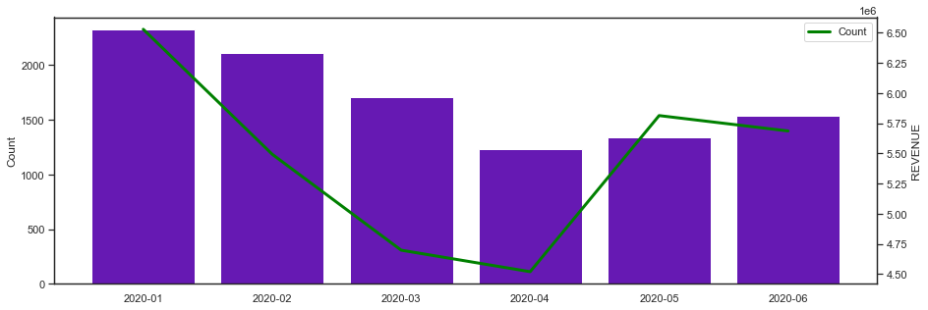

Obtaining the Month-over-Month, Quarter-over-Quarter and Year-over-Year
Month over Month
 | Count | Last_Month
Month_Year
February | 2,115 | 2,323
March | 1,706 | 2,115
April | 1,234 | 1,706
May | 1,344 | 1,234
June | 1,537 | 1,344
Add the Growth to the Month over Month Dataframe
# calculating the growth
 | Count | Last_Month | Growth
Month_Year
February | 2,115 | 2,323 | -9%
March | 1,706 | 2,115 | -19%
April | 1,234 | 1,706 | -28%
May | 1,344 | 1,234 | 9%
June | 1,537 | 1,344 | 14%
Plotting the Month-over-Month Growth
 | Growth | Months
February | -9% | Feb
March | -19% | March
April | -28% | Apr
May | 9% | May
June | 14% | Jun
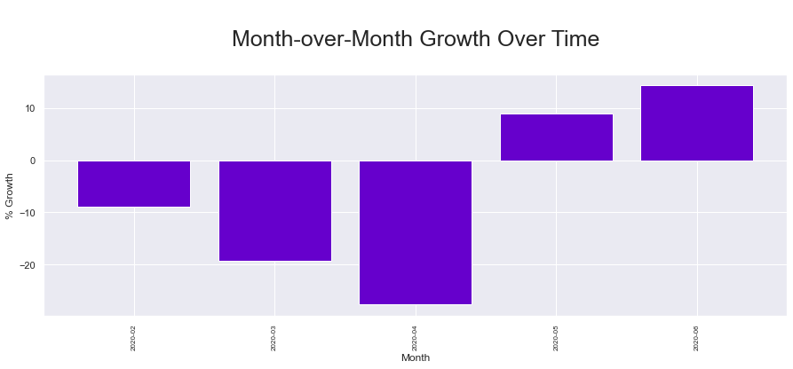
File Count Compared

Data_Analysis_Revenue
OCEANAIR Business Revenue Review - Jan - June 2020

# Read in the dataset
df = pd.read_excel('data/CUSTOMER_BUSINESS_REVIEW_Jan-June.xlsx')

Obtaining the overall trend for January through July 2020

# Get the Month-Year from Report Date
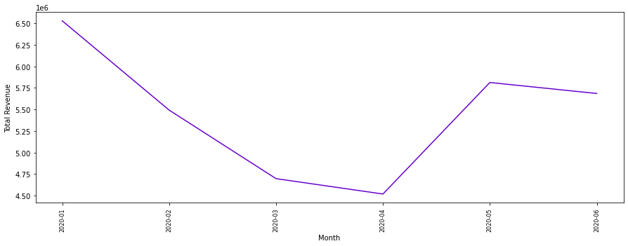

Obtaining the Month-over-Month, Quarter-over-Quarter and Year-over-Year

Month over Month

 | REVENUE | Last_Month
Month_Year
February | $5,492,443 | $6,528,102
March | $4,697,360 | $5,492,443
April | $4,519,119 | $4,697,360
May | $5,812,960 | $4,519,119
June | $5,685,406 | $5,812,960

Add the Growth to the Month over Month Dataframe
# calculating the growth

 | REVENUE | Last_Month | Growth
Month_Year
February | $5,492,443 | $6,528,102 | -16%
March | $4,697,360 | $5,492,443 | -14%
April | $4,519,119 | $4,697,360 | -4%
May | $5,812,960 | $4,519,119 | 29%
June | $5,685,406 | $5,812,960 | -2%

Plotting the Month-over-Month Growth

 | Growth | Months
February | -16% | 2020-02
March | -14% | 2020-03
April | -4% | 2020-04
May | 29% | 2020-05
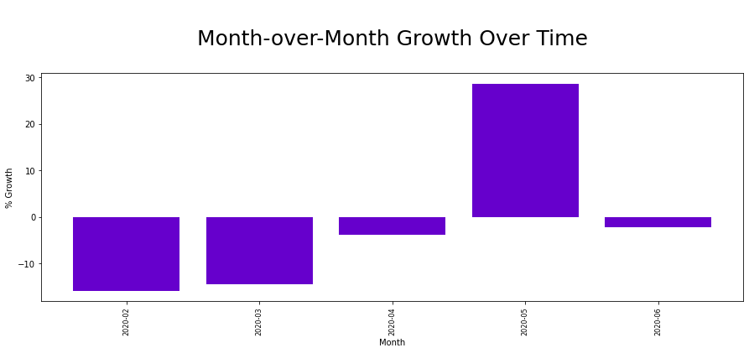
June | -2% | 2020-06

Revenue Compared

